Energy_item
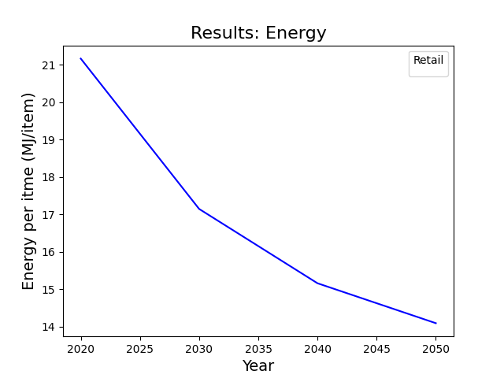
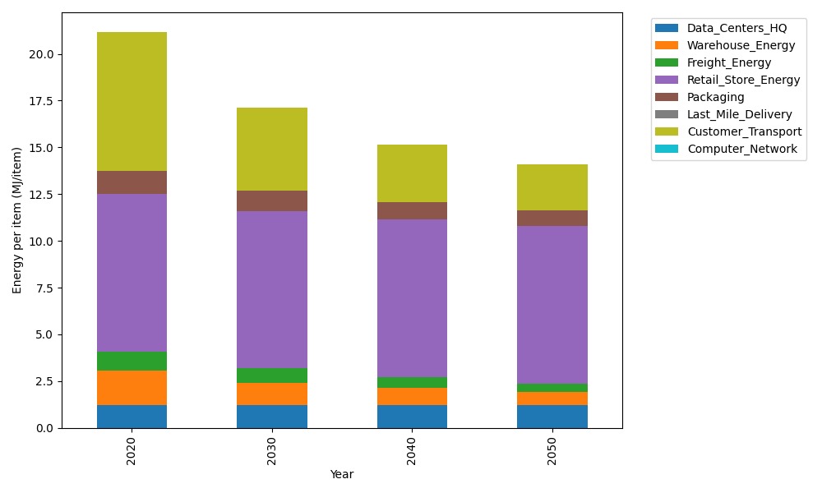
Years | Data_Centers_HQ | Warehouse_Energy | Freight_Energy | Retail_Store_Energy | Packaging | Last_Mile_Delivery | Customer_Transport | Computer_Network | Total
2020 | 1.2172633253 | 1.84 | 1.0385491076 | 8.415 | 1.2147367196 | 0 | 7.4365769649 | 0 | 21.162126117
2030 | 1.2172633253 | 1.1776 | 0.79054864647 | 8.415 | 1.0811156805 | 0 | 4.4621153029 | 0 | 17.143642955
2040 | 1.2172633253 | 0.92 | 0.59195768358 | 8.415 | 0.93534727412 | 0 | 3.0773719263 | 0 | 15.156940209
2050 | 1.2172633253 | 0.7176 | 0.43366879127 | 8.415 | 0.82602096935 | 0 | 2.479808445 | 0 | 14.089361531

CO2_item
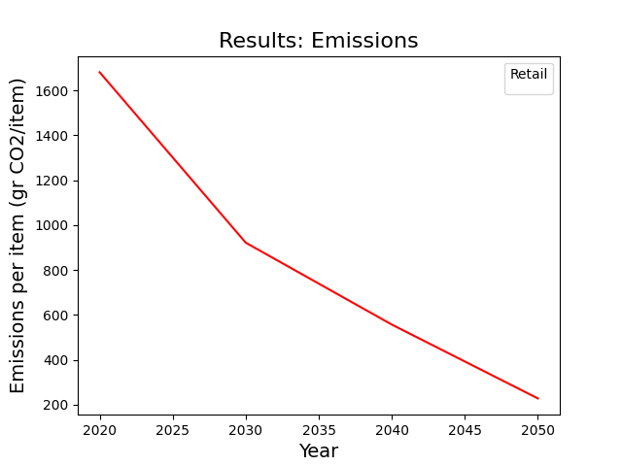
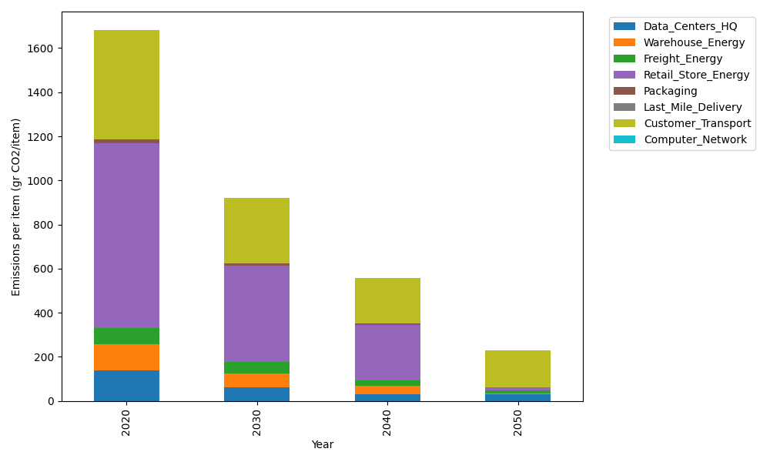
Years | Data_Centers_HQ | Warehouse_Energy | Freight_Energy | Retail_Store_Energy | Packaging | Last_Mile_Delivery | Customer_Transport | Computer_Network | Total
2020 | 137.48834654 | 120.73500736 | 71.289259288 | 839.18807354 | 17.990768952 | 0 | 494.86155124 | 0 | 1681.5530069
2030 | 63.614454124 | 62.782203826 | 49.924473348 | 436.37779824 | 12.413630577 | 0 | 296.92818497 | 0 | 922.04074509
2040 | 31.6634423 | 36.220502207 | 26.6151567 | 251.75642206 | 6.1168614437 | 0 | 204.78145421 | 0 | 557.15383892
2050 | 31.6634423 | 2.4147001471 | 12.205036756 | 16.783761471 | 0 | 0 | 165.01703131 | 0 | 228.08397198

