Energy_item
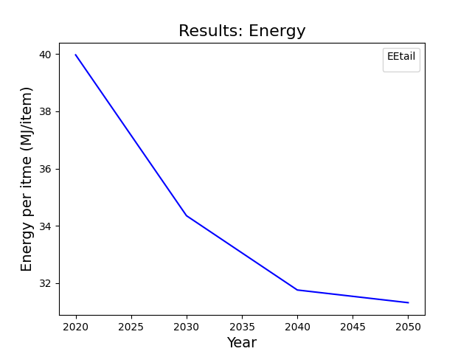
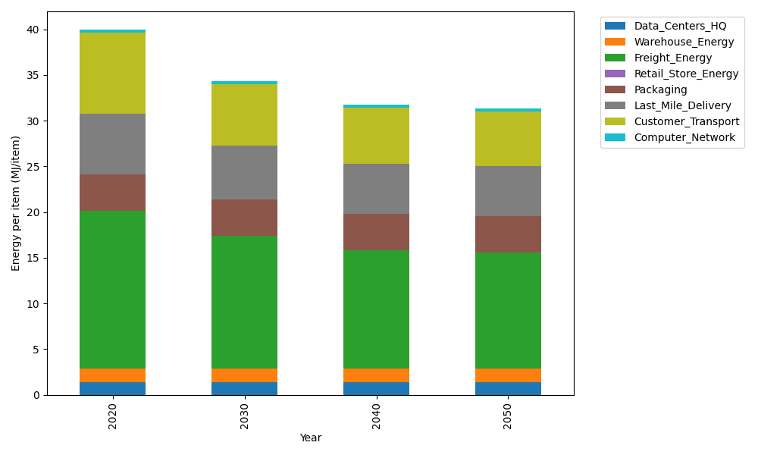
Years | Data_Centers_HQ | Warehouse_Energy | Freight_Energy | Retail_Store_Energy | Packaging | Last_Mile_Delivery | Customer_Transport | Computer_Network | Total
2020 | 1.3707219138 | 1.548 | 17.232686645 | 0 | 3.966722758 | 6.6268787801 | 8.8984087072 | 0.32656171373 | 39.969980518
2030 | 1.3707219138 | 1.548 | 14.495146106 | 0 | 3.966722758 | 5.8765445138 | 6.772417511 | 0.32656171373 | 34.356114516
2040 | 1.3707219138 | 1.548 | 12.896165634 | 0 | 3.966722758 | 5.5357270976 | 6.1188868647 | 0.32656171373 | 31.762785981
2050 | 1.3707219138 | 1.548 | 12.636425429 | 0 | 3.966722758 | 5.4769891723 | 5.9949380543 | 0.32656171373 | 31.320359041

CO2_item
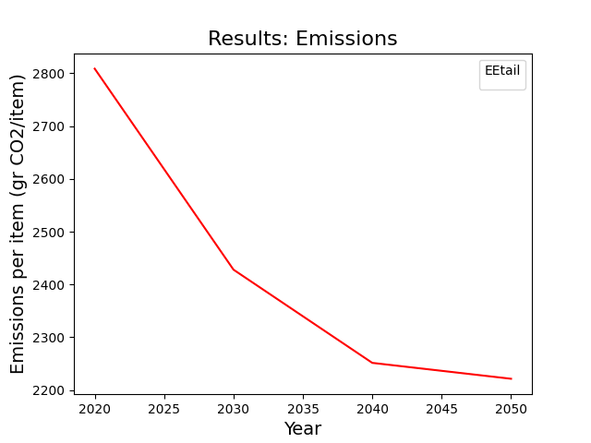
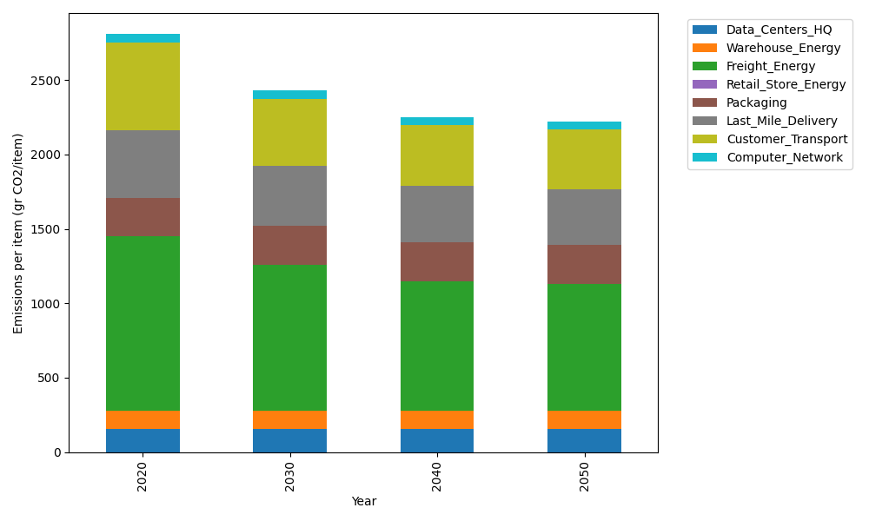
Years | Data_Centers_HQ | Warehouse_Energy | Freight_Energy | Retail_Store_Energy | Packaging | Last_Mile_Delivery | Customer_Transport | Computer_Network | Total
2020 | 157.73612384 | 118.6161301 | 1171.3754945 | 0 | 259.06707291 | 454.88968809 | 592.13807067 | 55.083386689 | 2808.9059668
2030 | 157.73612384 | 118.6161301 | 983.46214891 | 0 | 259.06707291 | 403.38439704 | 450.66554827 | 55.083386689 | 2428.0148078
2040 | 157.73612384 | 118.6161301 | 873.70312775 | 0 | 259.06707291 | 379.98962353 | 407.17683149 | 55.083386689 | 2251.3722963
2050 | 157.73612384 | 118.6161301 | 855.87374767 | 0 | 259.06707291 | 375.9576686 | 398.92874896 | 55.083386689 | 2221.2628788

