Energy_item
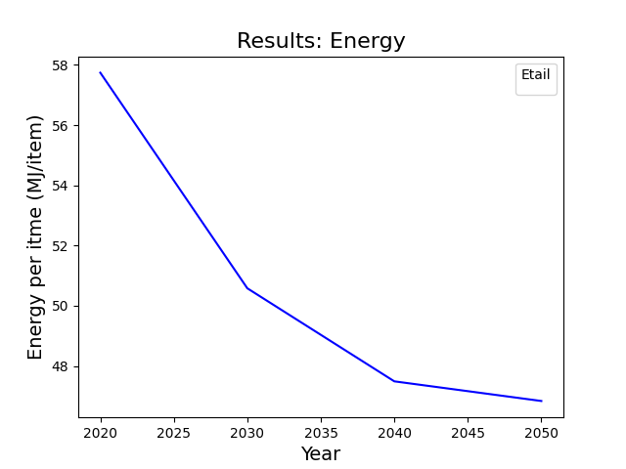
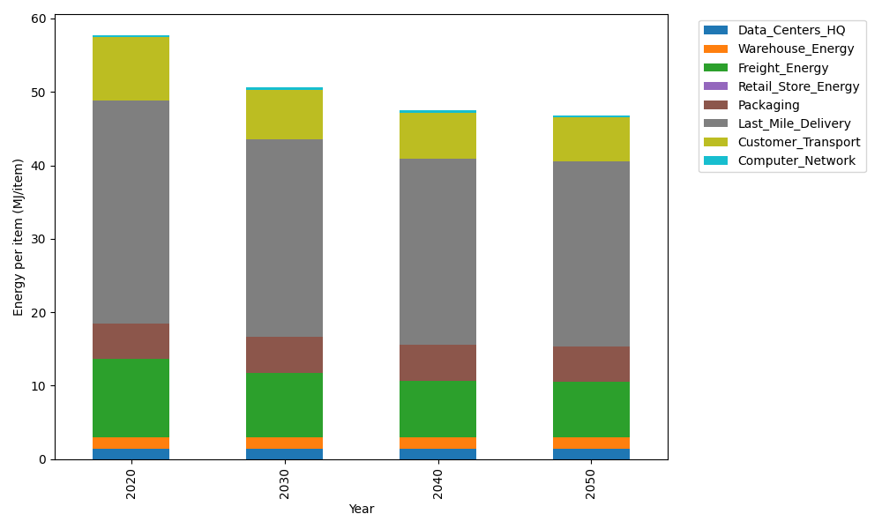
Years | Data_Centers_HQ | Warehouse_Energy | Freight_Energy | Retail_Store_Energy | Packaging | Last_Mile_Delivery | Customer_Transport | Computer_Network | Total
2020 | 1.3707219138 | 1.548 | 10.695533293 | 0 | 4.8467995113 | 30.401973023 | 8.5519985891 | 0.32656171373 | 57.741588044
2030 | 1.3707219138 | 1.548 | 8.8455363739 | 0 | 4.8467995113 | 26.970270716 | 6.6737913409 | 0.32656171373 | 50.581681569
2040 | 1.3707219138 | 1.548 | 7.7649646325 | 0 | 4.8467995113 | 25.394621599 | 6.2394707024 | 0.32656171373 | 47.491140073
2050 | 1.3707219138 | 1.548 | 7.5894353313 | 0 | 4.8467995113 | 25.179522152 | 5.9775312398 | 0.32656171373 | 46.838571862

CO2_item
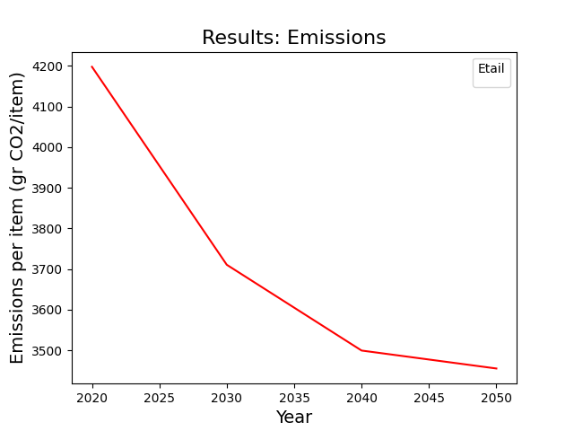
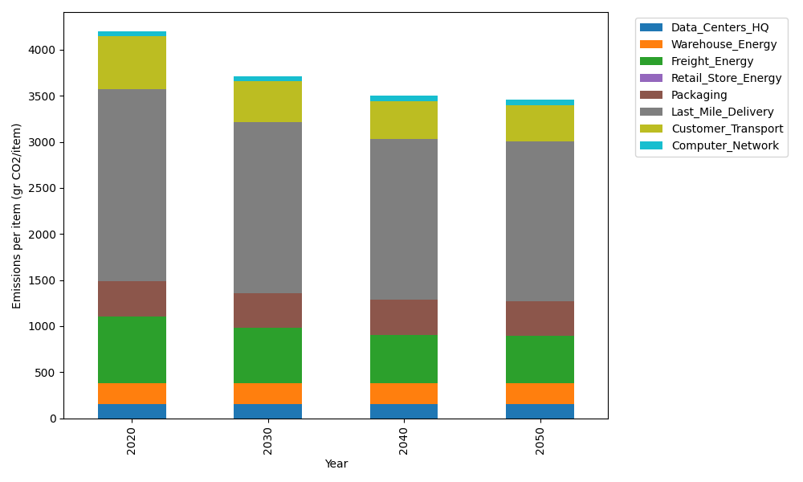
Years | Data_Centers_HQ | Warehouse_Energy | Freight_Energy | Retail_Store_Energy | Packaging | Last_Mile_Delivery | Customer_Transport | Computer_Network | Total
2020 | 157.73612384 | 220.80520494 | 728.40985044 | 0 | 379.96504026 | 2086.8865245 | 569.08646384 | 55.083386689 | 4197.9725945
2030 | 157.73612384 | 220.80520494 | 601.42027517 | 0 | 379.96504026 | 1851.3237439 | 444.10254223 | 55.083386689 | 3710.436317
2040 | 157.73612384 | 220.80520494 | 527.24645086 | 0 | 379.96504026 | 1743.16626 | 415.2009944 | 55.083386689 | 3499.203461
2050 | 157.73612384 | 220.80520494 | 515.19757058 | 0 | 379.96504026 | 1728.4011611 | 397.77042528 | 55.083386689 | 3454.9589127

