Energy_item
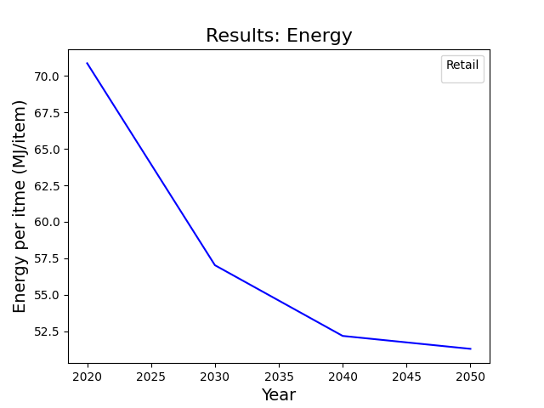
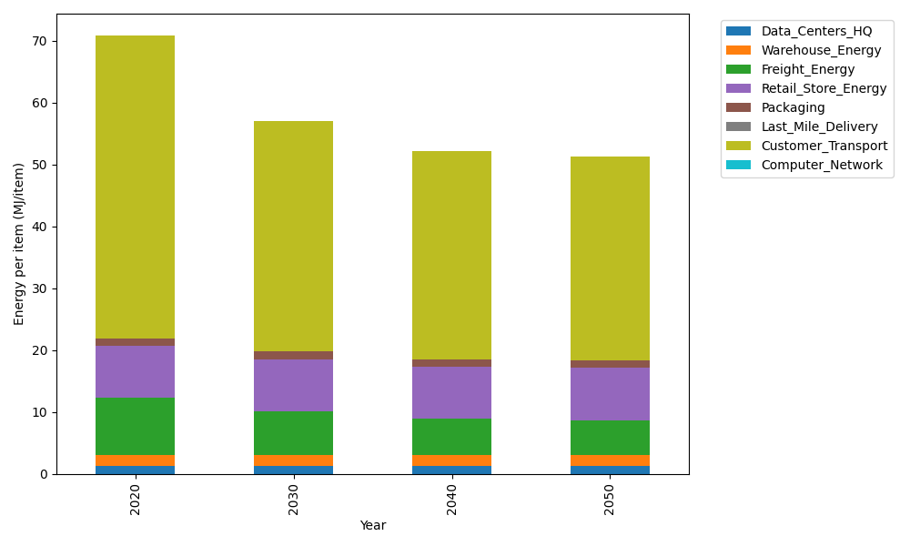
Years | Data_Centers_HQ | Warehouse_Energy | Freight_Energy | Retail_Store_Energy | Packaging | Last_Mile_Delivery | Customer_Transport | Computer_Network | Total
2020 | 1.2172633253 | 1.84 | 9.2321019949 | 8.415 | 1.2147367196 | 0 | 48.94124789 | 0 | 70.860349929
2030 | 1.2172633253 | 1.84 | 7.0953402871 | 8.415 | 1.2147367196 | 0 | 37.24829631 | 0 | 57.030636642
2040 | 1.2172633253 | 1.84 | 5.847271009 | 8.415 | 1.2147367196 | 0 | 33.653877756 | 0 | 52.18814881
2050 | 1.2172633253 | 1.84 | 5.6445332178 | 8.415 | 1.2147367196 | 0 | 32.972159298 | 0 | 51.303692561

CO2_item
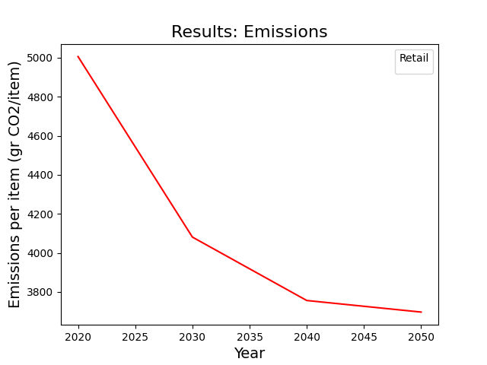
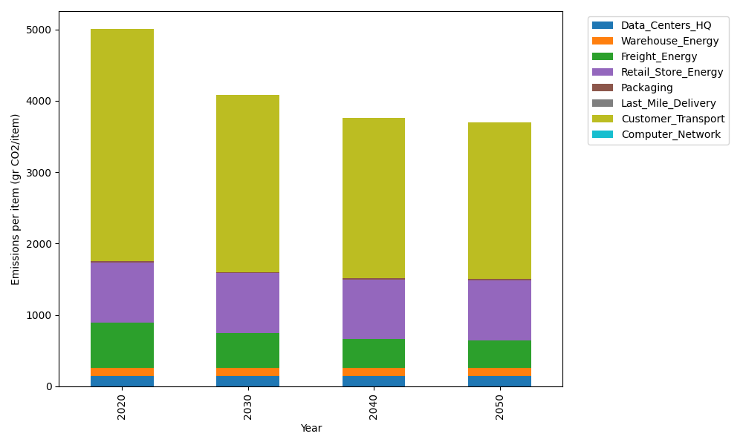
Years | Data_Centers_HQ | Warehouse_Energy | Freight_Energy | Retail_Store_Energy | Packaging | Last_Mile_Delivery | Customer_Transport | Computer_Network | Total
2020 | 137.48834654 | 120.73500736 | 633.72035859 | 839.18807354 | 17.990768952 | 0 | 3256.7593887 | 0 | 5005.8819437
2030 | 137.48834654 | 120.73500736 | 487.04635126 | 839.18807354 | 17.990768952 | 0 | 2478.6605155 | 0 | 4081.1090631
2040 | 137.48834654 | 120.73500736 | 401.3749721 | 839.18807354 | 17.990768952 | 0 | 2239.4725732 | 0 | 3756.2497417
2050 | 137.48834654 | 120.73500736 | 387.45841595 | 839.18807354 | 17.990768952 | 0 | 2194.1081193 | 0 | 3696.9687316

