Energy_item
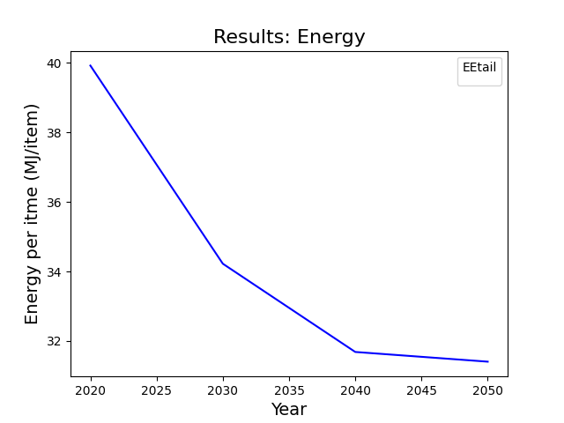
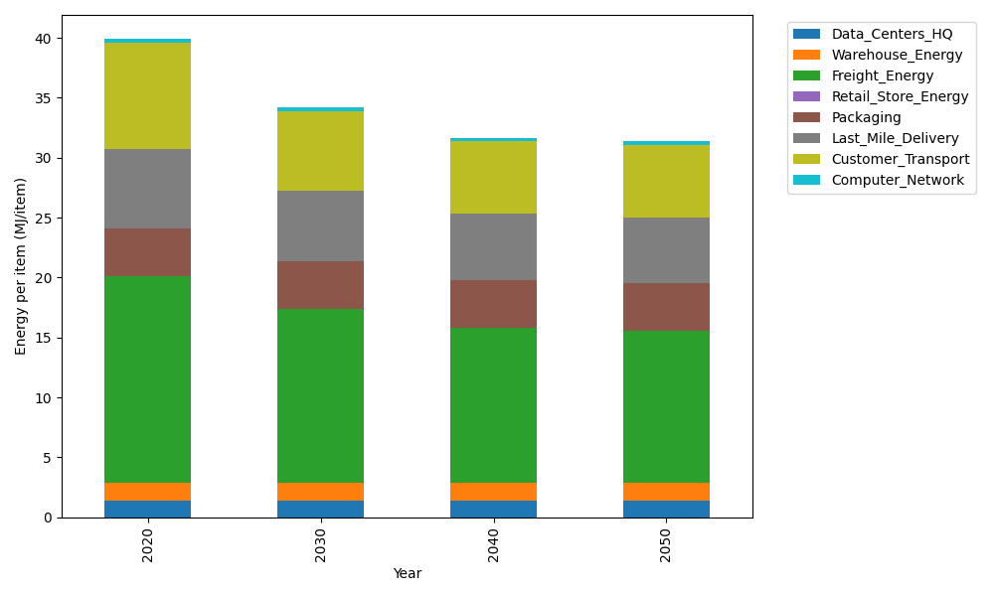
Years | Data_Centers_HQ | Warehouse_Energy | Freight_Energy | Retail_Store_Energy | Packaging | Last_Mile_Delivery | Customer_Transport | Computer_Network | Total
2020 | 1.3707219138 | 1.548 | 17.232686645 | 0 | 3.966722758 | 6.6294350416 | 8.8507770297 | 0.32656171373 | 39.924905102
2030 | 1.3707219138 | 1.548 | 14.495146106 | 0 | 3.966722758 | 5.878328907 | 6.637509057 | 0.32656171373 | 34.222990455
2040 | 1.3707219138 | 1.548 | 12.896165634 | 0 | 3.966722758 | 5.5328518511 | 6.0424287684 | 0.32656171373 | 31.683452639
2050 | 1.3707219138 | 1.548 | 12.636425429 | 0 | 3.966722758 | 5.4773277365 | 6.0785163315 | 0.32656171373 | 31.404275883

CO2_item
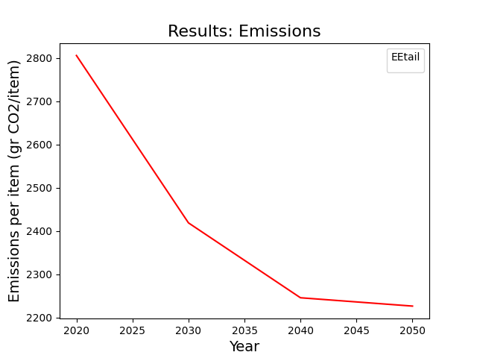
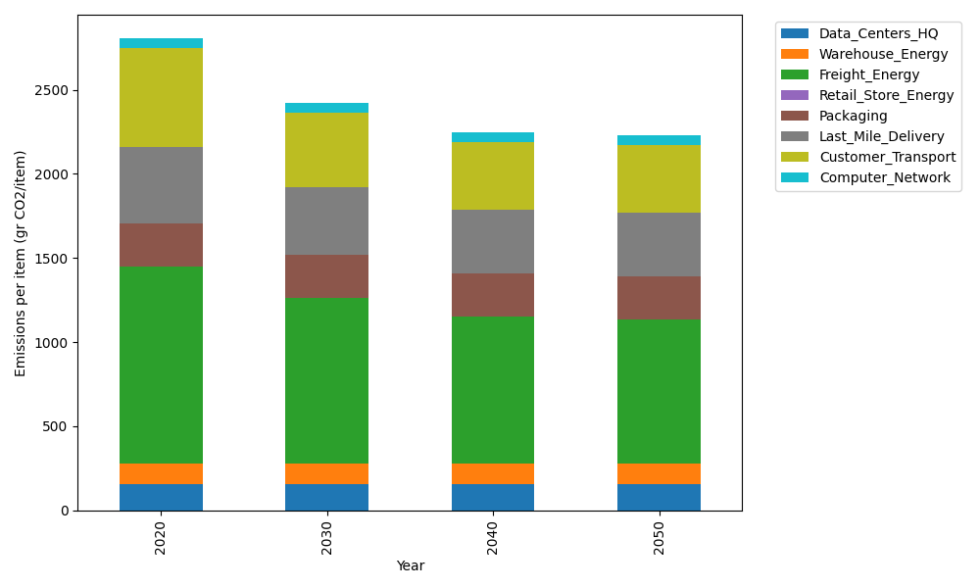
Years | Data_Centers_HQ | Warehouse_Energy | Freight_Energy | Retail_Store_Energy | Packaging | Last_Mile_Delivery | Customer_Transport | Computer_Network | Total
2020 | 157.73612384 | 118.6161301 | 1171.3754945 | 0 | 259.06707291 | 455.06515787 | 588.96845569 | 55.083386689 | 2805.9118216
2030 | 157.73612384 | 118.6161301 | 983.46214891 | 0 | 259.06707291 | 403.50688337 | 441.68816431 | 55.083386689 | 2419.1599101
2040 | 157.73612384 | 118.6161301 | 873.70312775 | 0 | 259.06707291 | 379.79225761 | 402.08898364 | 55.083386689 | 2246.0870825
2050 | 157.73612384 | 118.6161301 | 855.87374767 | 0 | 259.06707291 | 375.98090871 | 404.49040402 | 55.083386689 | 2226.8477739

