Energy_item
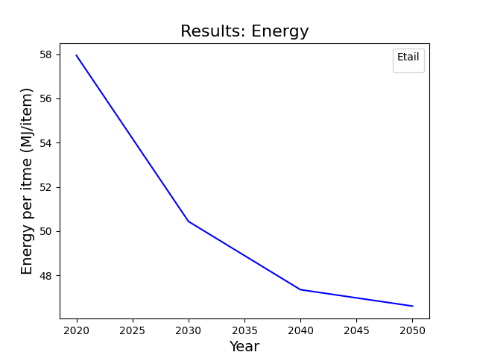
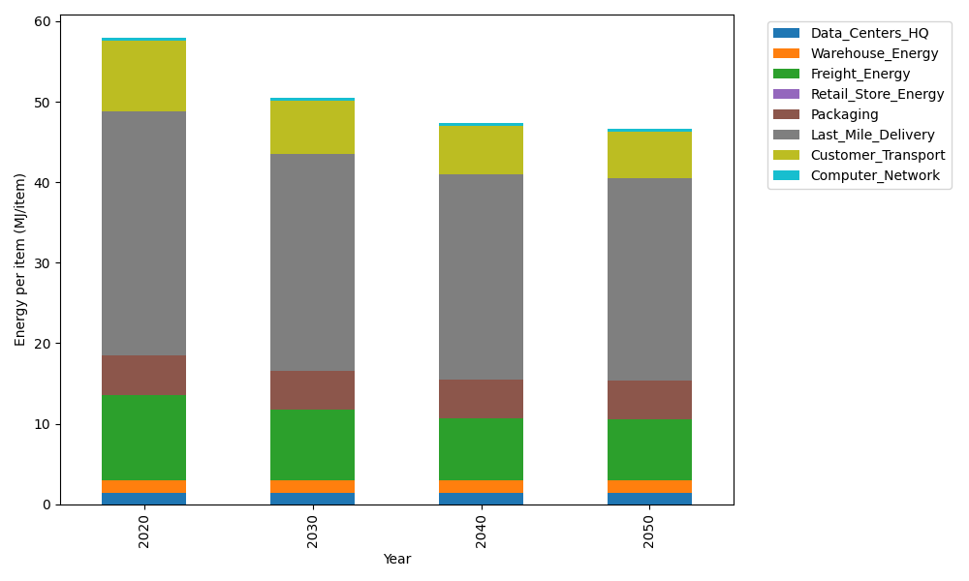
Years | Data_Centers_HQ | Warehouse_Energy | Freight_Energy | Retail_Store_Energy | Packaging | Last_Mile_Delivery | Customer_Transport | Computer_Network | Total
2020 | 1.3707219138 | 1.548 | 10.695533293 | 0 | 4.8467995113 | 30.383551292 | 8.7668438786 | 0.32656171373 | 57.938011603
2030 | 1.3707219138 | 1.548 | 8.8455363739 | 0 | 4.8467995113 | 26.957746015 | 6.5422371911 | 0.32656171373 | 50.437602719
2040 | 1.3707219138 | 1.548 | 7.7649646325 | 0 | 4.8467995113 | 25.396428027 | 6.0974012215 | 0.32656171373 | 47.35087702
2050 | 1.3707219138 | 1.548 | 7.5894353313 | 0 | 4.8467995113 | 25.164071843 | 5.7641231868 | 0.32656171373 | 46.6097135

CO2_item
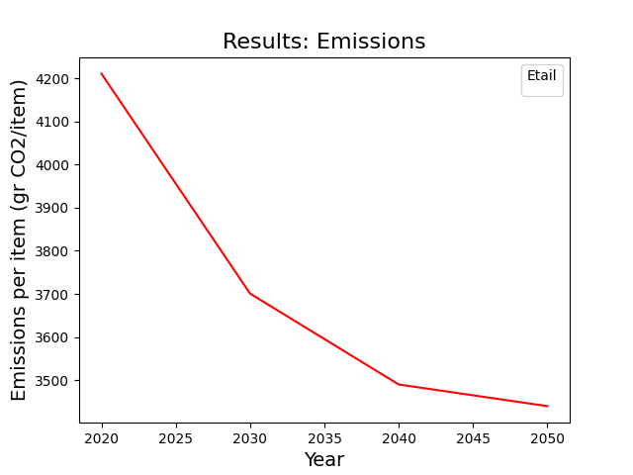
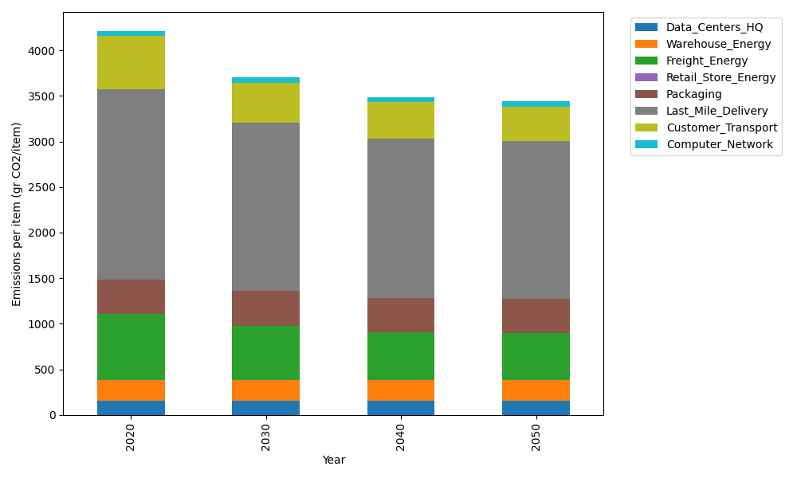
Years | Data_Centers_HQ | Warehouse_Energy | Freight_Energy | Retail_Store_Energy | Packaging | Last_Mile_Delivery | Customer_Transport | Computer_Network | Total
2020 | 157.73612384 | 220.80520494 | 728.40985044 | 0 | 379.96504026 | 2085.6219993 | 583.3831858 | 55.083386689 | 4211.0047913
2030 | 157.73612384 | 220.80520494 | 601.42027517 | 0 | 379.96504026 | 1850.4640093 | 435.34836797 | 55.083386689 | 3700.8224082
2040 | 157.73612384 | 220.80520494 | 527.24645086 | 0 | 379.96504026 | 1743.2902588 | 405.74708515 | 55.083386689 | 3489.8735506
2050 | 157.73612384 | 220.80520494 | 515.19757058 | 0 | 379.96504026 | 1727.3406036 | 383.56934316 | 55.083386689 | 3439.6972731

