Energy_item
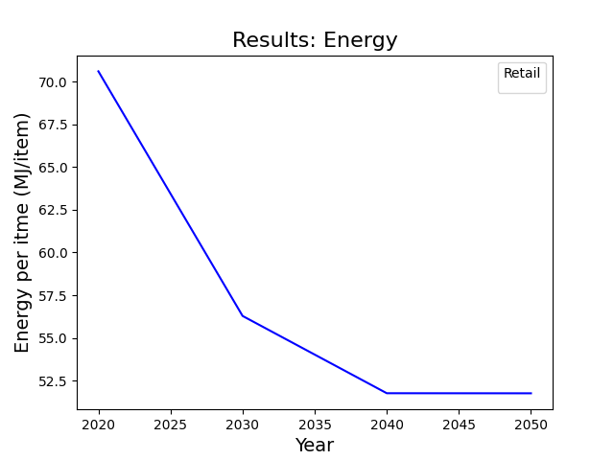
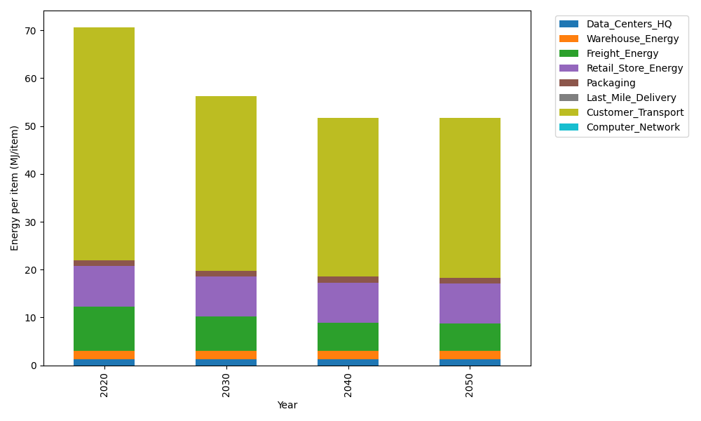
Years | Data_Centers_HQ | Warehouse_Energy | Freight_Energy | Retail_Store_Energy | Packaging | Last_Mile_Delivery | Customer_Transport | Computer_Network | Total
2020 | 1.2172633253 | 1.84 | 9.2321019949 | 8.415 | 1.2147367196 | 0 | 48.679273663 | 0 | 70.598375703
2030 | 1.2172633253 | 1.84 | 7.0953402871 | 8.415 | 1.2147367196 | 0 | 36.506299814 | 0 | 56.288640146
2040 | 1.2172633253 | 1.84 | 5.847271009 | 8.415 | 1.2147367196 | 0 | 33.233358226 | 0 | 51.76762928
2050 | 1.2172633253 | 1.84 | 5.6445332178 | 8.415 | 1.2147367196 | 0 | 33.431839823 | 0 | 51.763373086

CO2_item
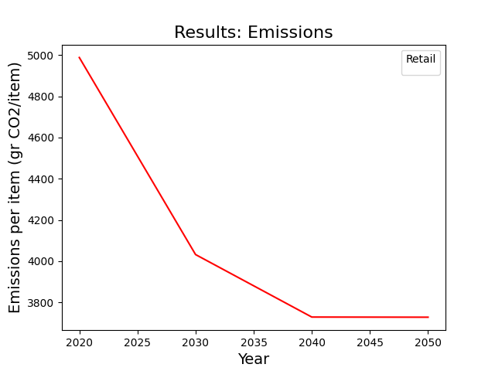
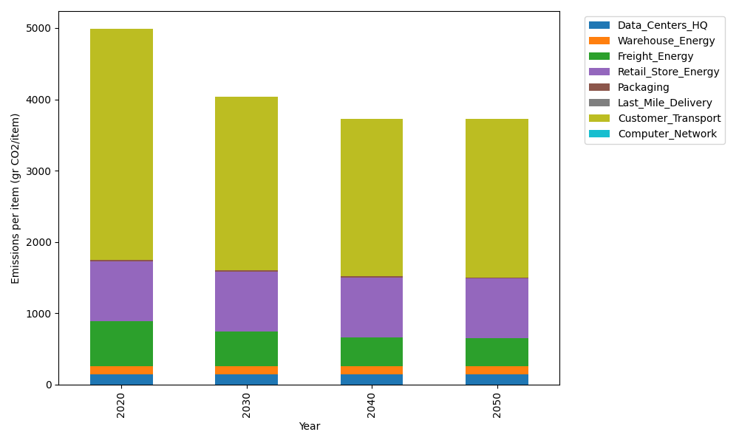
Years | Data_Centers_HQ | Warehouse_Energy | Freight_Energy | Retail_Store_Energy | Packaging | Last_Mile_Delivery | Customer_Transport | Computer_Network | Total
2020 | 137.48834654 | 120.73500736 | 633.72035859 | 839.18807354 | 17.990768952 | 0 | 3239.3265063 | 0 | 4988.4490612
2030 | 137.48834654 | 120.73500736 | 487.04635126 | 839.18807354 | 17.990768952 | 0 | 2429.2849037 | 0 | 4031.7334513
2040 | 137.48834654 | 120.73500736 | 401.3749721 | 839.18807354 | 17.990768952 | 0 | 2211.48941 | 0 | 3728.2665785
2050 | 137.48834654 | 120.73500736 | 387.45841595 | 839.18807354 | 17.990768952 | 0 | 2224.6972221 | 0 | 3727.5578344

