Energy_item
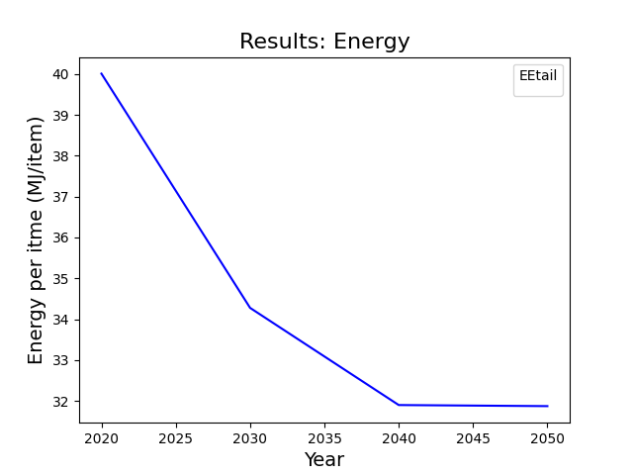
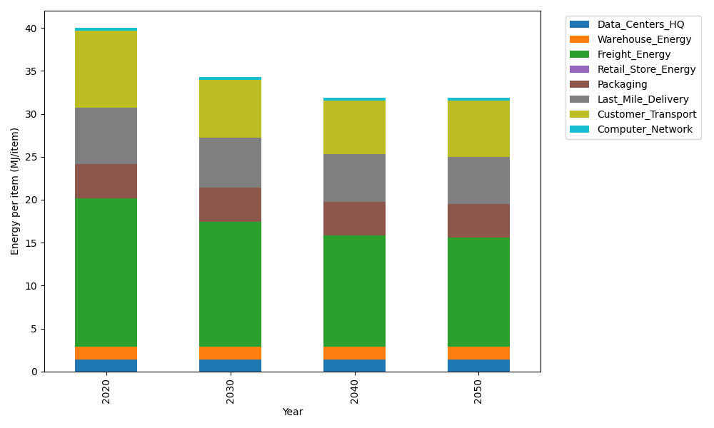
Years | Data_Centers_HQ | Warehouse_Energy | Freight_Energy | Retail_Store_Energy | Packaging | Last_Mile_Delivery | Customer_Transport | Computer_Network | Total
2020 | 1.3707219138 | 1.548 | 17.232686645 | 0 | 3.966722758 | 6.6253702762 | 8.9420223728 | 0.32656171373 | 40.01208568
2030 | 1.3707219138 | 1.548 | 14.495146106 | 0 | 3.966722758 | 5.8773446274 | 6.6923960771 | 0.32656171373 | 34.276893196
2040 | 1.3707219138 | 1.548 | 12.896165634 | 0 | 3.966722758 | 5.5313772068 | 6.2585640569 | 0.32656171373 | 31.898113283
2050 | 1.3707219138 | 1.548 | 12.636425429 | 0 | 3.966722758 | 5.480064676 | 6.5431247156 | 0.32656171373 | 31.871621206

CO2_item
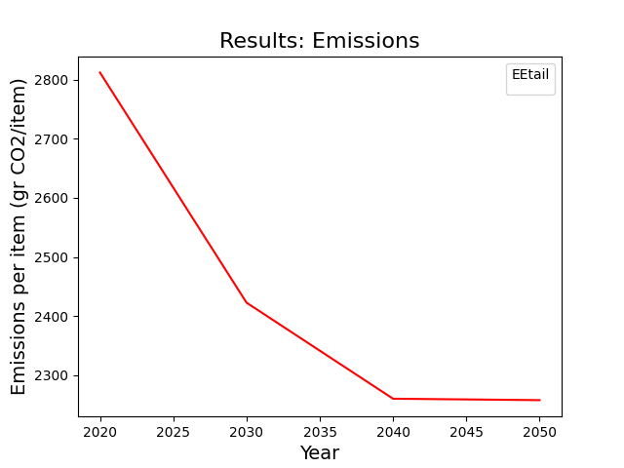
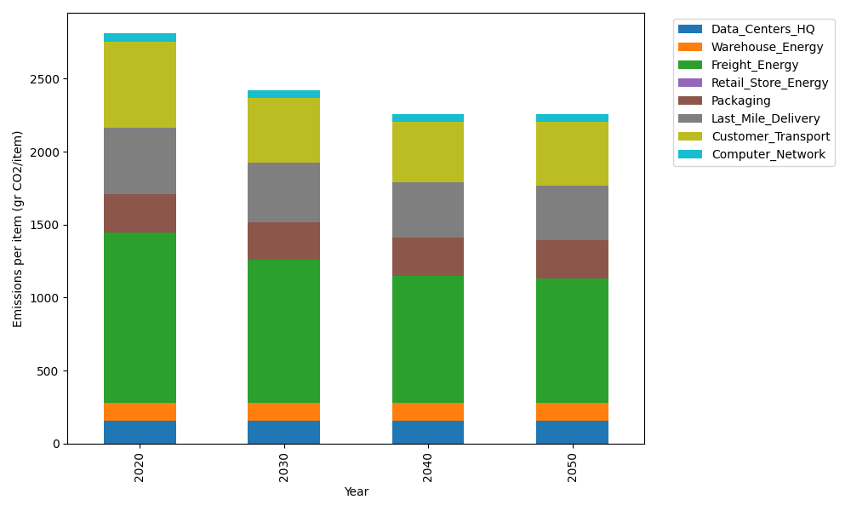
Years | Data_Centers_HQ | Warehouse_Energy | Freight_Energy | Retail_Store_Energy | Packaging | Last_Mile_Delivery | Customer_Transport | Computer_Network | Total
2020 | 157.73612384 | 118.6161301 | 1171.3754945 | 0 | 259.06707291 | 454.78613966 | 595.04031001 | 55.083386689 | 2811.7046577
2030 | 157.73612384 | 118.6161301 | 983.46214891 | 0 | 259.06707291 | 403.43931933 | 445.34058073 | 55.083386689 | 2422.7447625
2040 | 157.73612384 | 118.6161301 | 873.70312775 | 0 | 259.06707291 | 379.69103341 | 416.47154764 | 55.083386689 | 2260.3684223
2050 | 157.73612384 | 118.6161301 | 855.87374767 | 0 | 259.06707291 | 376.1687808 | 435.40742764 | 55.083386689 | 2257.9526696

