Energy_item
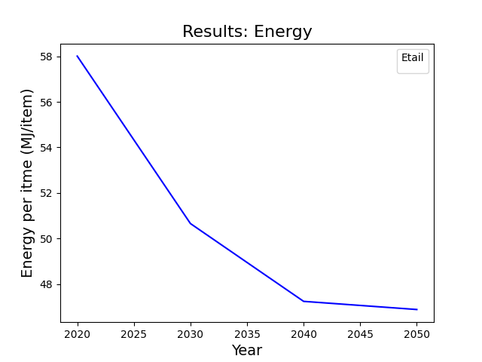
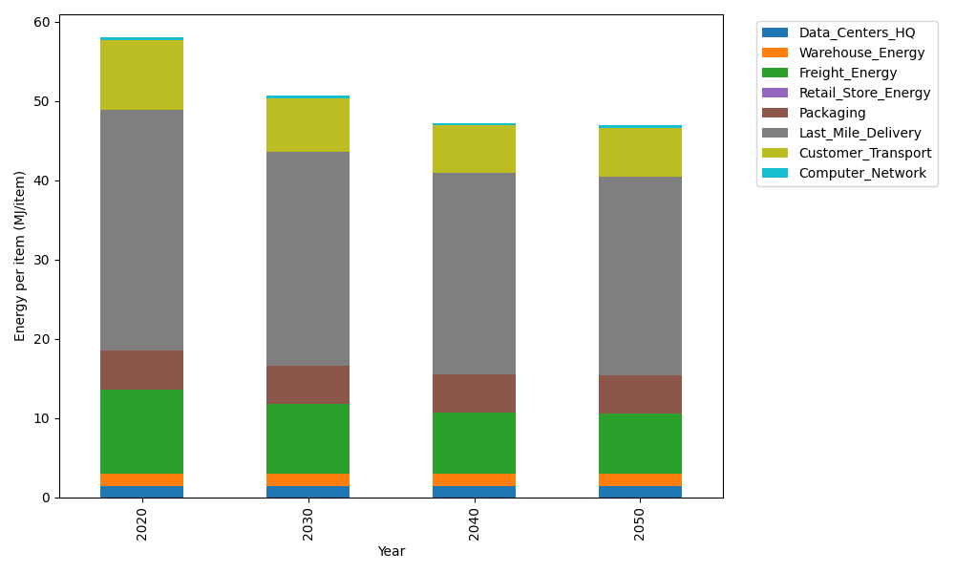
Years | Data_Centers_HQ | Warehouse_Energy | Freight_Energy | Retail_Store_Energy | Packaging | Last_Mile_Delivery | Customer_Transport | Computer_Network | Total
2020 | 1.3707219138 | 1.548 | 10.695533293 | 0 | 4.8467995113 | 30.392369475 | 8.8275069283 | 0.32656171373 | 58.007492836
2030 | 1.3707219138 | 1.548 | 8.8455363739 | 0 | 4.8467995113 | 26.954164511 | 6.7627068155 | 0.32656171373 | 50.654490839
2040 | 1.3707219138 | 1.548 | 7.7649646325 | 0 | 4.8467995113 | 25.406280415 | 5.9739017546 | 0.32656171373 | 47.237229941
2050 | 1.3707219138 | 1.548 | 7.5894353313 | 0 | 4.8467995113 | 25.133996313 | 6.0636515632 | 0.32656171373 | 46.879166346

CO2_item
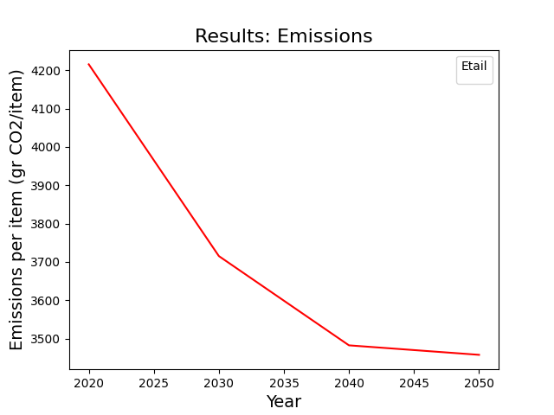
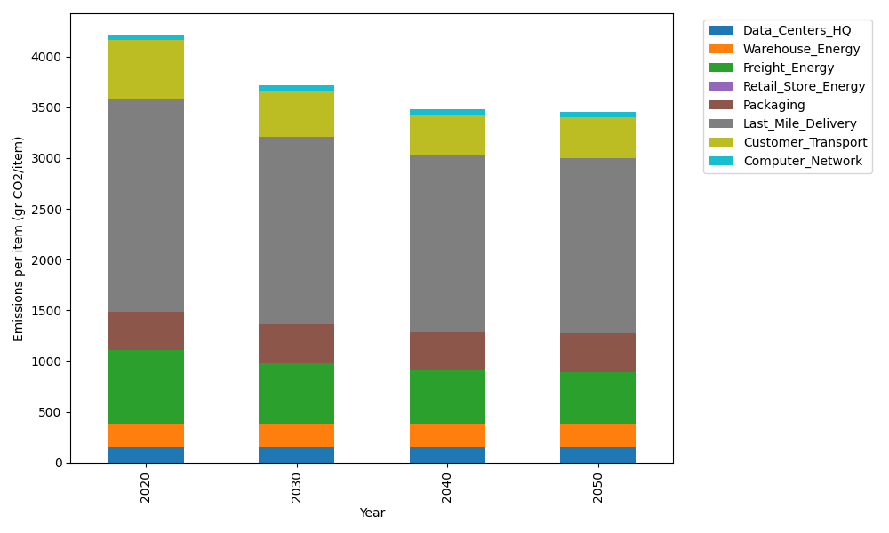
Years | Data_Centers_HQ | Warehouse_Energy | Freight_Energy | Retail_Store_Energy | Packaging | Last_Mile_Delivery | Customer_Transport | Computer_Network | Total
2020 | 157.73612384 | 220.80520494 | 728.40985044 | 0 | 379.96504026 | 2086.227307 | 587.41996388 | 55.083386689 | 4215.646877
2030 | 157.73612384 | 220.80520494 | 601.42027517 | 0 | 379.96504026 | 1850.2181636 | 450.01935717 | 55.083386689 | 3715.2475517
2040 | 157.73612384 | 220.80520494 | 527.24645086 | 0 | 379.96504026 | 1743.9665576 | 397.52890385 | 55.083386689 | 3482.331668
2050 | 157.73612384 | 220.80520494 | 515.19757058 | 0 | 379.96504026 | 1725.2761251 | 403.50123893 | 55.083386689 | 3457.5646904

