Energy_item
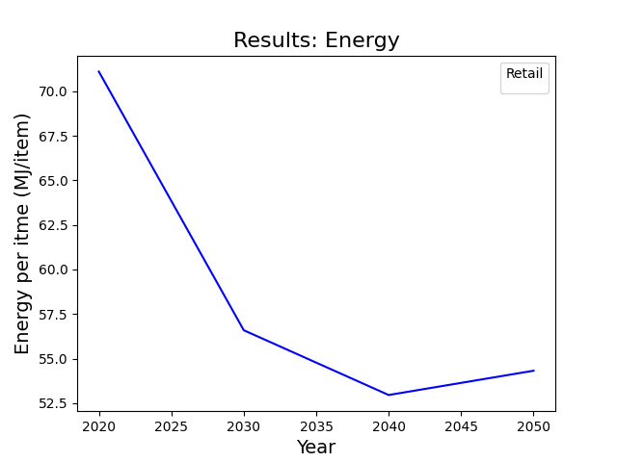
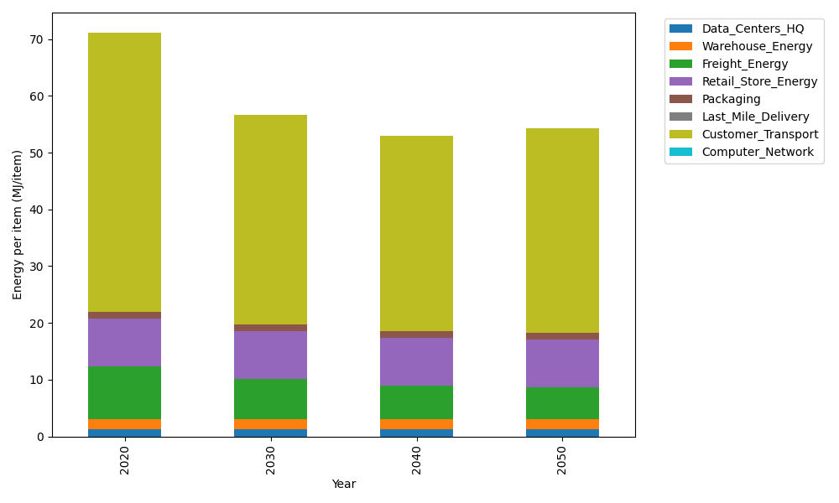
Years | Data_Centers_HQ | Warehouse_Energy | Freight_Energy | Retail_Store_Energy | Packaging | Last_Mile_Delivery | Customer_Transport | Computer_Network | Total
2020 | 1.2172633253 | 1.84 | 9.2321019949 | 8.415 | 1.2147367196 | 0 | 49.18112305 | 0 | 71.10022509
2030 | 1.2172633253 | 1.84 | 7.0953402871 | 8.415 | 1.2147367196 | 0 | 36.808178424 | 0 | 56.590518756
2040 | 1.2172633253 | 1.84 | 5.847271009 | 8.415 | 1.2147367196 | 0 | 34.422102313 | 0 | 52.956373367
2050 | 1.2172633253 | 1.84 | 5.6445332178 | 8.415 | 1.2147367196 | 0 | 35.987185936 | 0 | 54.318719199

CO2_item
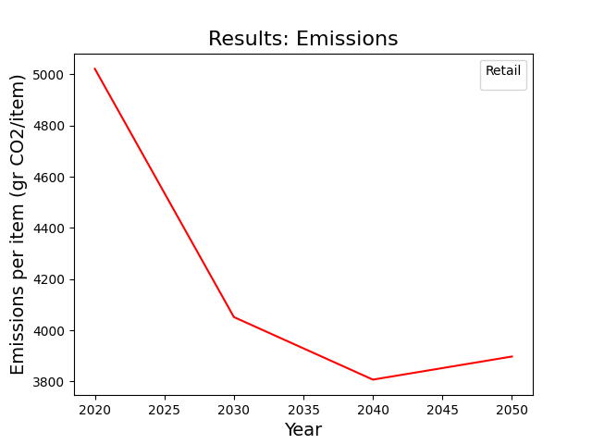
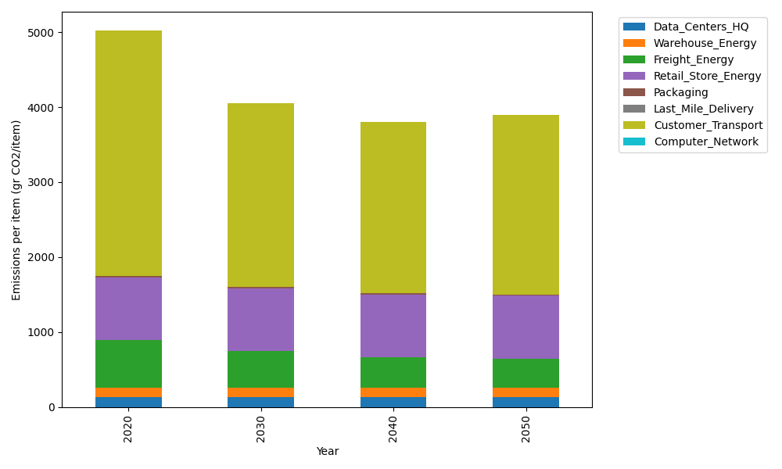
Years | Data_Centers_HQ | Warehouse_Energy | Freight_Energy | Retail_Store_Energy | Packaging | Last_Mile_Delivery | Customer_Transport | Computer_Network | Total
2020 | 137.48834654 | 120.73500736 | 633.72035859 | 839.18807354 | 17.990768952 | 0 | 3272.7217051 | 0 | 5021.8442601
2030 | 137.48834654 | 120.73500736 | 487.04635126 | 839.18807354 | 17.990768952 | 0 | 2449.373194 | 0 | 4051.8217417
2040 | 137.48834654 | 120.73500736 | 401.3749721 | 839.18807354 | 17.990768952 | 0 | 2290.593512 | 0 | 3807.3706805
2050 | 137.48834654 | 120.73500736 | 387.45841595 | 839.18807354 | 17.990768952 | 0 | 2394.740852 | 0 | 3897.6014644

