Energy_item
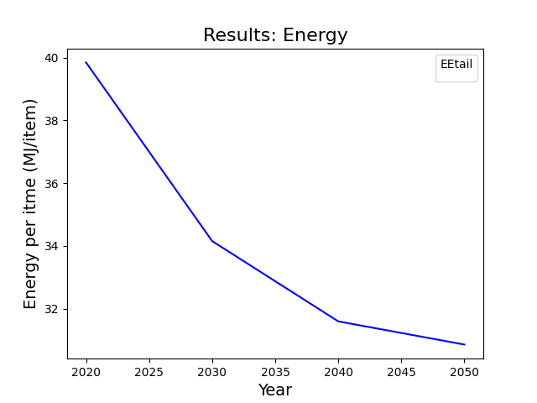
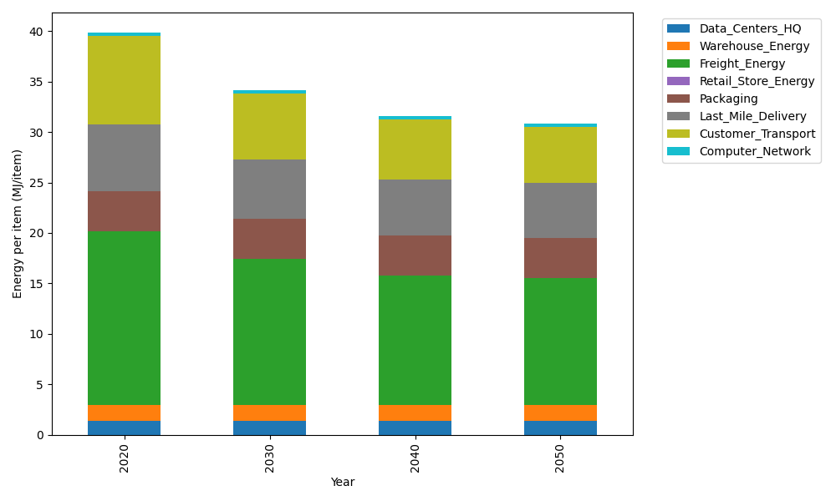
Years | Data_Centers_HQ | Warehouse_Energy | Freight_Energy | Retail_Store_Energy | Packaging | Last_Mile_Delivery | Customer_Transport | Computer_Network | Total
2020 | 1.3707219138 | 1.548 | 17.232686645 | 0 | 3.966722758 | 6.6299234669 | 8.7706911292 | 0.32656171373 | 39.845307627
2030 | 1.3707219138 | 1.548 | 14.495146106 | 0 | 3.966722758 | 5.8809479875 | 6.5638674531 | 0.32656171373 | 34.151967932
2040 | 1.3707219138 | 1.548 | 12.896165634 | 0 | 3.966722758 | 5.5327469063 | 5.9526305233 | 0.32656171373 | 31.593549449
2050 | 1.3707219138 | 1.548 | 12.636425429 | 0 | 3.966722758 | 5.4804637443 | 5.5254350308 | 0.32656171373 | 30.85433059

CO2_item
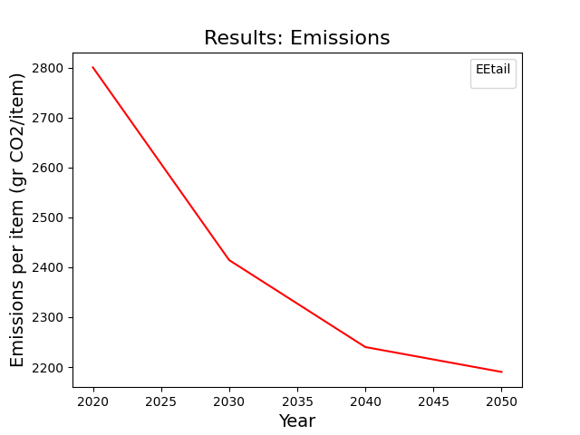
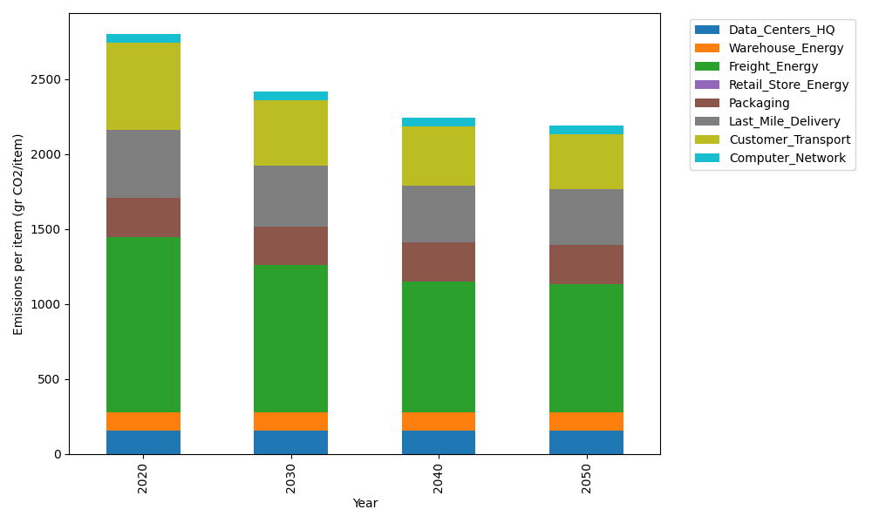
Years | Data_Centers_HQ | Warehouse_Energy | Freight_Energy | Retail_Store_Energy | Packaging | Last_Mile_Delivery | Customer_Transport | Computer_Network | Total
2020 | 157.73612384 | 118.6161301 | 1171.3754945 | 0 | 259.06707291 | 455.09868491 | 583.63919827 | 55.083386689 | 2800.6160912
2030 | 157.73612384 | 118.6161301 | 983.46214891 | 0 | 259.06707291 | 403.68666524 | 436.78773787 | 55.083386689 | 2414.4392656
2040 | 157.73612384 | 118.6161301 | 873.70312775 | 0 | 259.06707291 | 379.78505387 | 396.11342539 | 55.083386689 | 2240.1043205
2050 | 157.73612384 | 118.6161301 | 855.87374767 | 0 | 259.06707291 | 376.19617409 | 367.68601515 | 55.083386689 | 2190.2586505

