Energy_item
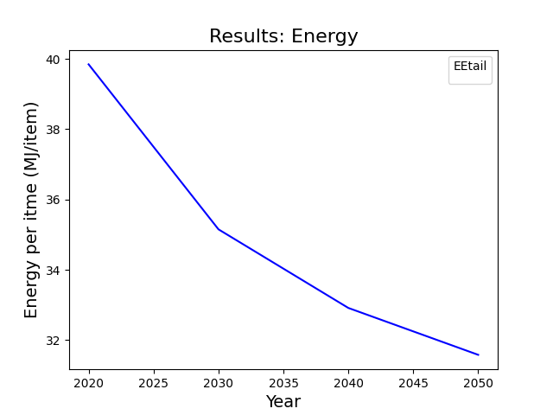
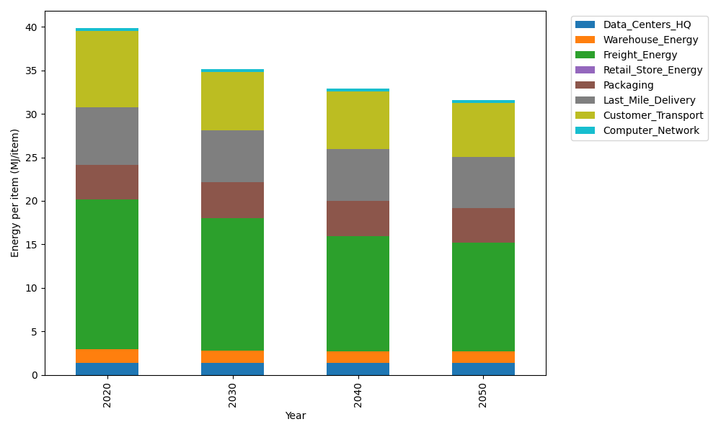
Years | Data_Centers_HQ | Warehouse_Energy | Freight_Energy | Retail_Store_Energy | Packaging | Last_Mile_Delivery | Customer_Transport | Computer_Network | Total
2020 | 1.3707219138 | 1.548 | 17.232686645 | 0 | 3.966722758 | 6.6299234669 | 8.7706911292 | 0.32656171373 | 39.845307627
2030 | 1.3707219138 | 1.42416 | 15.21887269 | 0 | 4.1650588959 | 5.8884173468 | 6.7565236153 | 0.32656171373 | 35.150316175
2040 | 1.3707219138 | 1.36224 | 13.24996524 | 0 | 4.0460572131 | 5.9192530271 | 6.6389151491 | 0.32656171373 | 32.913714257
2050 | 1.3707219138 | 1.30032 | 12.521955455 | 0 | 3.966722758 | 5.851345707 | 6.2423027932 | 0.32656171373 | 31.57993034

CO2_item
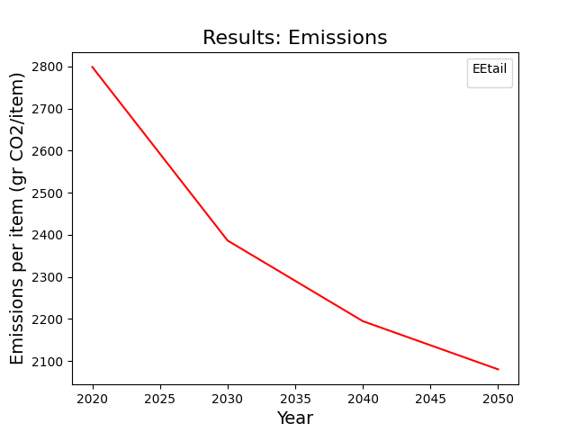
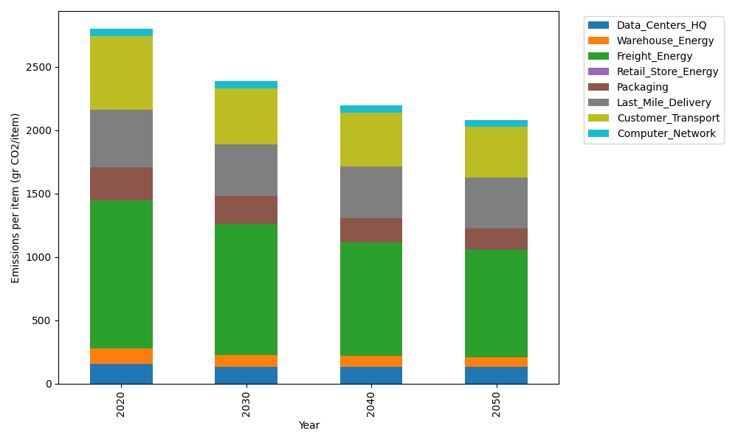
Years | Data_Centers_HQ | Warehouse_Energy | Freight_Energy | Retail_Store_Energy | Packaging | Last_Mile_Delivery | Customer_Transport | Computer_Network | Total
2020 | 157.73612384 | 118.6161301 | 1171.3754945 | 0 | 259.06707291 | 455.09868491 | 581.94664459 | 55.083386689 | 2798.9235375
2030 | 134.32922835 | 92.52058148 | 1033.1669153 | 0 | 222.7976827 | 403.91644586 | 444.61725296 | 55.083386689 | 2386.4314933
2040 | 133.09728648 | 84.217452373 | 898.54572913 | 0 | 189.11896322 | 405.78783212 | 428.92588328 | 55.083386689 | 2194.7765333
2050 | 129.40146088 | 78.286645868 | 848.84237649 | 0 | 168.39359739 | 400.89152824 | 399.31388193 | 55.083386689 | 2080.2128775

