Energy_item
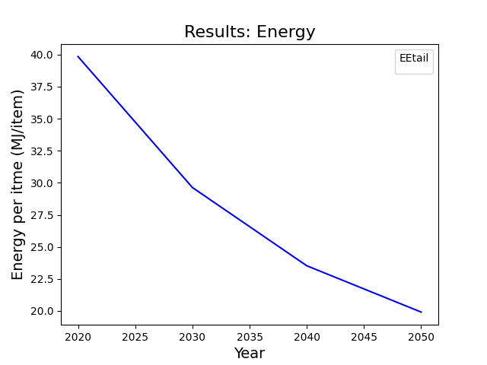
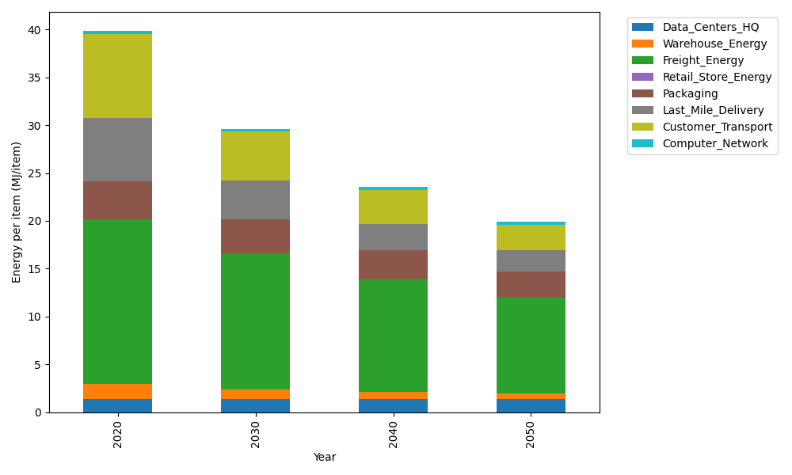
Years | Data_Centers_HQ | Warehouse_Energy | Freight_Energy | Retail_Store_Energy | Packaging | Last_Mile_Delivery | Customer_Transport | Computer_Network | Total
2020 | 1.3707219138 | 1.548 | 17.232686645 | 0 | 3.966722758 | 6.6299234669 | 8.7706911292 | 0.32656171373 | 39.845307627
2030 | 1.3707219138 | 0.99072 | 14.276490923 | 0 | 3.5303832546 | 4.0410157928 | 5.0960220487 | 0.32656171373 | 29.631915646
2040 | 1.3707219138 | 0.774 | 11.703050765 | 0 | 3.0543765236 | 2.797935575 | 3.500921254 | 0.32656171373 | 23.527567745
2050 | 1.3707219138 | 0.60372 | 9.9992616876 | 0 | 2.6973714754 | 2.2422956433 | 2.6744329267 | 0.32656171373 | 19.914365361

CO2_item
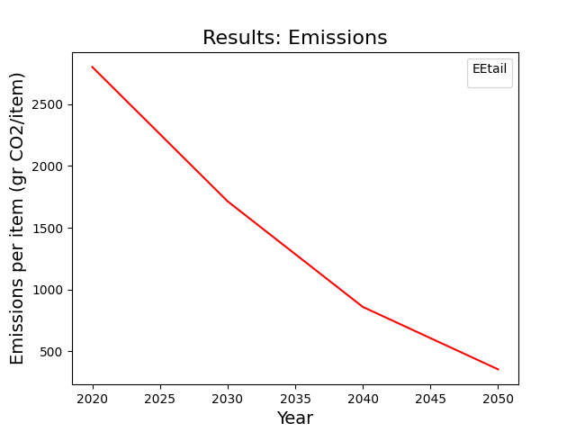
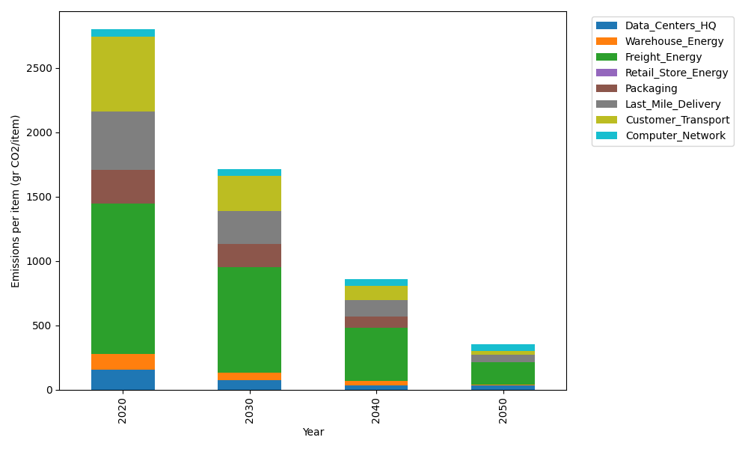
Years | Data_Centers_HQ | Warehouse_Energy | Freight_Energy | Retail_Store_Energy | Packaging | Last_Mile_Delivery | Customer_Transport | Computer_Network | Total
2020 | 157.73612384 | 118.6161301 | 1171.3754945 | 0 | 259.06707291 | 455.09868491 | 583.63919827 | 55.083386689 | 2800.6160912
2030 | 71.737141217 | 61.680387654 | 820.50894137 | 0 | 178.75628031 | 255.19692703 | 271.28883496 | 55.083386689 | 1714.2518992
2040 | 34.541937055 | 35.584839031 | 411.12383791 | 0 | 88.082804789 | 125.79867756 | 109.49412955 | 55.083386689 | 859.70961258
2050 | 34.541937055 | 2.3723226021 | 174.56440135 | 0 | 0 | 63.106456576 | 24.915544427 | 55.083386689 | 354.58404869

