Energy_item
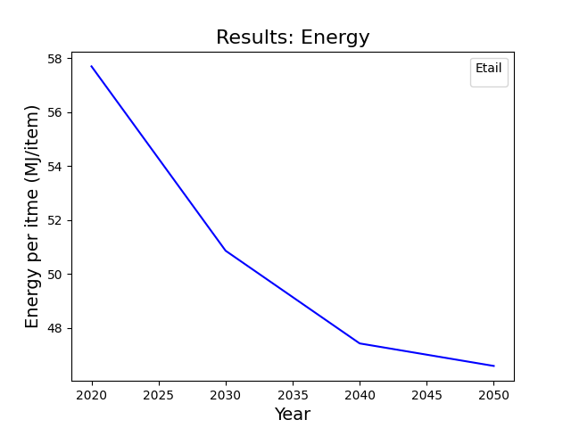
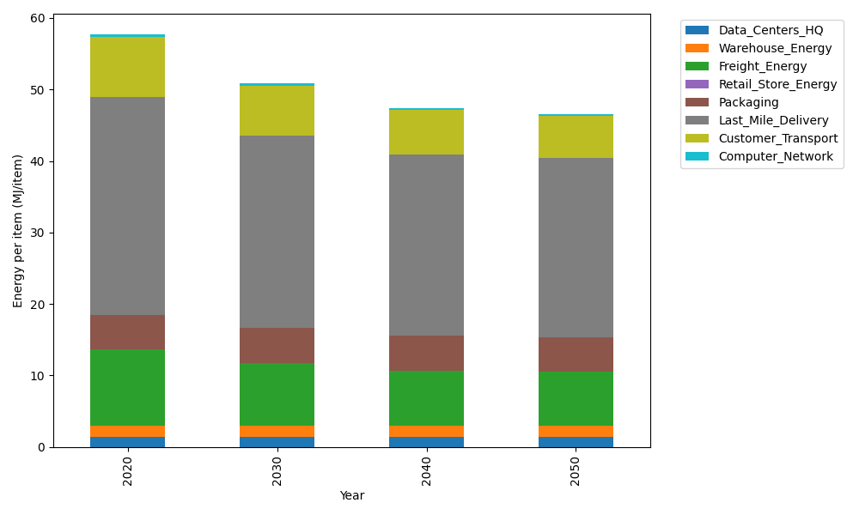
Years | Data_Centers_HQ | Warehouse_Energy | Freight_Energy | Retail_Store_Energy | Packaging | Last_Mile_Delivery | Customer_Transport | Computer_Network | Total
2020 | 1.3707219138 | 1.548 | 10.695533293 | 0 | 4.8467995113 | 30.431814115 | 8.4854818402 | 0.32656171373 | 57.704912388
2030 | 1.3707219138 | 1.548 | 8.8455363739 | 0 | 4.8467995113 | 26.957271082 | 6.9665024764 | 0.32656171373 | 50.861393071
2040 | 1.3707219138 | 1.548 | 7.7649646325 | 0 | 4.8467995113 | 25.40583537 | 6.1574910083 | 0.32656171373 | 47.42037415
2050 | 1.3707219138 | 1.548 | 7.5894353313 | 0 | 4.8467995113 | 25.125444588 | 5.7776086926 | 0.32656171373 | 46.584571751

CO2_item
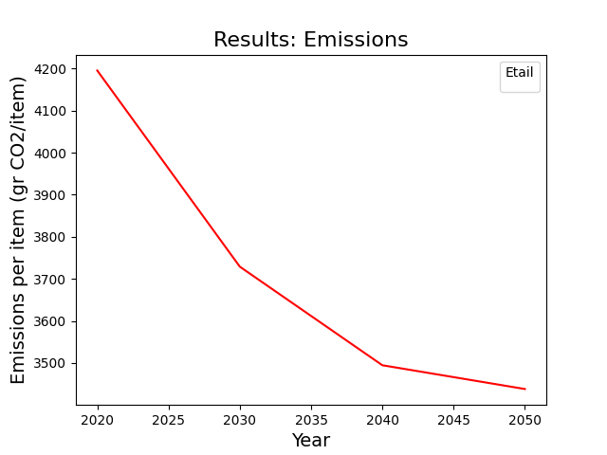
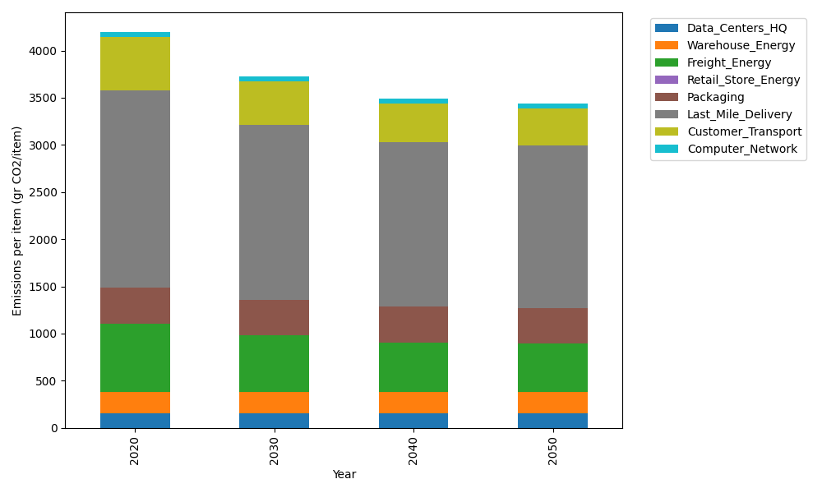
Years | Data_Centers_HQ | Warehouse_Energy | Freight_Energy | Retail_Store_Energy | Packaging | Last_Mile_Delivery | Customer_Transport | Computer_Network | Total
2020 | 157.73612384 | 220.80520494 | 728.40985044 | 0 | 379.96504026 | 2088.9349104 | 564.66015565 | 55.083386689 | 4195.5946723
2030 | 157.73612384 | 220.80520494 | 601.42027517 | 0 | 379.96504026 | 1850.4314084 | 463.58078972 | 55.083386689 | 3729.022229
2040 | 157.73612384 | 220.80520494 | 527.24645086 | 0 | 379.96504026 | 1743.9360083 | 409.74571587 | 55.083386689 | 3494.5179308
2050 | 157.73612384 | 220.80520494 | 515.19757058 | 0 | 379.96504026 | 1724.6891079 | 384.46672623 | 55.083386689 | 3437.9431605

