Energy_item
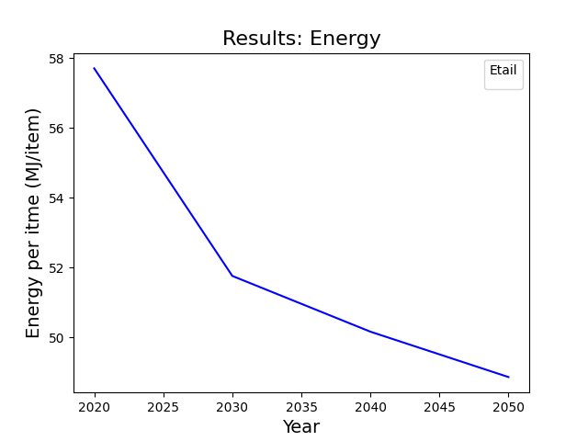
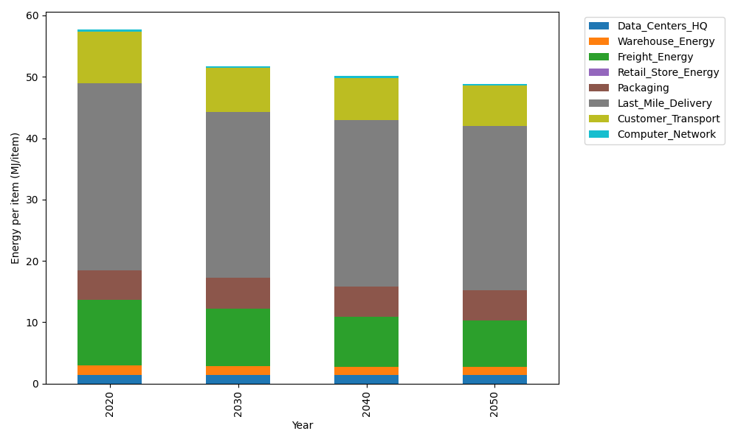
Years | Data_Centers_HQ | Warehouse_Energy | Freight_Energy | Retail_Store_Energy | Packaging | Last_Mile_Delivery | Customer_Transport | Computer_Network | Total
2020 | 1.3707219138 | 1.548 | 10.695533293 | 0 | 4.8467995113 | 30.431814115 | 8.4854818402 | 0.32656171373 | 57.704912388
2030 | 1.3707219138 | 1.42416 | 9.3851678668 | 0 | 5.0891394869 | 26.991509362 | 7.1709763846 | 0.32656171373 | 51.758236727
2040 | 1.3707219138 | 1.36224 | 8.1099002595 | 0 | 4.9437355016 | 27.180633864 | 6.8673942008 | 0.32656171373 | 50.161187453
2050 | 1.3707219138 | 1.30032 | 7.66390528 | 0 | 4.8467995113 | 26.825770443 | 6.5271933665 | 0.32656171373 | 48.861272228

CO2_item
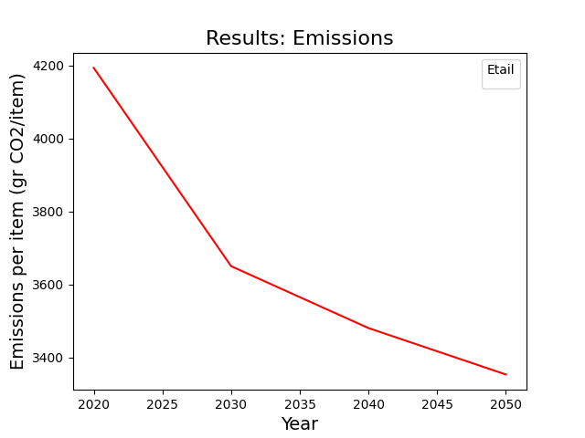
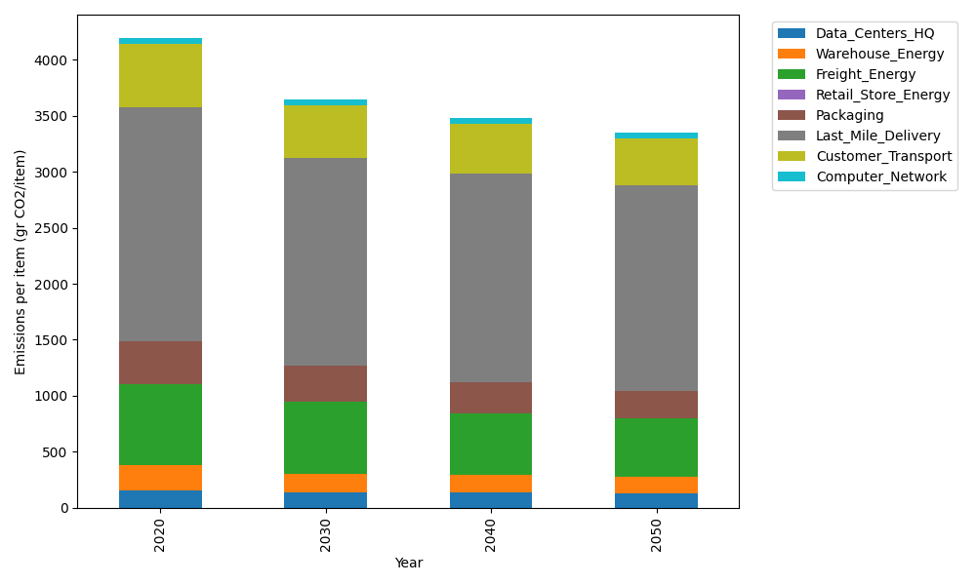
Years | Data_Centers_HQ | Warehouse_Energy | Freight_Energy | Retail_Store_Energy | Packaging | Last_Mile_Delivery | Customer_Transport | Computer_Network | Total
2020 | 157.73612384 | 220.80520494 | 728.40985044 | 0 | 379.96504026 | 2088.9349104 | 563.02264119 | 55.083386689 | 4193.9571578
2030 | 134.32922835 | 172.22805986 | 638.38989948 | 0 | 326.76993463 | 1851.4846839 | 471.89057608 | 55.083386689 | 3650.1757689
2040 | 133.09728648 | 156.77169551 | 551.07994084 | 0 | 277.37447939 | 1863.3382355 | 443.68741839 | 55.083386689 | 3480.4324428
2050 | 129.40146088 | 145.73143526 | 520.54918136 | 0 | 246.97727617 | 1837.9061241 | 417.53804768 | 55.083386689 | 3353.1869121

