Energy_item
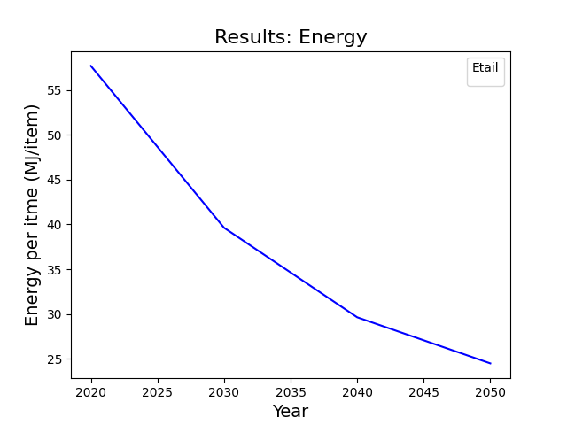
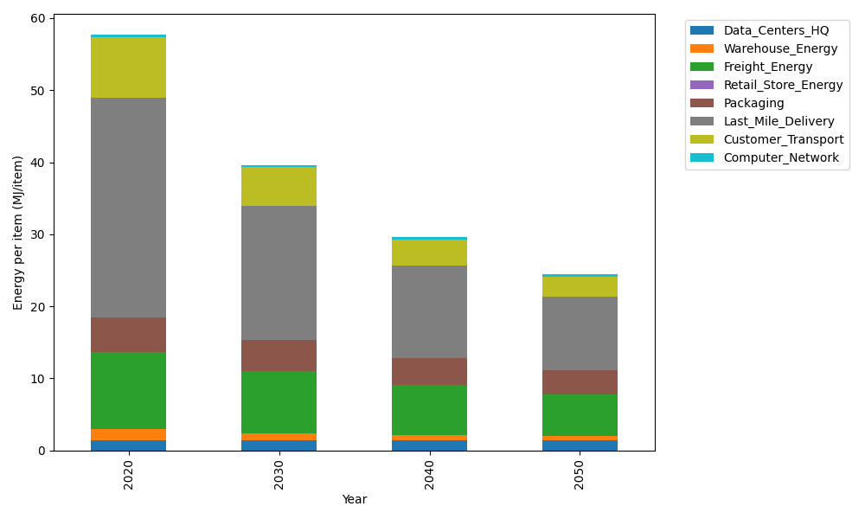
Years | Data_Centers_HQ | Warehouse_Energy | Freight_Energy | Retail_Store_Energy | Packaging | Last_Mile_Delivery | Customer_Transport | Computer_Network | Total
2020 | 1.3707219138 | 1.548 | 10.695533293 | 0 | 4.8467995113 | 30.431814115 | 8.4854818402 | 0.32656171373 | 57.704912388
2030 | 1.3707219138 | 0.99072 | 8.697771835 | 0 | 4.3136515651 | 18.523333042 | 5.4086177814 | 0.32656171373 | 39.631377851
2040 | 1.3707219138 | 0.774 | 6.958671977 | 0 | 3.7320356237 | 12.847847877 | 3.6214058739 | 0.32656171373 | 29.631244979
2050 | 1.3707219138 | 0.60372 | 5.8072718426 | 0 | 3.2958236677 | 10.279910161 | 2.7964905639 | 0.32656171373 | 24.480499863

CO2_item
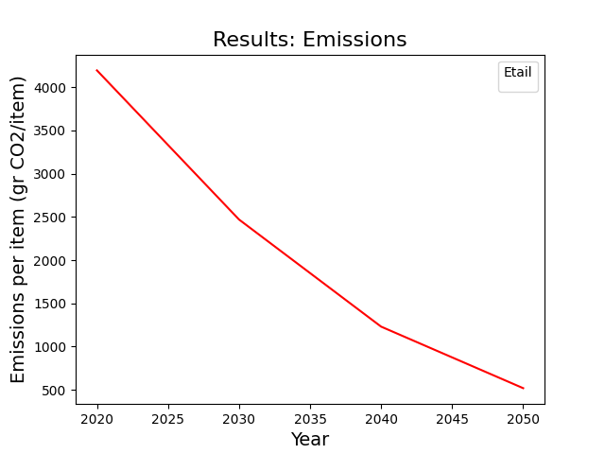
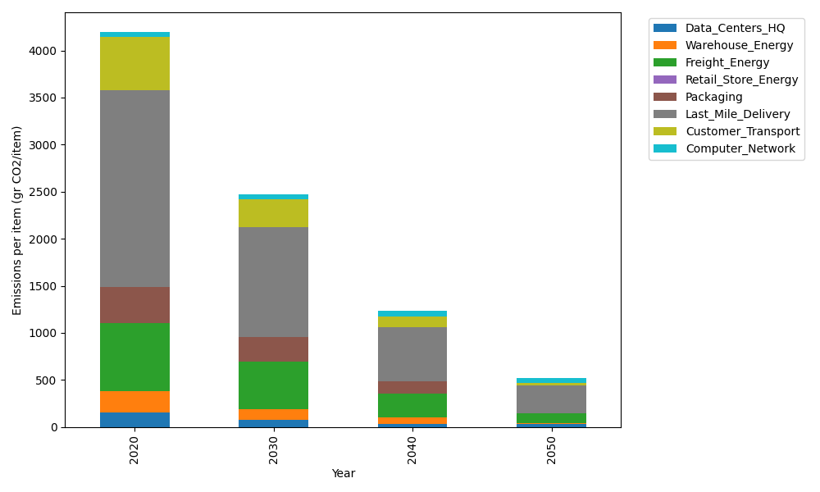
Years | Data_Centers_HQ | Warehouse_Energy | Freight_Energy | Retail_Store_Energy | Packaging | Last_Mile_Delivery | Customer_Transport | Computer_Network | Total
2020 | 157.73612384 | 220.80520494 | 728.40985044 | 0 | 379.96504026 | 2088.9349104 | 564.66015565 | 55.083386689 | 4195.5946723
2030 | 71.737141217 | 114.81870657 | 508.74117764 | 0 | 262.17587778 | 1169.7795587 | 287.92999769 | 55.083386689 | 2470.2658462
2040 | 34.541937055 | 66.241561483 | 255.34061246 | 0 | 129.18811369 | 577.65528514 | 113.26238299 | 55.083386689 | 1231.3132795
2050 | 34.541937055 | 4.4161040989 | 110.01219249 | 0 | 0 | 289.31452735 | 26.052657439 | 55.083386689 | 519.42080512

