Energy_item
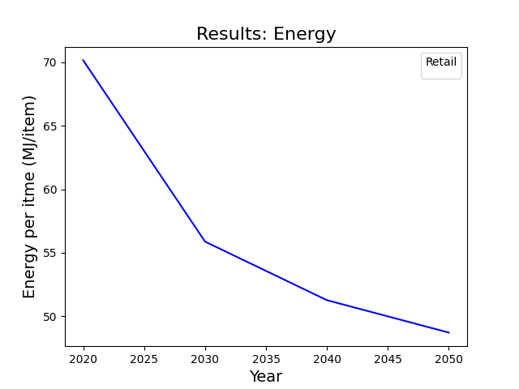
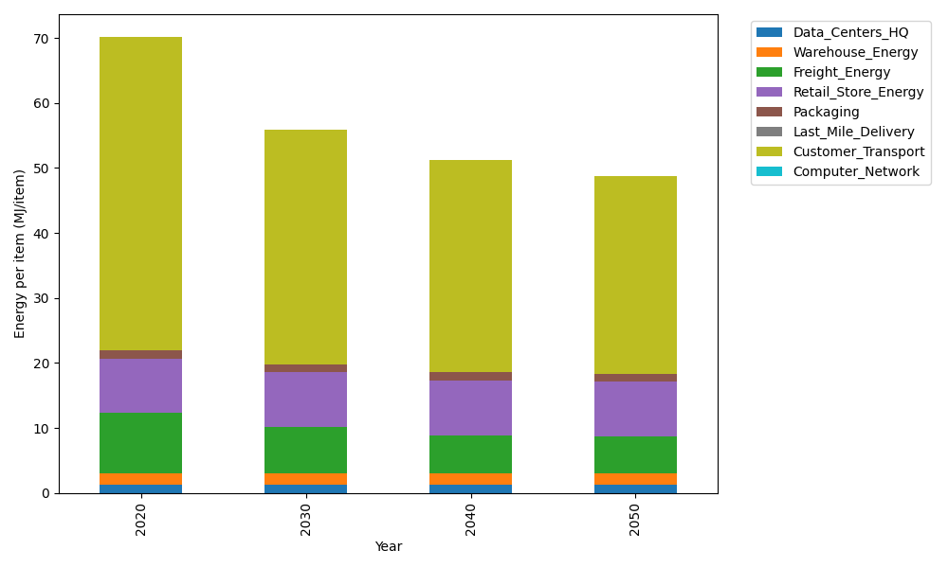
Years | Data_Centers_HQ | Warehouse_Energy | Freight_Energy | Retail_Store_Energy | Packaging | Last_Mile_Delivery | Customer_Transport | Computer_Network | Total
2020 | 1.2172633253 | 1.84 | 9.2321019949 | 8.415 | 1.2147367196 | 0 | 48.238801211 | 0 | 70.15790325
2030 | 1.2172633253 | 1.84 | 7.0953402871 | 8.415 | 1.2147367196 | 0 | 36.101270992 | 0 | 55.883611324
2040 | 1.2172633253 | 1.84 | 5.847271009 | 8.415 | 1.2147367196 | 0 | 32.739467878 | 0 | 51.273738932
2050 | 1.2172633253 | 1.84 | 5.6445332178 | 8.415 | 1.2147367196 | 0 | 30.389892669 | 0 | 48.721425932

CO2_item
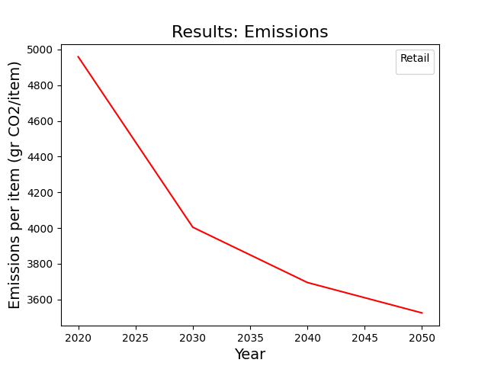
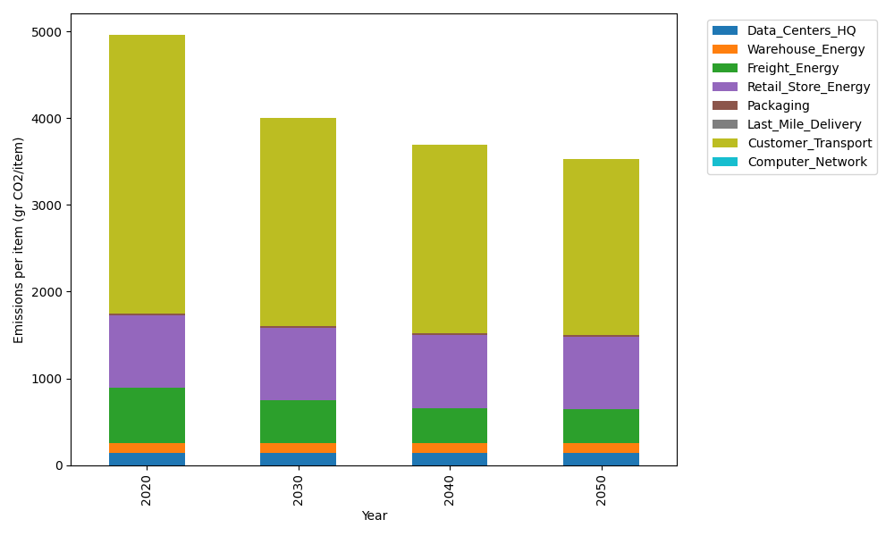
Years | Data_Centers_HQ | Warehouse_Energy | Freight_Energy | Retail_Store_Energy | Packaging | Last_Mile_Delivery | Customer_Transport | Computer_Network | Total
2020 | 137.48834654 | 120.73500736 | 633.72035859 | 839.18807354 | 17.990768952 | 0 | 3210.0155905 | 0 | 4959.1381455
2030 | 137.48834654 | 120.73500736 | 487.04635126 | 839.18807354 | 17.990768952 | 0 | 2402.3325583 | 0 | 4004.7811059
2040 | 137.48834654 | 120.73500736 | 401.3749721 | 839.18807354 | 17.990768952 | 0 | 2178.6238396 | 0 | 3695.4010081
2050 | 137.48834654 | 120.73500736 | 387.45841595 | 839.18807354 | 17.990768952 | 0 | 2022.2730834 | 0 | 3525.1336957

