Energy_item
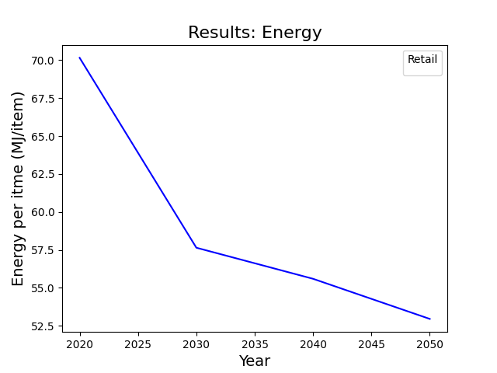
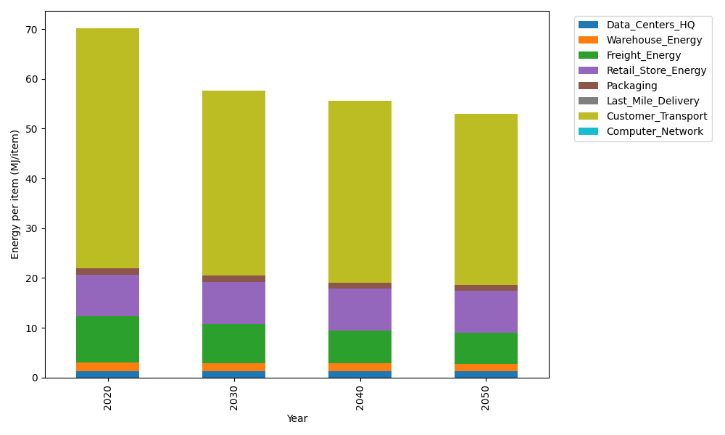
Years | Data_Centers_HQ | Warehouse_Energy | Freight_Energy | Retail_Store_Energy | Packaging | Last_Mile_Delivery | Customer_Transport | Computer_Network | Total
2020 | 1.2172633253 | 1.84 | 9.2321019949 | 8.415 | 1.2147367196 | 0 | 48.238801211 | 0 | 70.15790325
2030 | 1.2172633253 | 1.6928 | 7.8846737223 | 8.415 | 1.2754735556 | 0 | 37.160879884 | 0 | 57.646090487
2040 | 1.2172633253 | 1.6192 | 6.5933903565 | 8.415 | 1.239031454 | 0 | 36.51403332 | 0 | 55.597918456
2050 | 1.2172633253 | 1.5456 | 6.2293347122 | 8.415 | 1.2147367196 | 0 | 34.332665363 | 0 | 52.95460012

CO2_item
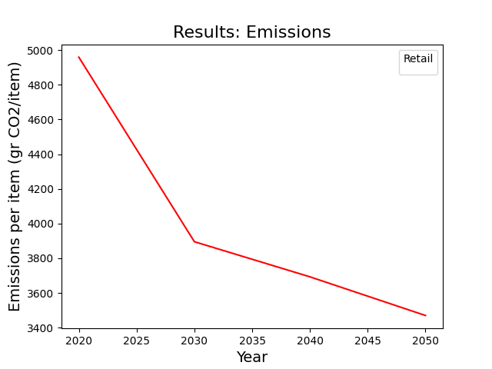
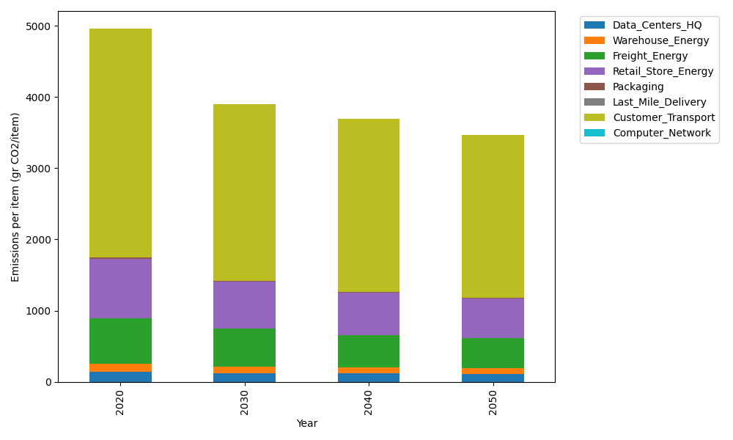
Years | Data_Centers_HQ | Warehouse_Energy | Freight_Energy | Retail_Store_Energy | Packaging | Last_Mile_Delivery | Customer_Transport | Computer_Network | Total
2020 | 137.48834654 | 120.73500736 | 633.72035859 | 839.18807354 | 17.990768952 | 0 | 3210.0155905 | 0 | 4959.1381455
2030 | 117.38161473 | 94.173305739 | 540.84980719 | 654.56669736 | 15.472061299 | 0 | 2472.8434536 | 0 | 3895.2869399
2040 | 116.32336569 | 85.721855224 | 452.04782882 | 595.82353221 | 13.133261335 | 0 | 2429.7995242 | 0 | 3692.8493675
2050 | 113.14861856 | 79.685104856 | 426.83133794 | 553.86412854 | 11.693999819 | 0 | 2284.6419959 | 0 | 3469.8651856

