Energy_item
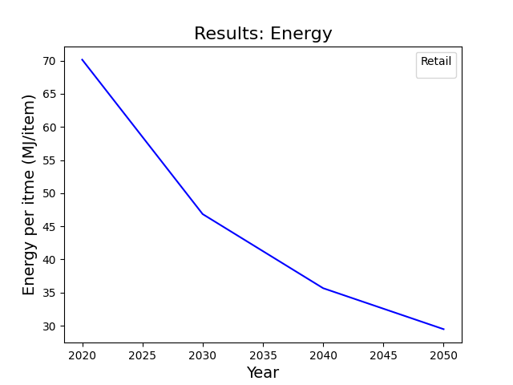
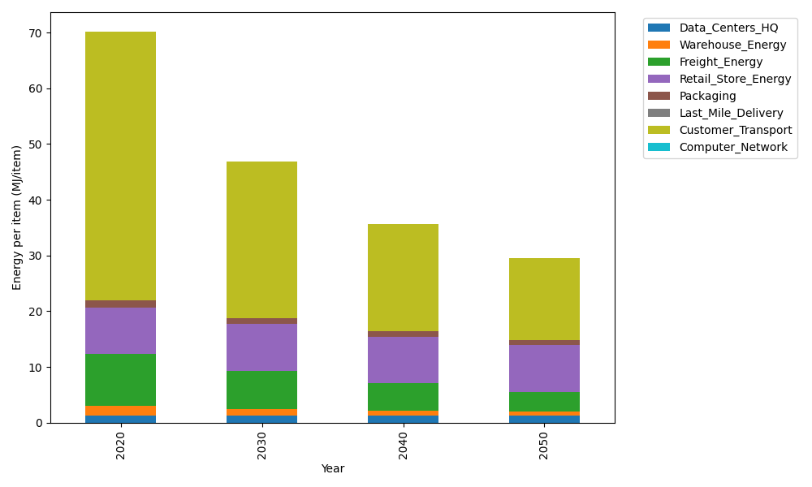
Years | Data_Centers_HQ | Warehouse_Energy | Freight_Energy | Retail_Store_Energy | Packaging | Last_Mile_Delivery | Customer_Transport | Computer_Network | Total
2020 | 1.2172633253 | 1.84 | 9.2321019949 | 8.415 | 1.2147367196 | 0 | 48.238801211 | 0 | 70.15790325
2030 | 1.2172633253 | 1.1776 | 6.9246710254 | 8.415 | 1.0811156805 | 0 | 28.028121268 | 0 | 46.843771299
2040 | 1.2172633253 | 0.92 | 4.9159963385 | 8.415 | 0.93534727412 | 0 | 19.255066897 | 0 | 35.658673835
2050 | 1.2172633253 | 0.7176 | 3.5861196821 | 8.415 | 0.82602096935 | 0 | 14.709381097 | 0 | 29.471385074

CO2_item
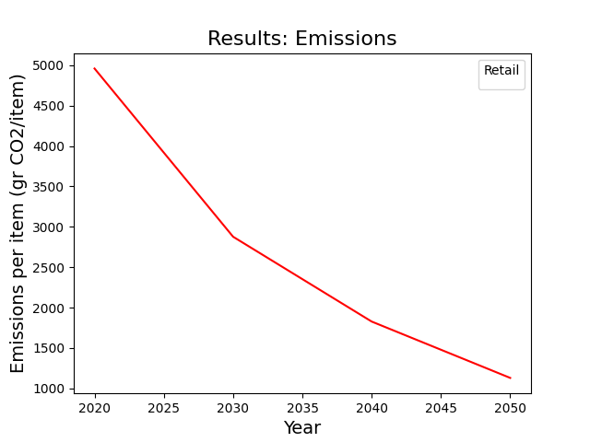
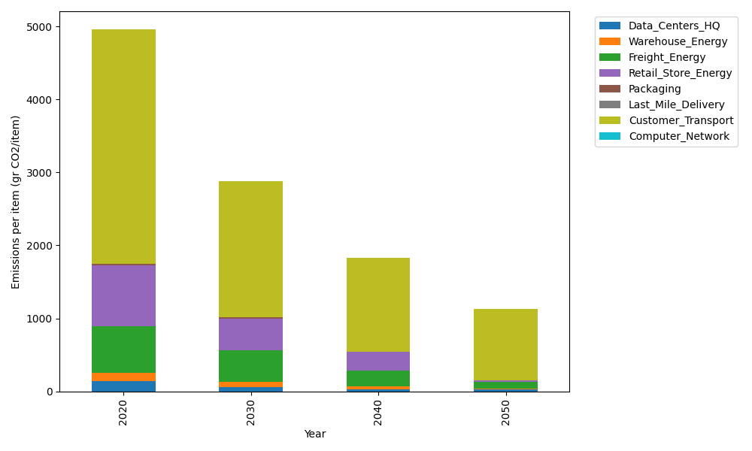
Years | Data_Centers_HQ | Warehouse_Energy | Freight_Energy | Retail_Store_Energy | Packaging | Last_Mile_Delivery | Customer_Transport | Computer_Network | Total
2020 | 137.48834654 | 120.73500736 | 633.72035859 | 839.18807354 | 17.990768952 | 0 | 3210.0155905 | 0 | 4959.1381455
2030 | 63.614454124 | 62.782203826 | 437.30459295 | 436.37779824 | 12.413630577 | 0 | 1865.1107404 | 0 | 2877.6034201
2040 | 31.6634423 | 36.220502207 | 221.02933455 | 251.75642206 | 6.1168614437 | 0 | 1281.3142819 | 0 | 1828.1008445
2050 | 31.6634423 | 2.4147001471 | 100.92661361 | 16.783761471 | 0 | 0 | 978.82495962 | 0 | 1130.6134771

