Energy_item
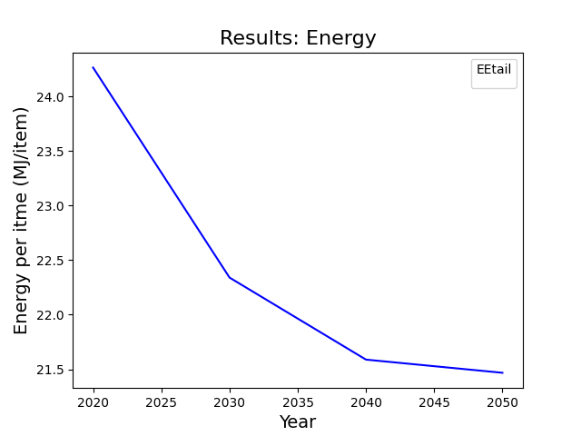
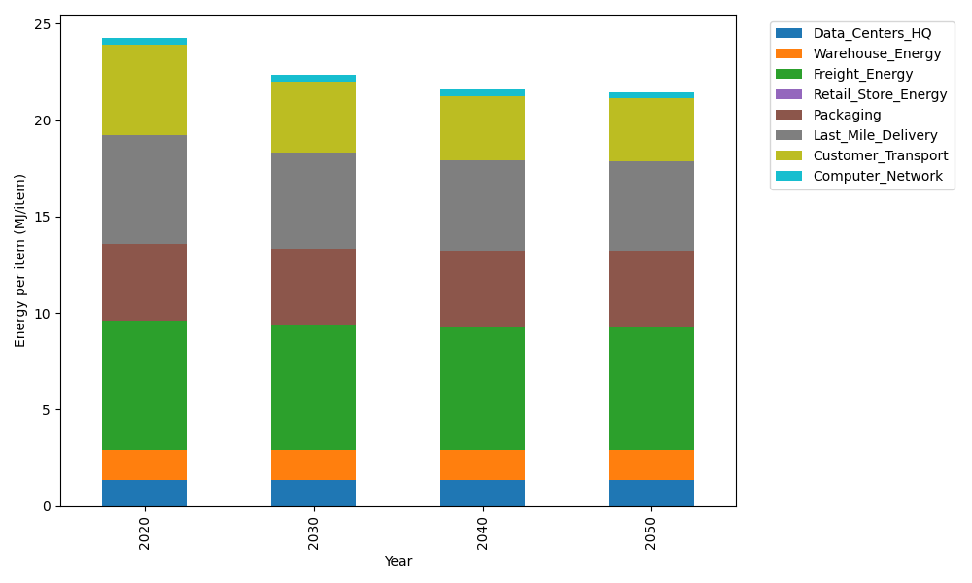
Years | Data_Centers_HQ | Warehouse_Energy | Freight_Energy | Retail_Store_Energy | Packaging | Last_Mile_Delivery | Customer_Transport | Computer_Network | Total
2020 | 1.3707219138 | 1.548 | 6.6945450725 | 0 | 3.966722758 | 5.6281643293 | 4.7285977388 | 0.32656171373 | 24.263313526
2030 | 1.3707219138 | 1.548 | 6.470419892 | 0 | 3.966722758 | 4.9844115727 | 3.6733283024 | 0.32656171373 | 22.340166153
2040 | 1.3707219138 | 1.548 | 6.3564313839 | 0 | 3.966722758 | 4.6842011883 | 3.3362881034 | 0.32656171373 | 21.588927061
2050 | 1.3707219138 | 1.548 | 6.3333599107 | 0 | 3.966722758 | 4.6426059467 | 3.2804033692 | 0.32656171373 | 21.468375612

CO2_item
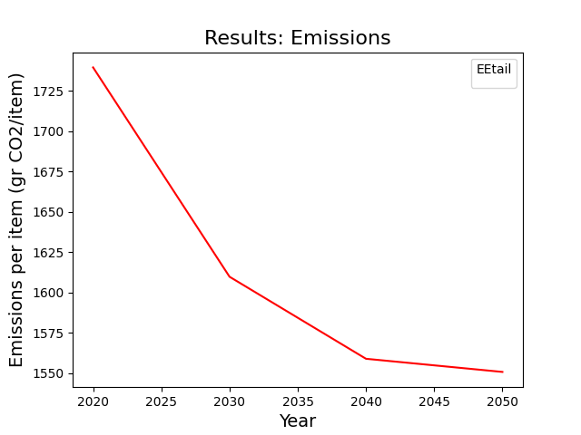
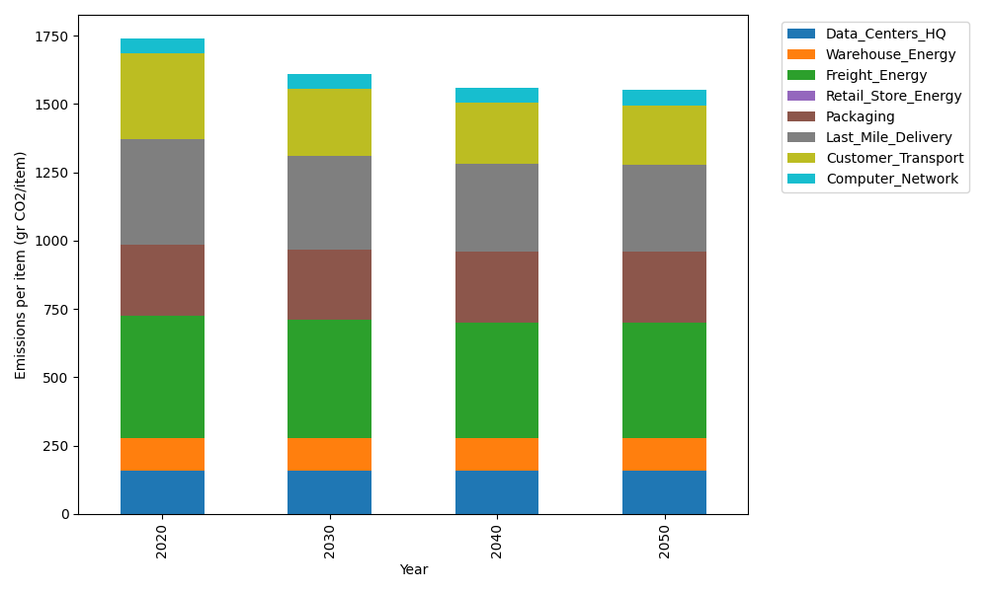
Years | Data_Centers_HQ | Warehouse_Energy | Freight_Energy | Retail_Store_Energy | Packaging | Last_Mile_Delivery | Customer_Transport | Computer_Network | Total
2020 | 157.73612384 | 118.6161301 | 448.004494 | 0 | 259.06707291 | 386.33480425 | 314.66106292 | 55.083386689 | 1739.5030747
2030 | 157.73612384 | 118.6161301 | 432.61984056 | 0 | 259.06707291 | 342.1456014 | 244.43893346 | 55.083386689 | 1609.707089
2040 | 157.73612384 | 118.6161301 | 424.79531281 | 0 | 259.06707291 | 321.53822157 | 222.01084102 | 55.083386689 | 1558.8470889
2050 | 157.73612384 | 118.6161301 | 423.21161472 | 0 | 259.06707291 | 318.68299408 | 218.29203243 | 55.083386689 | 1550.6893548

