Energy_item
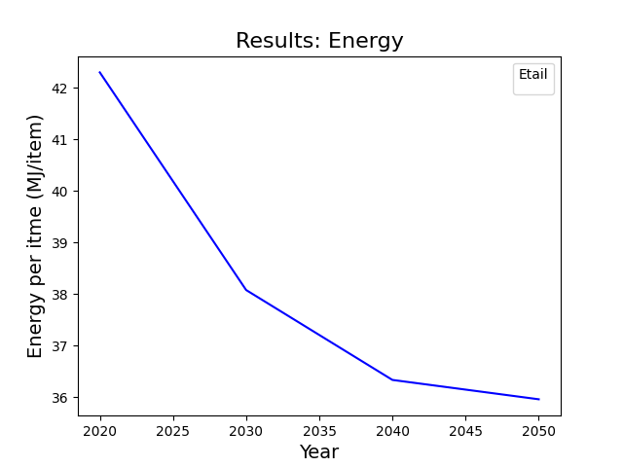
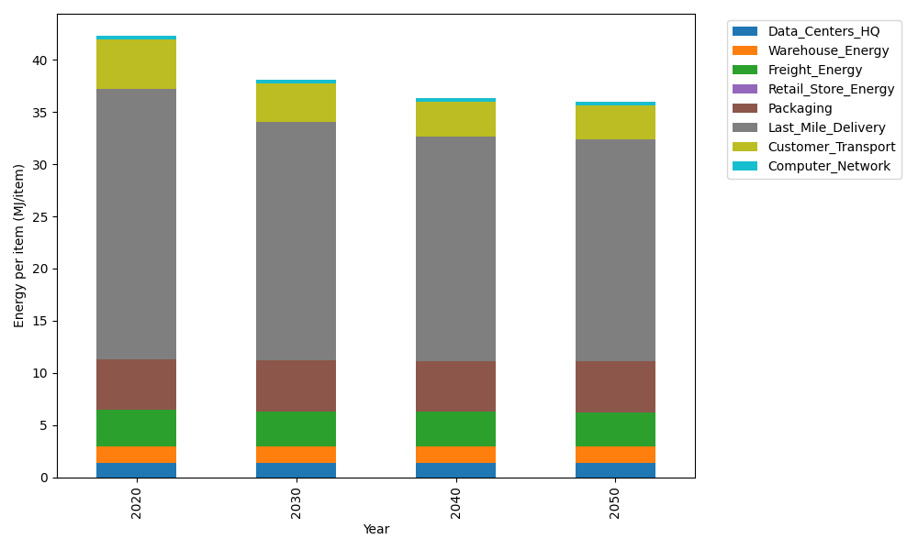
Years | Data_Centers_HQ | Warehouse_Energy | Freight_Energy | Retail_Store_Energy | Packaging | Last_Mile_Delivery | Customer_Transport | Computer_Network | Total
2020 | 1.3707219138 | 1.548 | 3.5739841637 | 0 | 4.8467995113 | 25.883445149 | 4.7477267625 | 0.32656171373 | 42.297239214
2030 | 1.3707219138 | 1.548 | 3.4225230666 | 0 | 4.8467995113 | 22.868952156 | 3.69670972 | 0.32656171373 | 38.080268082
2040 | 1.3707219138 | 1.548 | 3.3454910059 | 0 | 4.8467995113 | 21.550762917 | 3.349811144 | 0.32656171373 | 36.338148205
2050 | 1.3707219138 | 1.548 | 3.3298995822 | 0 | 4.8467995113 | 21.271731576 | 3.2694468792 | 0.32656171373 | 35.963161176

CO2_item
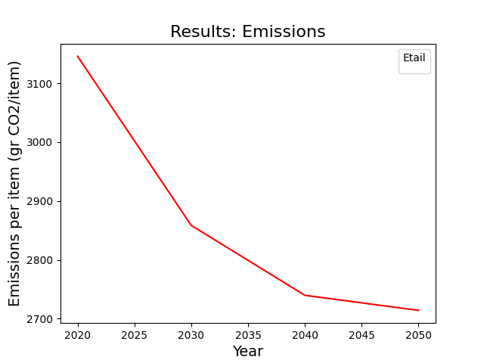
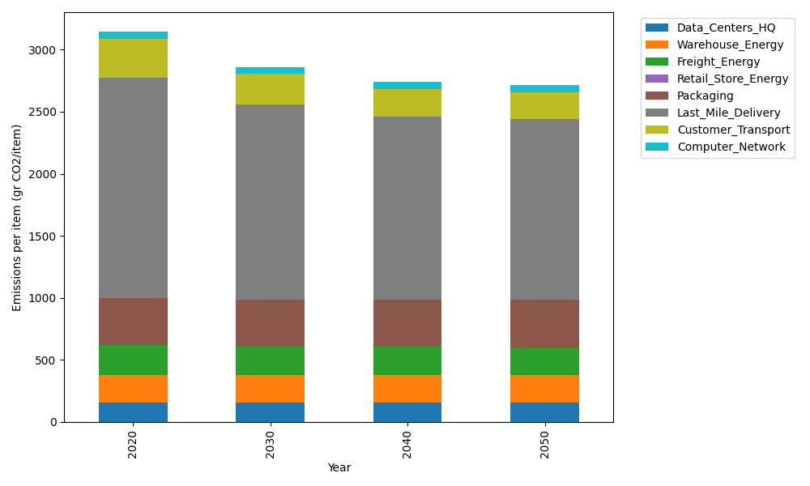
Years | Data_Centers_HQ | Warehouse_Energy | Freight_Energy | Retail_Store_Energy | Packaging | Last_Mile_Delivery | Customer_Transport | Computer_Network | Total
2020 | 157.73612384 | 220.80520494 | 239.56444225 | 0 | 379.96504026 | 1776.7206375 | 315.93398974 | 55.083386689 | 3145.8088252
2030 | 157.73612384 | 220.80520494 | 229.16767878 | 0 | 379.96504026 | 1569.7964092 | 245.99483273 | 55.083386689 | 2858.5486765
2040 | 157.73612384 | 220.80520494 | 223.87995719 | 0 | 379.96504026 | 1479.3117766 | 222.91072182 | 55.083386689 | 2739.6922113
2050 | 157.73612384 | 220.80520494 | 222.8097131 | 0 | 379.96504026 | 1460.1581925 | 217.56294085 | 55.083386689 | 2714.1206022

