Energy_item
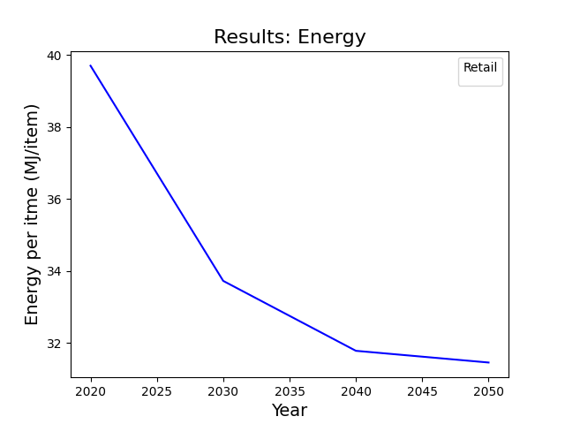
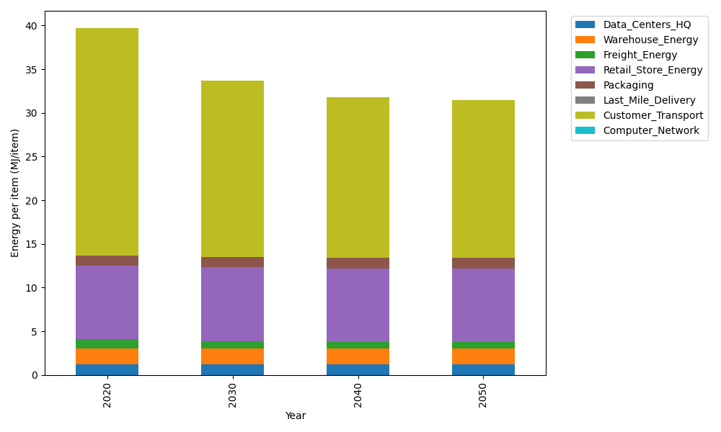
Years | Data_Centers_HQ | Warehouse_Energy | Freight_Energy | Retail_Store_Energy | Packaging | Last_Mile_Delivery | Customer_Transport | Computer_Network | Total
2020 | 1.2172633253 | 1.84 | 1.0066539841 | 8.415 | 1.2147367196 | 0 | 26.007287564 | 0 | 39.700941593
2030 | 1.2172633253 | 1.84 | 0.83171516713 | 8.415 | 1.2147367196 | 0 | 20.203305663 | 0 | 33.722020875
2040 | 1.2172633253 | 1.84 | 0.74274250146 | 8.415 | 1.2147367196 | 0 | 18.349584569 | 0 | 31.779327115
2050 | 1.2172633253 | 1.84 | 0.72473427844 | 8.415 | 1.2147367196 | 0 | 18.04221853 | 0 | 31.453952854

CO2_item
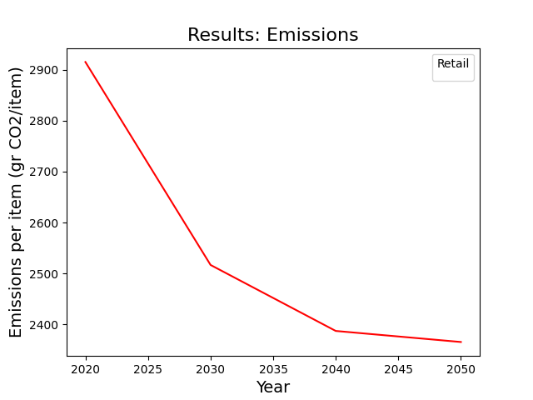
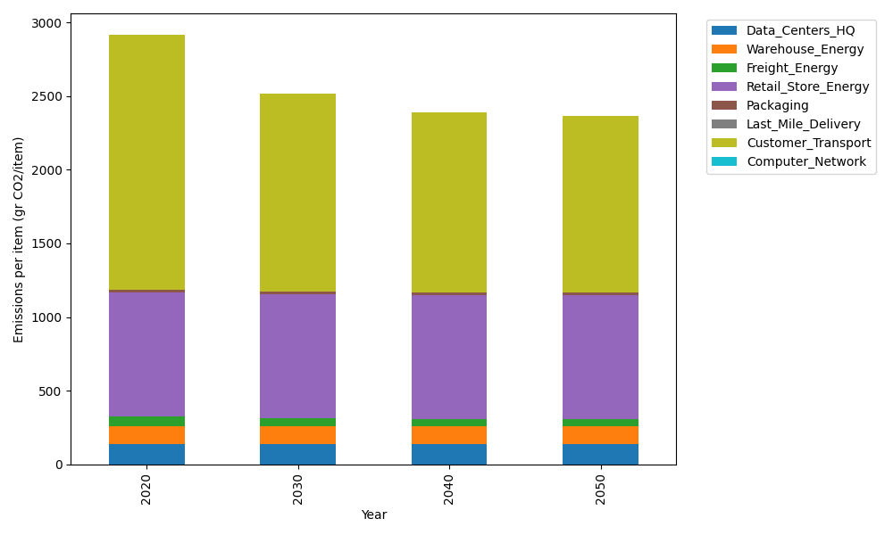
Years | Data_Centers_HQ | Warehouse_Energy | Freight_Energy | Retail_Store_Energy | Packaging | Last_Mile_Delivery | Customer_Transport | Computer_Network | Total
2020 | 137.48834654 | 120.73500736 | 69.099878247 | 839.18807354 | 17.990768952 | 0 | 1730.635846 | 0 | 2915.1379207
2030 | 137.48834654 | 120.73500736 | 57.091530645 | 839.18807354 | 17.990768952 | 0 | 1344.4141341 | 0 | 2516.9078611
2040 | 137.48834654 | 120.73500736 | 50.984168571 | 839.18807354 | 17.990768952 | 0 | 1221.0596256 | 0 | 2387.4459905
2050 | 137.48834654 | 120.73500736 | 49.748027814 | 839.18807354 | 17.990768952 | 0 | 1200.6061783 | 0 | 2365.7564025

