Energy_item
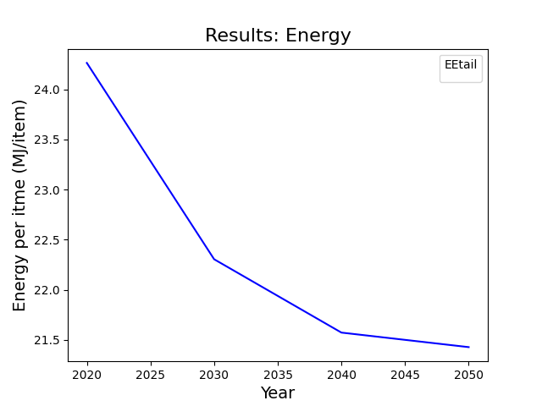
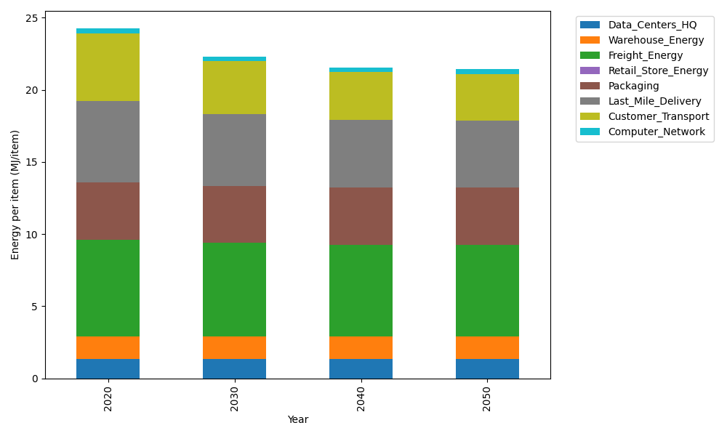
Years | Data_Centers_HQ | Warehouse_Energy | Freight_Energy | Retail_Store_Energy | Packaging | Last_Mile_Delivery | Customer_Transport | Computer_Network | Total
2020 | 1.3707219138 | 1.548 | 6.6945450725 | 0 | 3.966722758 | 5.6278293003 | 4.7298332859 | 0.32656171373 | 24.264214044
2030 | 1.3707219138 | 1.548 | 6.470419892 | 0 | 3.966722758 | 4.9845687721 | 3.6380116182 | 0.32656171373 | 22.305006668
2040 | 1.3707219138 | 1.548 | 6.3564313839 | 0 | 3.966722758 | 4.6935464315 | 3.3111128984 | 0.32656171373 | 21.573097099
2050 | 1.3707219138 | 1.548 | 6.3333599107 | 0 | 3.966722758 | 4.6304059763 | 3.2522141213 | 0.32656171373 | 21.427986394

CO2_item
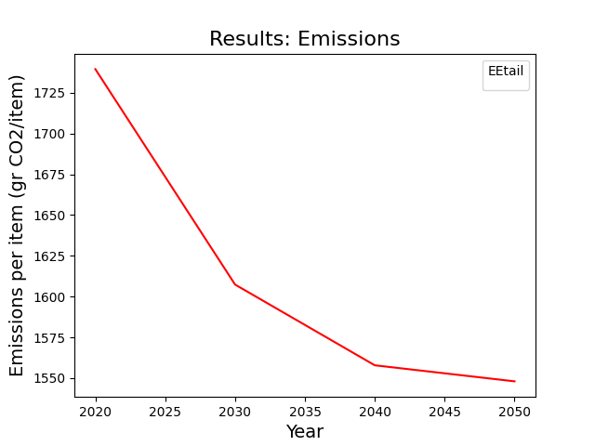
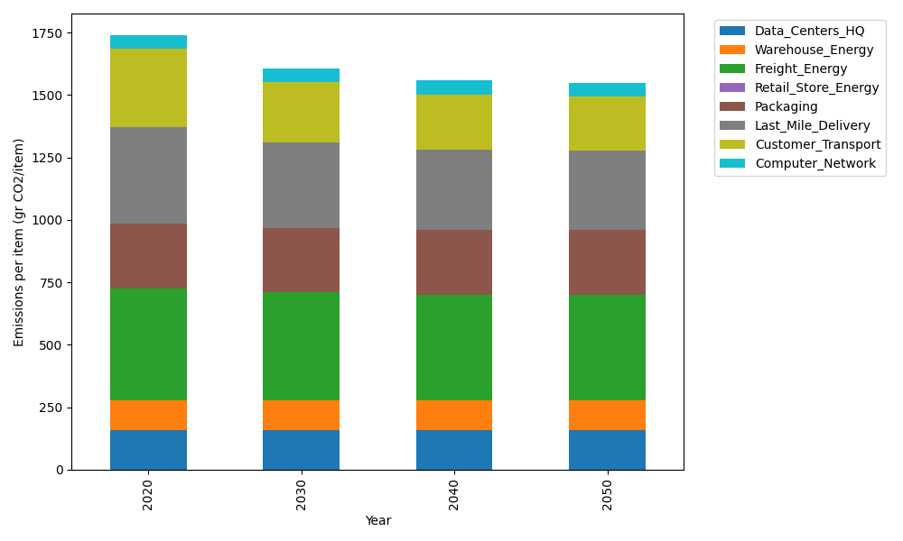
Years | Data_Centers_HQ | Warehouse_Energy | Freight_Energy | Retail_Store_Energy | Packaging | Last_Mile_Delivery | Customer_Transport | Computer_Network | Total
2020 | 157.73612384 | 118.6161301 | 448.004494 | 0 | 259.06707291 | 386.31180681 | 314.74328149 | 55.083386689 | 1739.5622958
2030 | 157.73612384 | 118.6161301 | 432.61984056 | 0 | 259.06707291 | 342.15639206 | 242.08881066 | 55.083386689 | 1607.3677568
2040 | 157.73612384 | 118.6161301 | 424.79531281 | 0 | 259.06707291 | 322.17970829 | 220.33557549 | 55.083386689 | 1557.8133101
2050 | 157.73612384 | 118.6161301 | 423.21161472 | 0 | 259.06707291 | 317.84554995 | 216.41619963 | 55.083386689 | 1547.9760778

