Energy_item
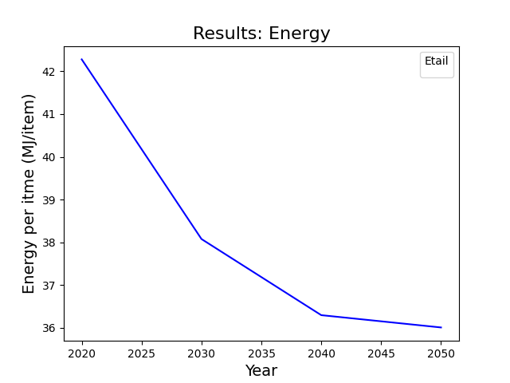
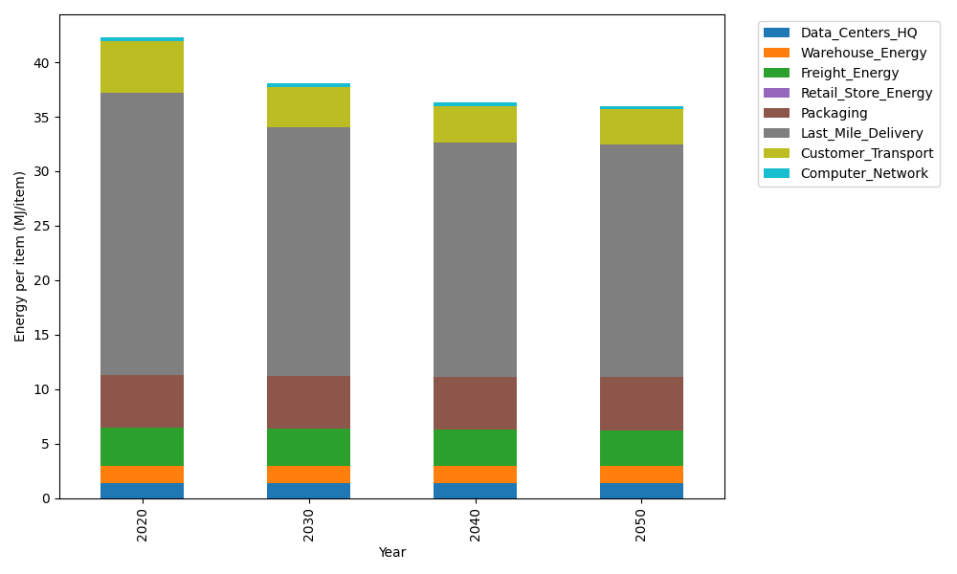
Years | Data_Centers_HQ | Warehouse_Energy | Freight_Energy | Retail_Store_Energy | Packaging | Last_Mile_Delivery | Customer_Transport | Computer_Network | Total
2020 | 1.3707219138 | 1.548 | 3.5739841637 | 0 | 4.8467995113 | 25.82141414 | 4.7937172207 | 0.32656171373 | 42.281198663
2030 | 1.3707219138 | 1.548 | 3.4225230666 | 0 | 4.8467995113 | 22.879507047 | 3.6811509593 | 0.32656171373 | 38.075264212
2040 | 1.3707219138 | 1.548 | 3.3454910059 | 0 | 4.8467995113 | 21.542311861 | 3.3136167237 | 0.32656171373 | 36.29350273
2050 | 1.3707219138 | 1.548 | 3.3298995822 | 0 | 4.8467995113 | 21.320476579 | 3.262870192 | 0.32656171373 | 36.005329492

CO2_item
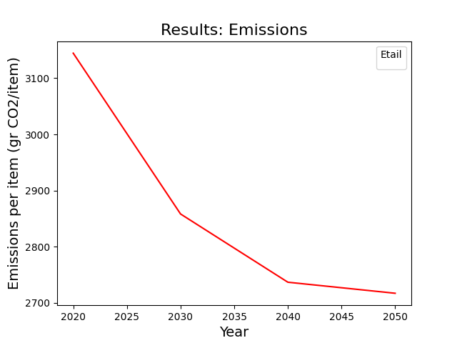
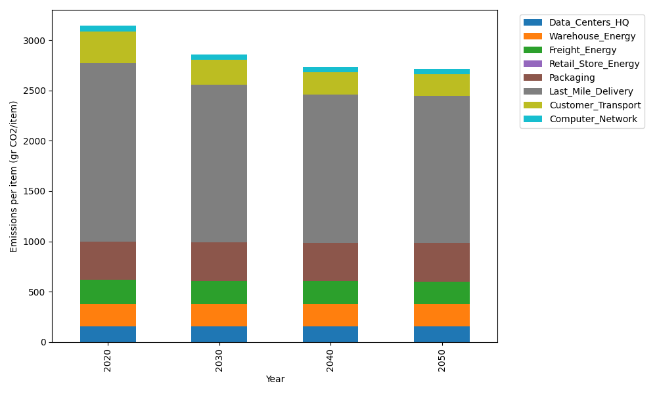
Years | Data_Centers_HQ | Warehouse_Energy | Freight_Energy | Retail_Store_Energy | Packaging | Last_Mile_Delivery | Customer_Transport | Computer_Network | Total
2020 | 157.73612384 | 220.80520494 | 239.56444225 | 0 | 379.96504026 | 1772.462635 | 318.994391 | 55.083386689 | 3144.611224
2030 | 157.73612384 | 220.80520494 | 229.16767878 | 0 | 379.96504026 | 1570.52093 | 244.95948642 | 55.083386689 | 2858.2378509
2040 | 157.73612384 | 220.80520494 | 223.87995719 | 0 | 379.96504026 | 1478.7316697 | 220.50219071 | 55.083386689 | 2736.7035733
2050 | 157.73612384 | 220.80520494 | 222.8097131 | 0 | 379.96504026 | 1463.504202 | 217.12530003 | 55.083386689 | 2717.0289709

