Energy_item
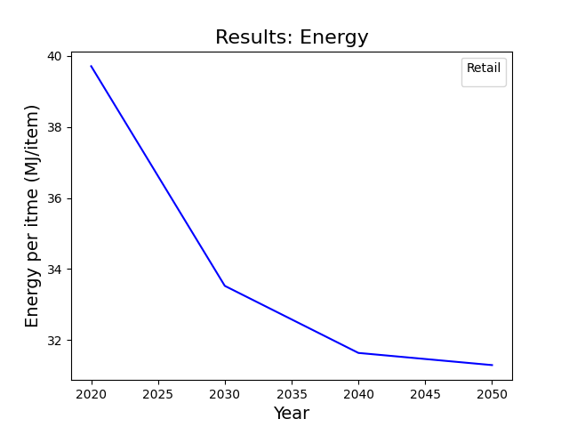
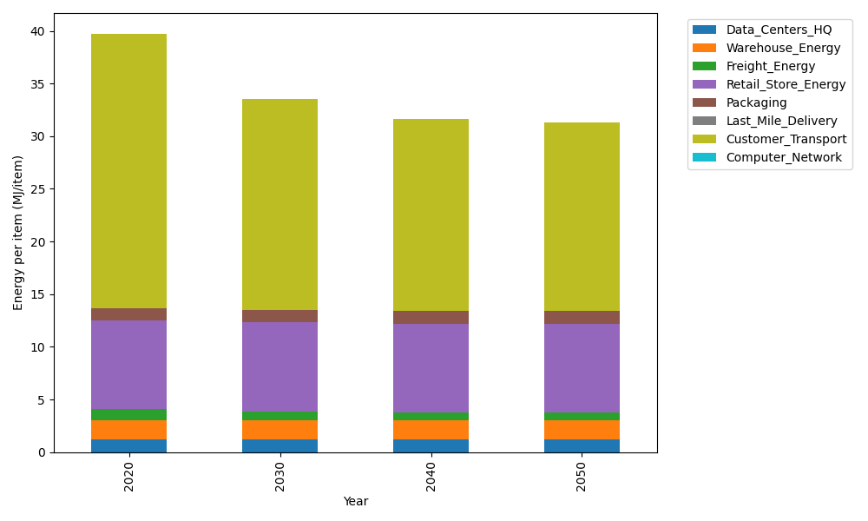
Years | Data_Centers_HQ | Warehouse_Energy | Freight_Energy | Retail_Store_Energy | Packaging | Last_Mile_Delivery | Customer_Transport | Computer_Network | Total
2020 | 1.2172633253 | 1.84 | 1.0066539841 | 8.415 | 1.2147367196 | 0 | 26.014083073 | 0 | 39.707737102
2030 | 1.2172633253 | 1.84 | 0.83171516713 | 8.415 | 1.2147367196 | 0 | 20.0090639 | 0 | 33.527779112
2040 | 1.2172633253 | 1.84 | 0.74274250146 | 8.415 | 1.2147367196 | 0 | 18.211120941 | 0 | 31.640863488
2050 | 1.2172633253 | 1.84 | 0.72473427844 | 8.415 | 1.2147367196 | 0 | 17.887177667 | 0 | 31.29891199

CO2_item
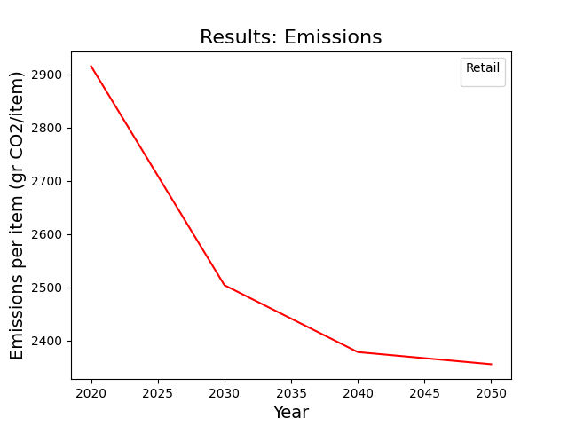
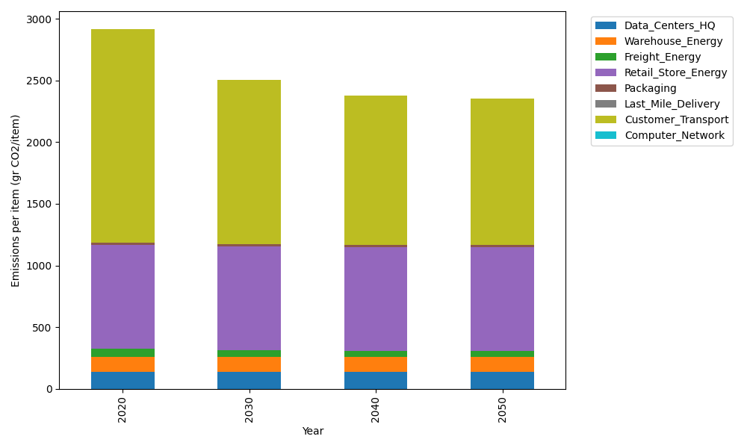
Years | Data_Centers_HQ | Warehouse_Energy | Freight_Energy | Retail_Store_Energy | Packaging | Last_Mile_Delivery | Customer_Transport | Computer_Network | Total
2020 | 137.48834654 | 120.73500736 | 69.099878247 | 839.18807354 | 17.990768952 | 0 | 1731.0880482 | 0 | 2915.5901228
2030 | 137.48834654 | 120.73500736 | 57.091530645 | 839.18807354 | 17.990768952 | 0 | 1331.4884586 | 0 | 2503.9821857
2040 | 137.48834654 | 120.73500736 | 50.984168571 | 839.18807354 | 17.990768952 | 0 | 1211.8456652 | 0 | 2378.2320302
2050 | 137.48834654 | 120.73500736 | 49.748027814 | 839.18807354 | 17.990768952 | 0 | 1190.289098 | 0 | 2355.4393222

