Energy_item
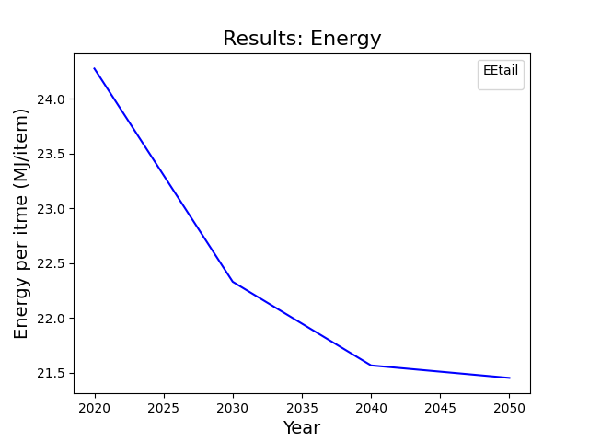
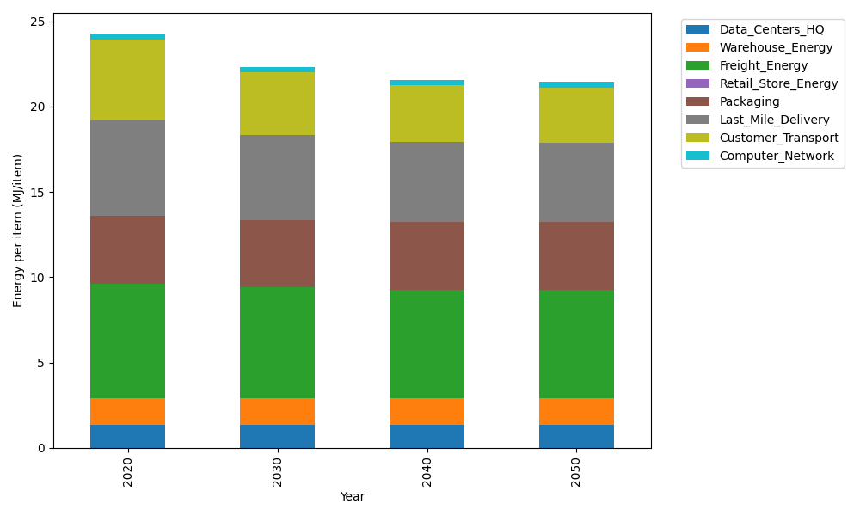
Years | Data_Centers_HQ | Warehouse_Energy | Freight_Energy | Retail_Store_Energy | Packaging | Last_Mile_Delivery | Customer_Transport | Computer_Network | Total
2020 | 1.3707219138 | 1.548 | 6.6945450725 | 0 | 3.966722758 | 5.6340335047 | 4.7332167813 | 0.32656171373 | 24.273801744
2030 | 1.3707219138 | 1.548 | 6.470419892 | 0 | 3.966722758 | 4.9861950139 | 3.6609685764 | 0.32656171373 | 22.329589868
2040 | 1.3707219138 | 1.548 | 6.3564313839 | 0 | 3.966722758 | 4.6828822647 | 3.3153807243 | 0.32656171373 | 21.566700758
2050 | 1.3707219138 | 1.548 | 6.3333599107 | 0 | 3.966722758 | 4.6432884124 | 3.2639324864 | 0.32656171373 | 21.452587195

CO2_item
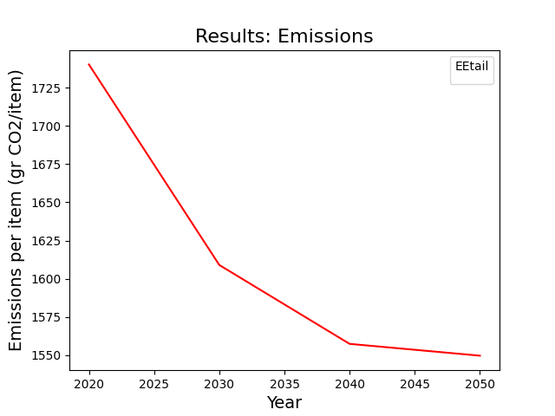
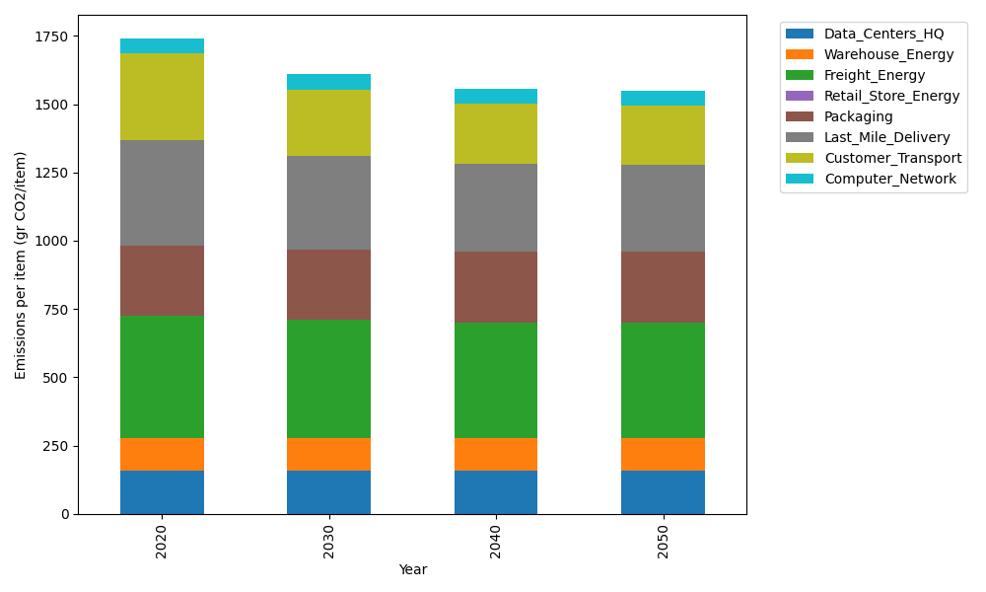
Years | Data_Centers_HQ | Warehouse_Energy | Freight_Energy | Retail_Store_Energy | Packaging | Last_Mile_Delivery | Customer_Transport | Computer_Network | Total
2020 | 157.73612384 | 118.6161301 | 448.004494 | 0 | 259.06707291 | 386.7376828 | 314.9684337 | 55.083386689 | 1740.213324
2030 | 157.73612384 | 118.6161301 | 432.61984056 | 0 | 259.06707291 | 342.26802239 | 243.61646458 | 55.083386689 | 1609.0070411
2040 | 157.73612384 | 118.6161301 | 424.79531281 | 0 | 259.06707291 | 321.44768653 | 220.61957483 | 55.083386689 | 1557.3652877
2050 | 157.73612384 | 118.6161301 | 423.21161472 | 0 | 259.06707291 | 318.72984066 | 217.19598963 | 55.083386689 | 1549.6401586

