Energy_item
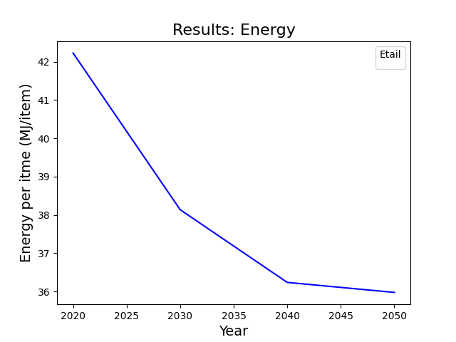
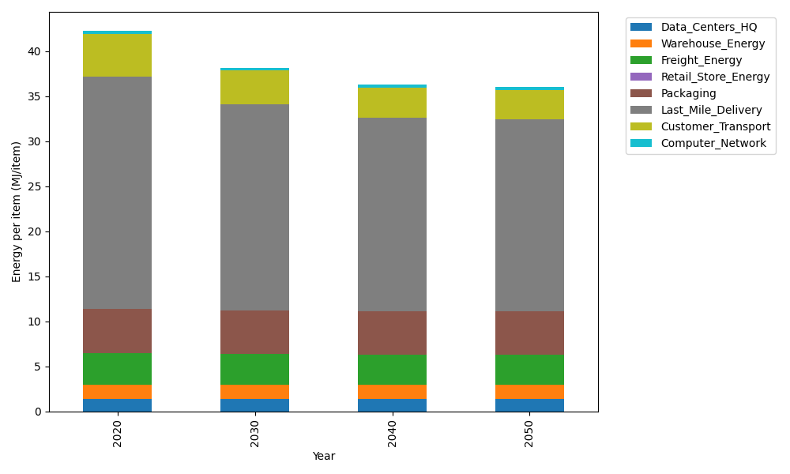
Years | Data_Centers_HQ | Warehouse_Energy | Freight_Energy | Retail_Store_Energy | Packaging | Last_Mile_Delivery | Customer_Transport | Computer_Network | Total
2020 | 1.3707219138 | 1.548 | 3.5739841637 | 0 | 4.8467995113 | 25.853764664 | 4.7105635359 | 0.32656171373 | 42.230395502
2030 | 1.3707219138 | 1.548 | 3.4225230666 | 0 | 4.8467995113 | 22.896181466 | 3.7263325359 | 0.32656171373 | 38.137120207
2040 | 1.3707219138 | 1.548 | 3.3454910059 | 0 | 4.8467995113 | 21.483644224 | 3.316267272 | 0.32656171373 | 36.237485641
2050 | 1.3707219138 | 1.548 | 3.3298995822 | 0 | 4.8467995113 | 21.289146414 | 3.2648505341 | 0.32656171373 | 35.975979669

CO2_item
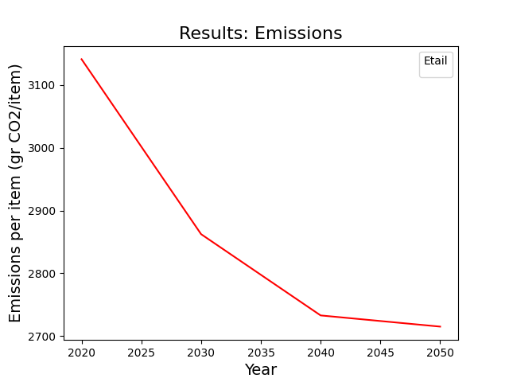
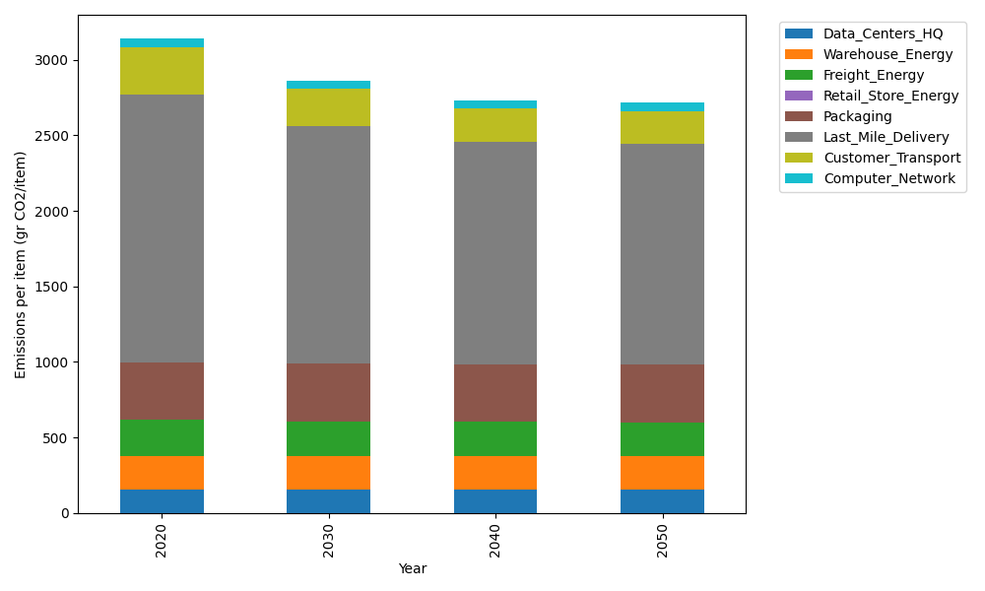
Years | Data_Centers_HQ | Warehouse_Energy | Freight_Energy | Retail_Store_Energy | Packaging | Last_Mile_Delivery | Customer_Transport | Computer_Network | Total
2020 | 157.73612384 | 220.80520494 | 239.56444225 | 0 | 379.96504026 | 1774.6832761 | 313.46099013 | 55.083386689 | 3141.2984642
2030 | 157.73612384 | 220.80520494 | 229.16767878 | 0 | 379.96504026 | 1571.6655142 | 247.96606125 | 55.083386689 | 2862.38901
2040 | 157.73612384 | 220.80520494 | 223.87995719 | 0 | 379.96504026 | 1474.7045395 | 220.67856949 | 55.083386689 | 2732.852822
2050 | 157.73612384 | 220.80520494 | 222.8097131 | 0 | 379.96504026 | 1461.3536015 | 217.25708044 | 55.083386689 | 2715.0101507

