Energy_item
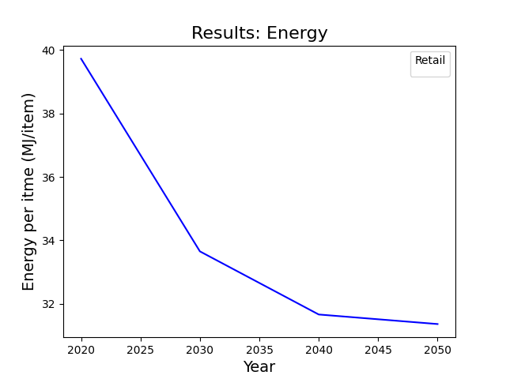
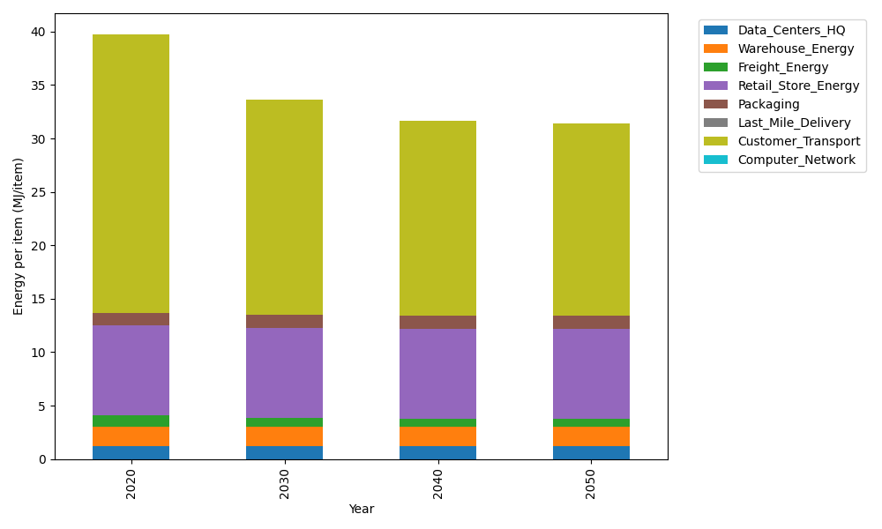
Years | Data_Centers_HQ | Warehouse_Energy | Freight_Energy | Retail_Store_Energy | Packaging | Last_Mile_Delivery | Customer_Transport | Computer_Network | Total
2020 | 1.2172633253 | 1.84 | 1.0066539841 | 8.415 | 1.2147367196 | 0 | 26.032692297 | 0 | 39.726346326
2030 | 1.2172633253 | 1.84 | 0.83171516713 | 8.415 | 1.2147367196 | 0 | 20.13532717 | 0 | 33.654042382
2040 | 1.2172633253 | 1.84 | 0.74274250146 | 8.415 | 1.2147367196 | 0 | 18.234593983 | 0 | 31.66433653
2050 | 1.2172633253 | 1.84 | 0.72473427844 | 8.415 | 1.2147367196 | 0 | 17.951628675 | 0 | 31.363362999

CO2_item
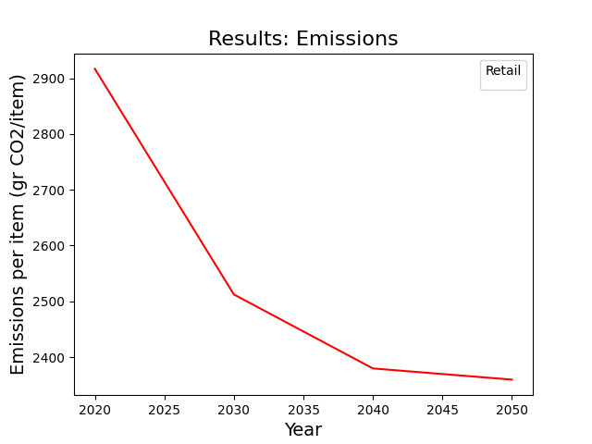
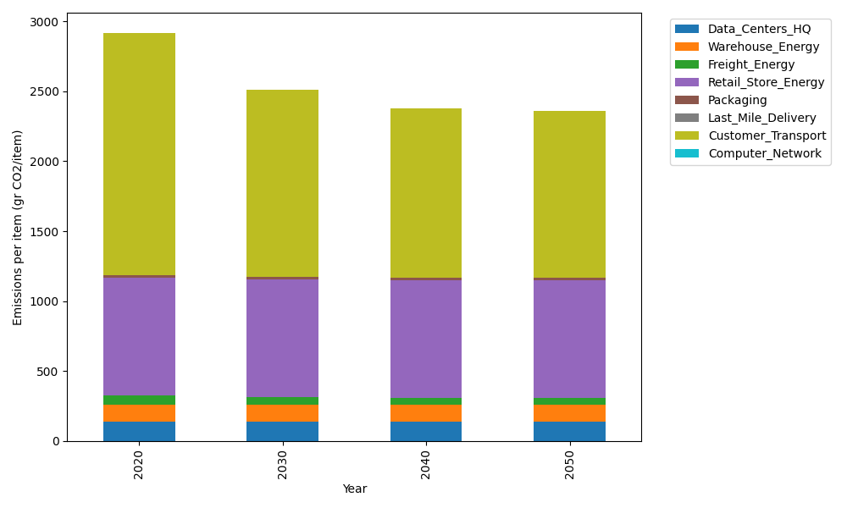
Years | Data_Centers_HQ | Warehouse_Energy | Freight_Energy | Retail_Store_Energy | Packaging | Last_Mile_Delivery | Customer_Transport | Computer_Network | Total
2020 | 137.48834654 | 120.73500736 | 69.099878247 | 839.18807354 | 17.990768952 | 0 | 1732.3263854 | 0 | 2916.82846
2030 | 137.48834654 | 120.73500736 | 57.091530645 | 839.18807354 | 17.990768952 | 0 | 1339.8905552 | 0 | 2512.3842822
2040 | 137.48834654 | 120.73500736 | 50.984168571 | 839.18807354 | 17.990768952 | 0 | 1213.4076616 | 0 | 2379.7940265
2050 | 137.48834654 | 120.73500736 | 49.748027814 | 839.18807354 | 17.990768952 | 0 | 1194.577943 | 0 | 2359.7281672

