Energy_item
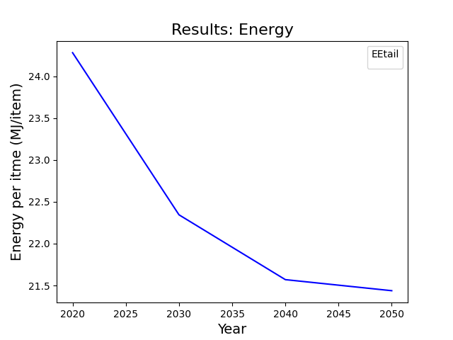
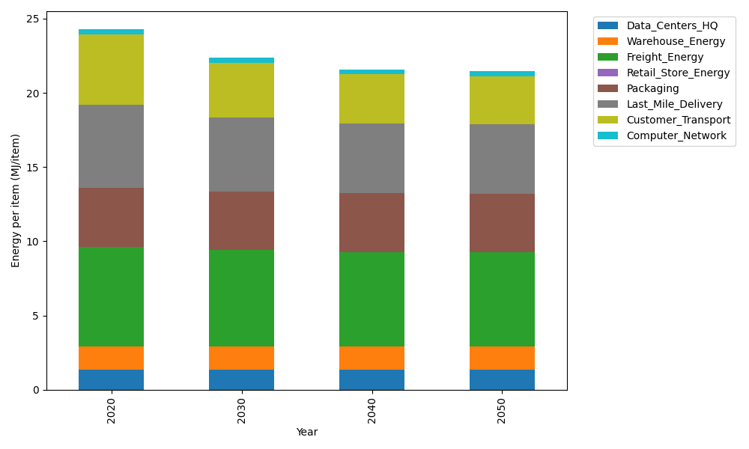
Years | Data_Centers_HQ | Warehouse_Energy | Freight_Energy | Retail_Store_Energy | Packaging | Last_Mile_Delivery | Customer_Transport | Computer_Network | Total
2020 | 1.3707219138 | 1.548 | 6.6945450725 | 0 | 3.966722758 | 5.6347318593 | 4.7397462176 | 0.32656171373 | 24.281029535
2030 | 1.3707219138 | 1.548 | 6.470419892 | 0 | 3.966722758 | 4.9895291034 | 3.6723326627 | 0.32656171373 | 22.344288044
2040 | 1.3707219138 | 1.548 | 6.3564313839 | 0 | 3.966722758 | 4.6812938453 | 3.3198061037 | 0.32656171373 | 21.569537718
2050 | 1.3707219138 | 1.548 | 6.3333599107 | 0 | 3.966722758 | 4.6408931446 | 3.2511144212 | 0.32656171373 | 21.437373862

CO2_item
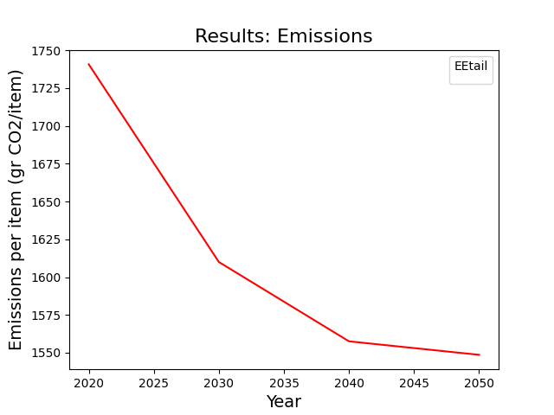
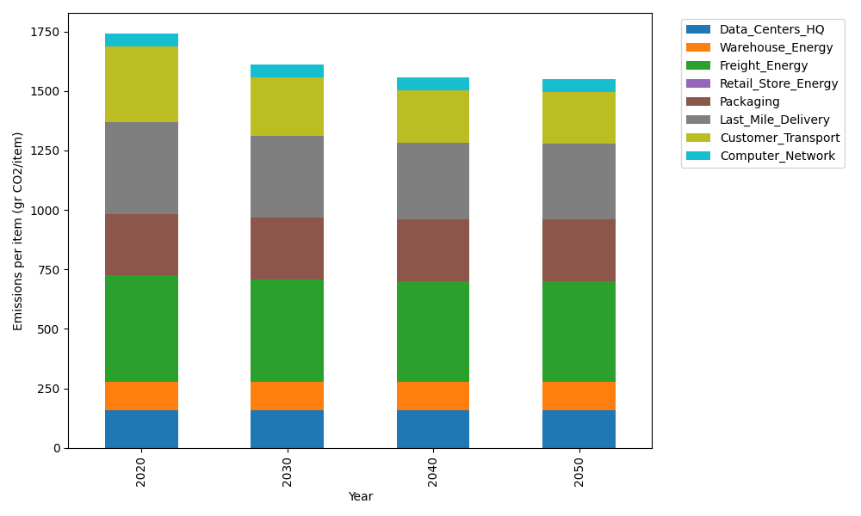
Years | Data_Centers_HQ | Warehouse_Energy | Freight_Energy | Retail_Store_Energy | Packaging | Last_Mile_Delivery | Customer_Transport | Computer_Network | Total
2020 | 157.73612384 | 118.6161301 | 448.004494 | 0 | 259.06707291 | 386.78562005 | 315.40293025 | 55.083386689 | 1740.6957578
2030 | 157.73612384 | 118.6161301 | 432.61984056 | 0 | 259.06707291 | 342.49688471 | 244.37267936 | 55.083386689 | 1609.9921182
2040 | 157.73612384 | 118.6161301 | 424.79531281 | 0 | 259.06707291 | 321.33865245 | 220.91405845 | 55.083386689 | 1557.5507372
2050 | 157.73612384 | 118.6161301 | 423.21161472 | 0 | 259.06707291 | 318.56542198 | 216.3430209 | 55.083386689 | 1548.6227711

