Energy_item
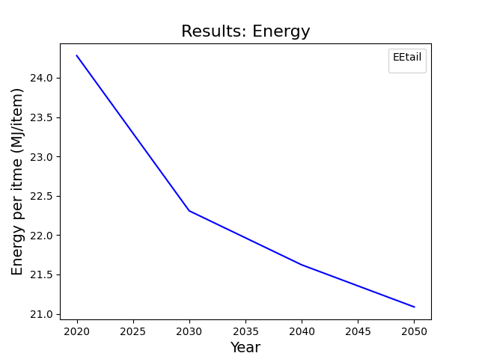
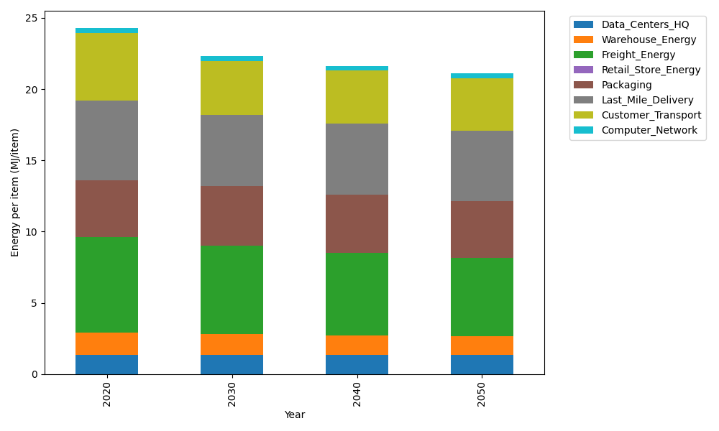
Years | Data_Centers_HQ | Warehouse_Energy | Freight_Energy | Retail_Store_Energy | Packaging | Last_Mile_Delivery | Customer_Transport | Computer_Network | Total
2020 | 1.3707219138 | 1.548 | 6.6945450725 | 0 | 3.966722758 | 5.6347318593 | 4.7397462176 | 0.32656171373 | 24.281029535
2030 | 1.3707219138 | 1.42416 | 6.2356964538 | 0 | 4.1650588959 | 5.0069131011 | 3.7791300883 | 0.32656171373 | 22.308242167
2040 | 1.3707219138 | 1.36224 | 5.7918424984 | 0 | 4.0460572131 | 5.0232897904 | 3.7010072047 | 0.32656171373 | 21.621720334
2050 | 1.3707219138 | 1.30032 | 5.4805005437 | 0 | 3.966722758 | 4.9703749939 | 3.6715122472 | 0.32656171373 | 21.08671417

CO2_item
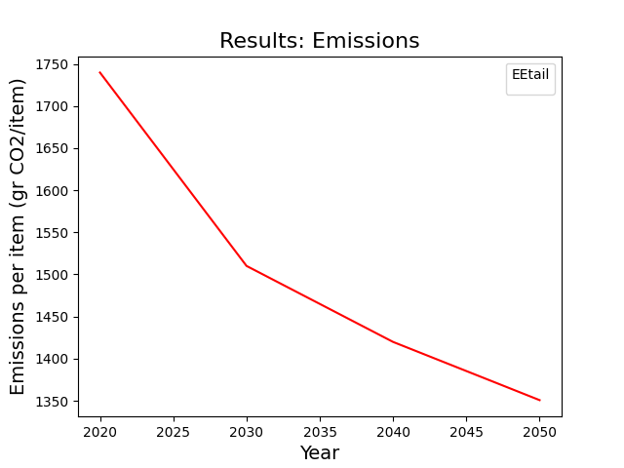
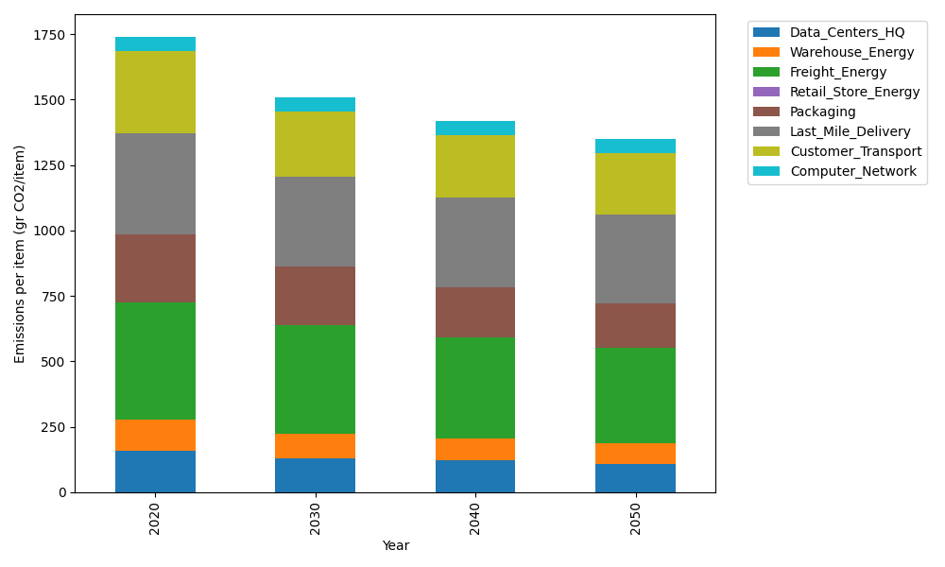
Years | Data_Centers_HQ | Warehouse_Energy | Freight_Energy | Retail_Store_Energy | Packaging | Last_Mile_Delivery | Customer_Transport | Computer_Network | Total
2020 | 157.73612384 | 118.6161301 | 448.004494 | 0 | 259.06707291 | 386.78562005 | 314.48826175 | 55.083386689 | 1739.7810893
2030 | 130.63340275 | 92.52058148 | 416.96524271 | 0 | 222.7976827 | 343.44959357 | 248.68801385 | 55.083386689 | 1510.1379038
2040 | 120.7778678 | 84.217452373 | 387.21119407 | 0 | 189.11896322 | 344.36606525 | 239.11403424 | 55.083386689 | 1419.8889637
2050 | 107.22650726 | 78.286645868 | 366.36491148 | 0 | 168.39359739 | 340.53384076 | 234.8629755 | 55.083386689 | 1350.751865

