Energy_item
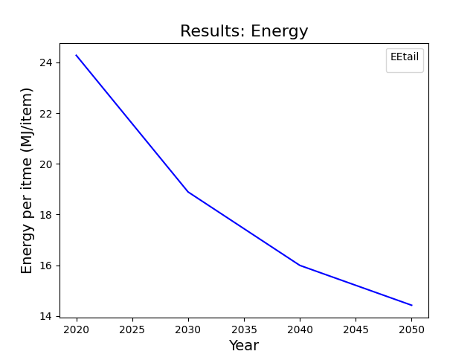
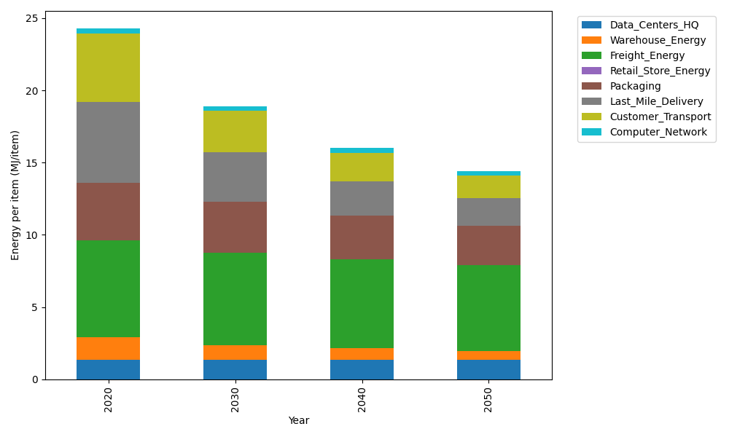
Years | Data_Centers_HQ | Warehouse_Energy | Freight_Energy | Retail_Store_Energy | Packaging | Last_Mile_Delivery | Customer_Transport | Computer_Network | Total
2020 | 1.3707219138 | 1.548 | 6.6945450725 | 0 | 3.966722758 | 5.6347318593 | 4.7397462176 | 0.32656171373 | 24.281029535
2030 | 1.3707219138 | 0.99072 | 6.3868400888 | 0 | 3.5303832546 | 3.4358083779 | 2.8503608292 | 0.32656171373 | 18.891396178
2040 | 1.3707219138 | 0.774 | 6.1409814311 | 0 | 3.0543765236 | 2.3741729787 | 1.9516644652 | 0.32656171373 | 15.992479026
2050 | 1.3707219138 | 0.60372 | 5.9441522258 | 0 | 2.6973714754 | 1.904560316 | 1.5730113661 | 0.32656171373 | 14.420099011

CO2_item
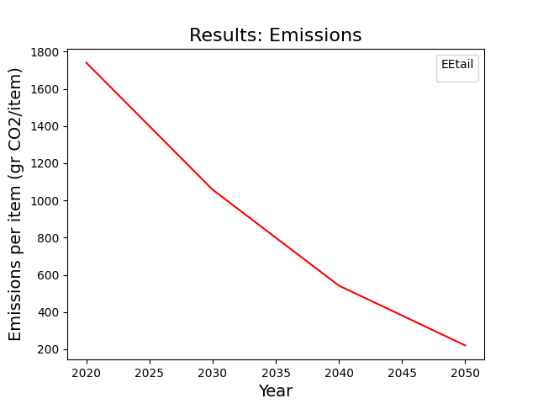
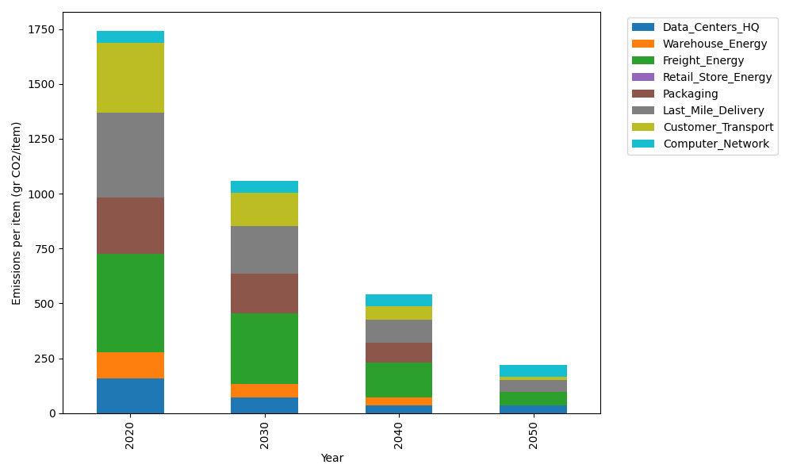
Years | Data_Centers_HQ | Warehouse_Energy | Freight_Energy | Retail_Store_Energy | Packaging | Last_Mile_Delivery | Customer_Transport | Computer_Network | Total
2020 | 157.73612384 | 118.6161301 | 448.004494 | 0 | 259.06707291 | 386.78562005 | 315.40293025 | 55.083386689 | 1740.6957578
2030 | 71.737141217 | 61.680387654 | 322.26425455 | 0 | 178.75628031 | 216.97706341 | 151.74013401 | 55.083386689 | 1058.2386478
2040 | 34.541937055 | 35.584839031 | 161.04625465 | 0 | 88.082804789 | 106.74578203 | 61.039876731 | 55.083386689 | 542.12488098
2050 | 34.541937055 | 2.3723226021 | 60.438688296 | 0 | 0 | 53.601340767 | 14.654484016 | 55.083386689 | 220.69215943

