Energy_item
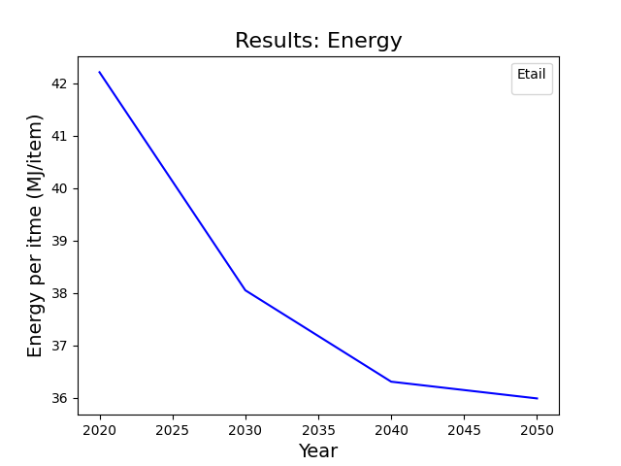
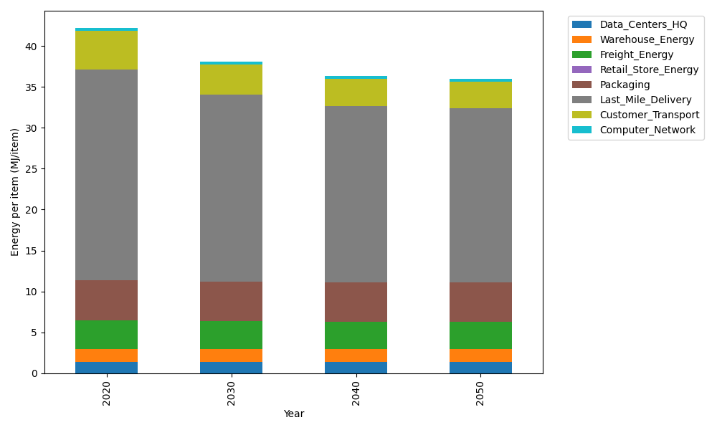
Years | Data_Centers_HQ | Warehouse_Energy | Freight_Energy | Retail_Store_Energy | Packaging | Last_Mile_Delivery | Customer_Transport | Computer_Network | Total
2020 | 1.3707219138 | 1.548 | 3.5739841637 | 0 | 4.8467995113 | 25.82590301 | 4.7133028988 | 0.32656171373 | 42.205273211
2030 | 1.3707219138 | 1.548 | 3.4225230666 | 0 | 4.8467995113 | 22.900113368 | 3.6369642775 | 0.32656171373 | 38.051683851
2040 | 1.3707219138 | 1.548 | 3.3454910059 | 0 | 4.8467995113 | 21.544272778 | 3.3293868928 | 0.32656171373 | 36.311233815
2050 | 1.3707219138 | 1.548 | 3.3298995822 | 0 | 4.8467995113 | 21.325810636 | 3.244385007 | 0.32656171373 | 35.992178364

CO2_item
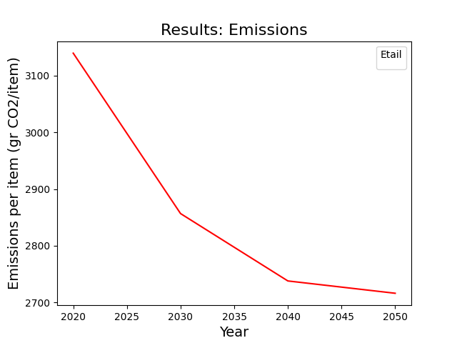
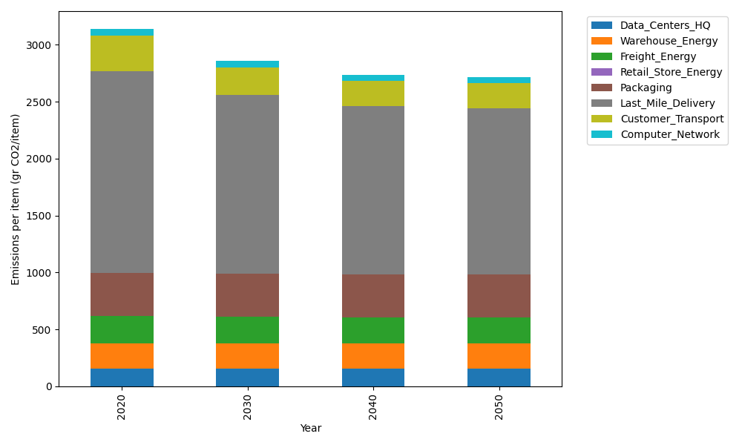
Years | Data_Centers_HQ | Warehouse_Energy | Freight_Energy | Retail_Store_Energy | Packaging | Last_Mile_Delivery | Customer_Transport | Computer_Network | Total
2020 | 157.73612384 | 220.80520494 | 239.56444225 | 0 | 379.96504026 | 1772.770765 | 313.64327902 | 55.083386689 | 3139.5682421
2030 | 157.73612384 | 220.80520494 | 229.16767878 | 0 | 379.96504026 | 1571.9354123 | 242.01911614 | 55.083386689 | 2856.7119629
2040 | 157.73612384 | 220.80520494 | 223.87995719 | 0 | 379.96504026 | 1478.8662731 | 221.55160502 | 55.083386689 | 2737.8875911
2050 | 157.73612384 | 220.80520494 | 222.8097131 | 0 | 379.96504026 | 1463.8703484 | 215.89521698 | 55.083386689 | 2716.1650342

