Energy_item
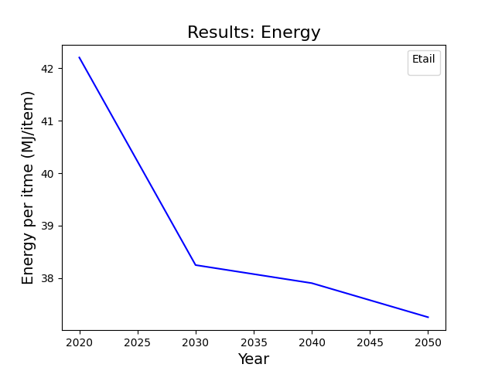
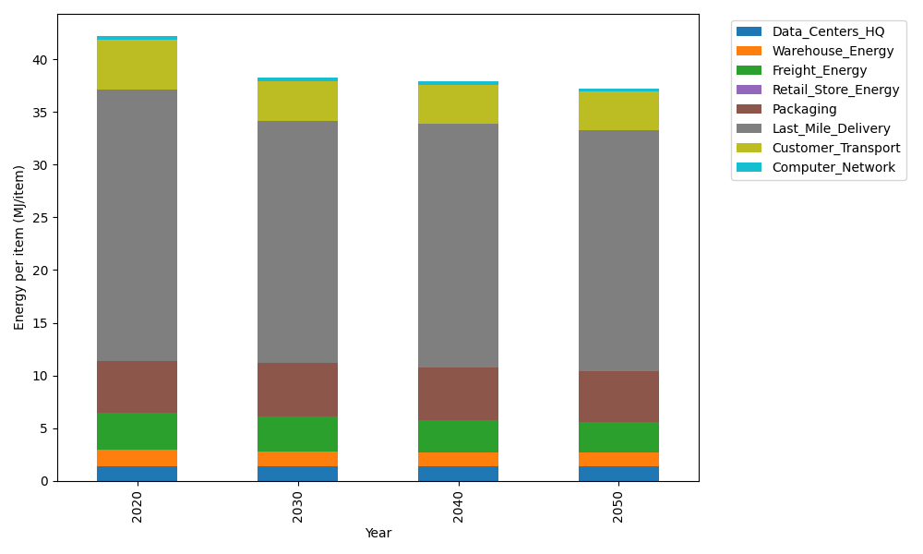
Years | Data_Centers_HQ | Warehouse_Energy | Freight_Energy | Retail_Store_Energy | Packaging | Last_Mile_Delivery | Customer_Transport | Computer_Network | Total
2020 | 1.3707219138 | 1.548 | 3.5739841637 | 0 | 4.8467995113 | 25.82590301 | 4.7133028988 | 0.32656171373 | 42.205273211
2030 | 1.3707219138 | 1.42416 | 3.3144455802 | 0 | 5.0891394869 | 22.979899558 | 3.7427331327 | 0.32656171373 | 38.247661386
2040 | 1.3707219138 | 1.36224 | 3.0697907533 | 0 | 4.9437355016 | 23.118208142 | 3.7116881206 | 0.32656171373 | 37.902946145
2050 | 1.3707219138 | 1.30032 | 2.9053748744 | 0 | 4.8467995113 | 22.839844101 | 3.6639126603 | 0.32656171373 | 37.253534774

CO2_item
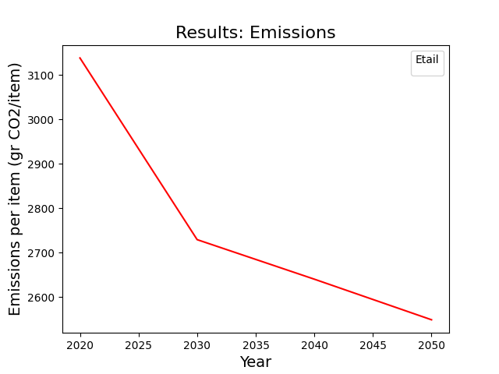
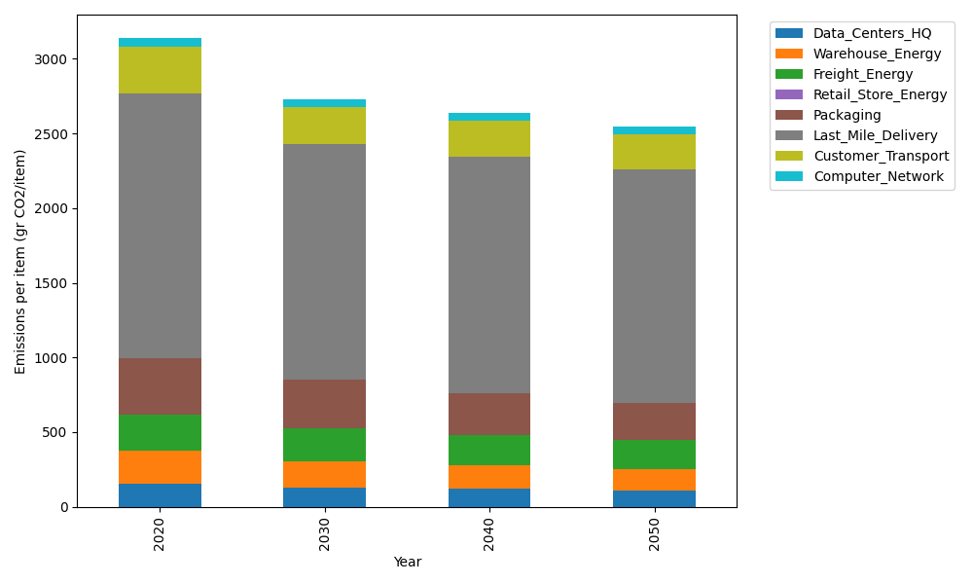
Years | Data_Centers_HQ | Warehouse_Energy | Freight_Energy | Retail_Store_Energy | Packaging | Last_Mile_Delivery | Customer_Transport | Computer_Network | Total
2020 | 157.73612384 | 220.80520494 | 239.56444225 | 0 | 379.96504026 | 1772.770765 | 312.73371351 | 55.083386689 | 3138.6586765
2030 | 130.63340275 | 172.22805986 | 221.96823209 | 0 | 326.76993463 | 1576.3079974 | 246.29288948 | 55.083386689 | 2729.2839029
2040 | 120.7778678 | 156.77169551 | 205.52622172 | 0 | 277.37447939 | 1584.8431418 | 239.80410501 | 55.083386689 | 2640.1808979
2050 | 107.22650726 | 145.73143526 | 194.49672256 | 0 | 246.97727617 | 1564.8195244 | 234.37683751 | 55.083386689 | 2548.7116898

