Energy_item
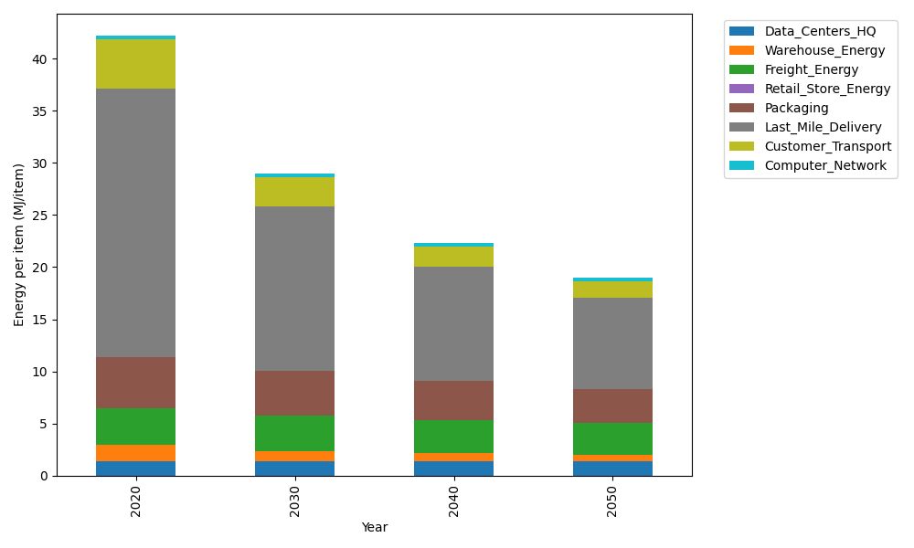
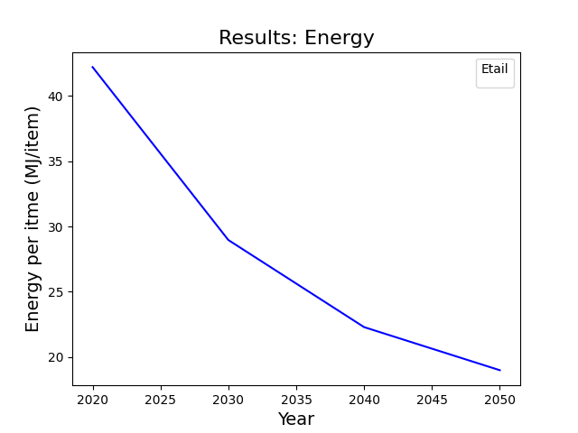
Years | Data_Centers_HQ | Warehouse_Energy | Freight_Energy | Retail_Store_Energy | Packaging | Last_Mile_Delivery | Customer_Transport | Computer_Network | Total
2020 | 1.3707219138 | 1.548 | 3.5739841637 | 0 | 4.8467995113 | 25.82590301 | 4.7133028988 | 0.32656171373 | 42.205273211
2030 | 1.3707219138 | 0.99072 | 3.3660408424 | 0 | 4.3136515651 | 15.769103604 | 2.8229088882 | 0.32656171373 | 28.959708527
2040 | 1.3707219138 | 0.774 | 3.1998925232 | 0 | 3.7320356237 | 10.926430164 | 1.9572968682 | 0.32656171373 | 22.286938806
2050 | 1.3707219138 | 0.60372 | 3.0668777173 | 0 | 3.2958236677 | 8.7518267234 | 1.5697554226 | 0.32656171373 | 18.985287159

CO2_item
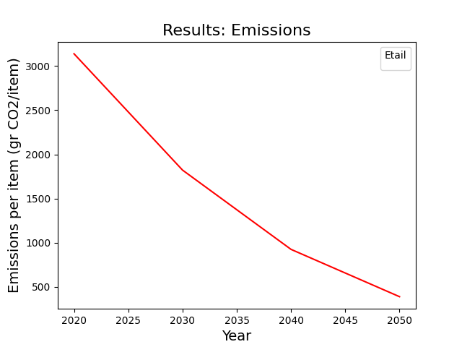
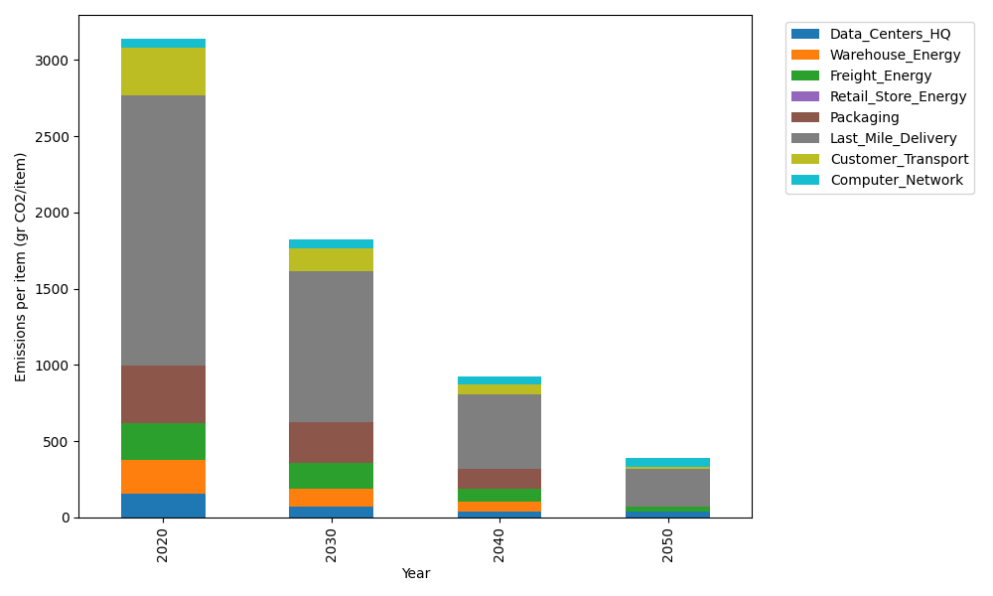
Years | Data_Centers_HQ | Warehouse_Energy | Freight_Energy | Retail_Store_Energy | Packaging | Last_Mile_Delivery | Customer_Transport | Computer_Network | Total
2020 | 157.73612384 | 220.80520494 | 239.56444225 | 0 | 379.96504026 | 1772.770765 | 313.64327902 | 55.083386689 | 3139.5682421
2030 | 71.737141217 | 114.81870657 | 172.03342028 | 0 | 262.17587778 | 995.8453488 | 150.27871861 | 55.083386689 | 1821.9725999
2040 | 34.541937055 | 66.241561483 | 86.341194197 | 0 | 129.18811369 | 491.26594524 | 61.216034666 | 55.083386689 | 923.87817302
2050 | 34.541937055 | 4.4161040989 | 32.887410399 | 0 | 0 | 246.30863229 | 14.624151004 | 55.083386689 | 387.86162153

