Energy_item
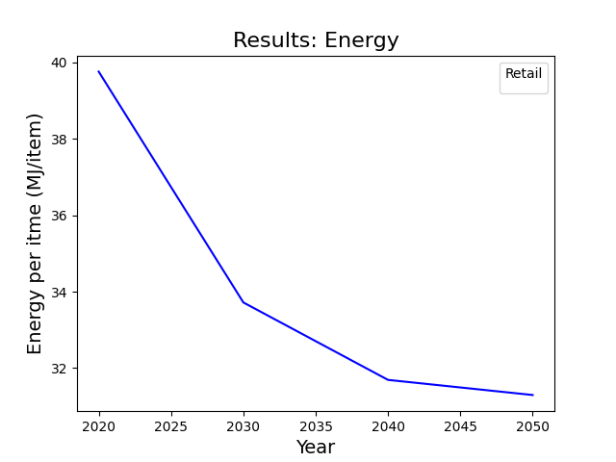
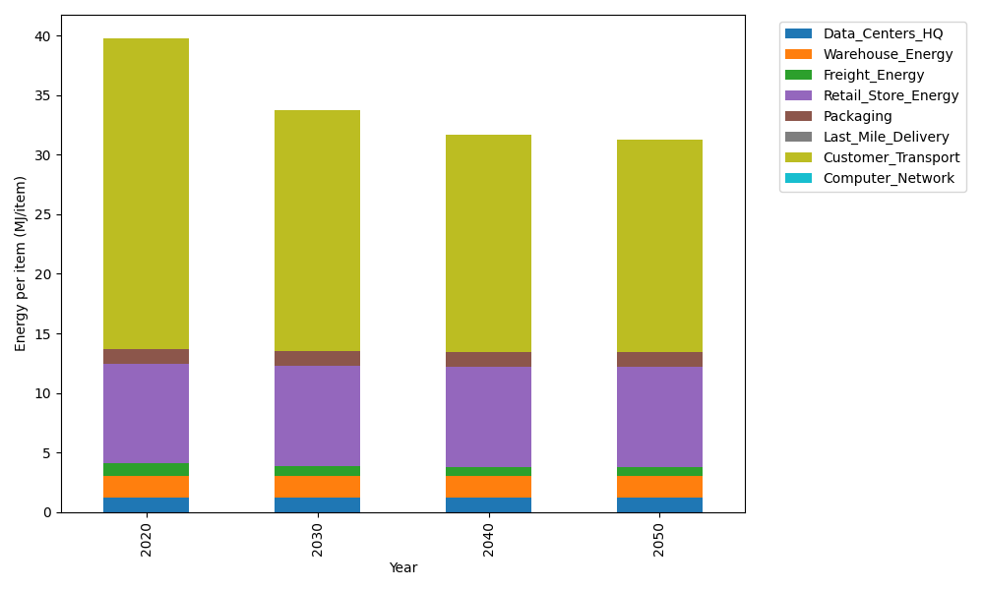
Years | Data_Centers_HQ | Warehouse_Energy | Freight_Energy | Retail_Store_Energy | Packaging | Last_Mile_Delivery | Customer_Transport | Computer_Network | Total
2020 | 1.2172633253 | 1.84 | 1.0066539841 | 8.415 | 1.2147367196 | 0 | 26.068604197 | 0 | 39.762258226
2030 | 1.2172633253 | 1.84 | 0.83171516713 | 8.415 | 1.2147367196 | 0 | 20.197829645 | 0 | 33.716544857
2040 | 1.2172633253 | 1.84 | 0.74274250146 | 8.415 | 1.2147367196 | 0 | 18.25893357 | 0 | 31.688676117
2050 | 1.2172633253 | 1.84 | 0.72473427844 | 8.415 | 1.2147367196 | 0 | 17.881129317 | 0 | 31.29286364

CO2_item
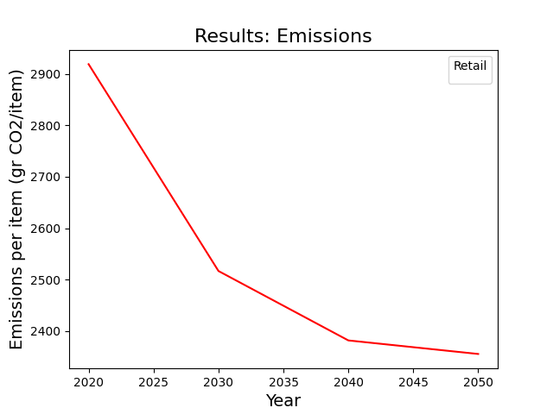
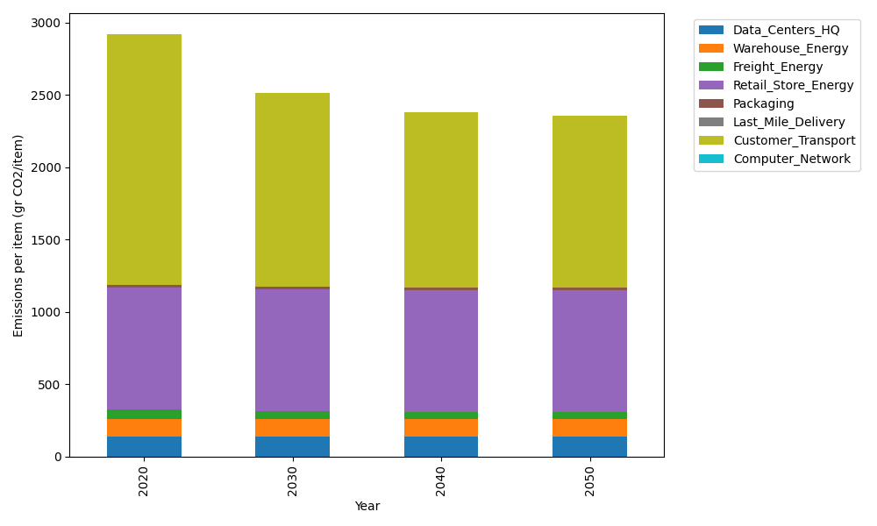
Years | Data_Centers_HQ | Warehouse_Energy | Freight_Energy | Retail_Store_Energy | Packaging | Last_Mile_Delivery | Customer_Transport | Computer_Network | Total
2020 | 137.48834654 | 120.73500736 | 69.099878247 | 839.18807354 | 17.990768952 | 0 | 1734.7161164 | 0 | 2919.218191
2030 | 137.48834654 | 120.73500736 | 57.091530645 | 839.18807354 | 17.990768952 | 0 | 1344.0497365 | 0 | 2516.5434635
2040 | 137.48834654 | 120.73500736 | 50.984168571 | 839.18807354 | 17.990768952 | 0 | 1215.0273215 | 0 | 2381.4136864
2050 | 137.48834654 | 120.73500736 | 49.748027814 | 839.18807354 | 17.990768952 | 0 | 1189.8866149 | 0 | 2355.0368391

