Energy_item
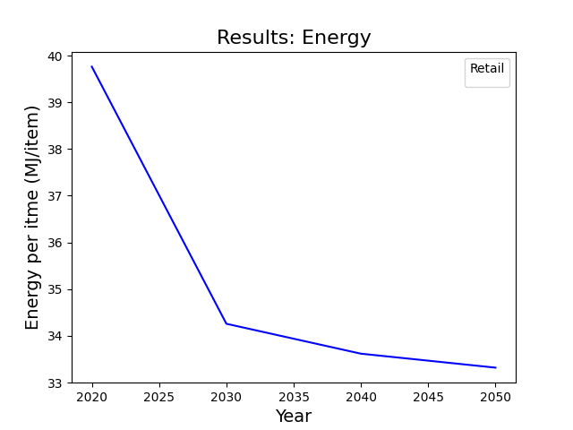
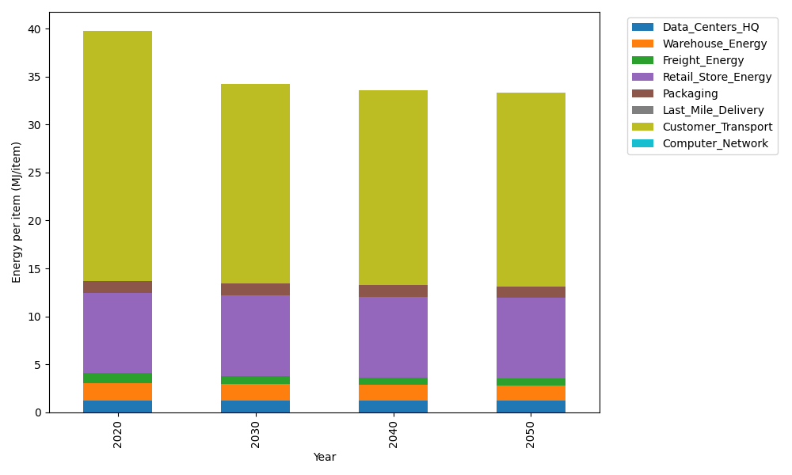
Years | Data_Centers_HQ | Warehouse_Energy | Freight_Energy | Retail_Store_Energy | Packaging | Last_Mile_Delivery | Customer_Transport | Computer_Network | Total
2020 | 1.2172633253 | 1.84 | 1.0066539841 | 8.415 | 1.2147367196 | 0 | 26.068604197 | 0 | 39.762258226
2030 | 1.2172633253 | 1.6928 | 0.87293938648 | 8.415 | 1.2754735556 | 0 | 20.785215485 | 0 | 34.258691753
2040 | 1.2172633253 | 1.6192 | 0.77202228654 | 8.415 | 1.239031454 | 0 | 20.355539626 | 0 | 33.618056692
2050 | 1.2172633253 | 1.5456 | 0.733192827 | 8.415 | 1.2147367196 | 0 | 20.19331736 | 0 | 33.319110231

CO2_item
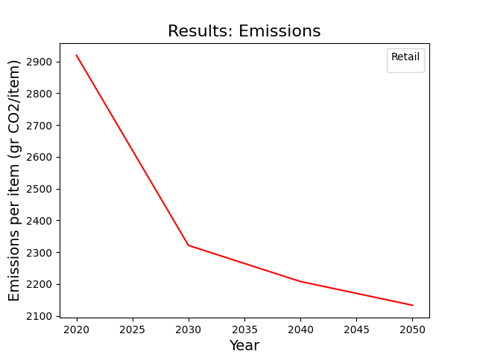
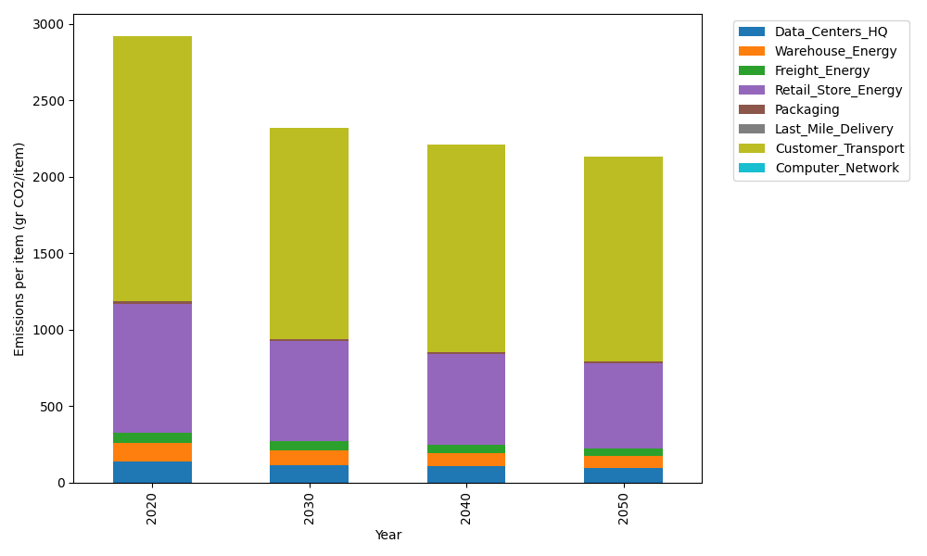
Years | Data_Centers_HQ | Warehouse_Energy | Freight_Energy | Retail_Store_Energy | Packaging | Last_Mile_Delivery | Customer_Transport | Computer_Network | Total
2020 | 137.48834654 | 120.73500736 | 69.099878247 | 839.18807354 | 17.990768952 | 0 | 1734.7161164 | 0 | 2919.218191
2030 | 114.20686761 | 94.173305739 | 59.879345106 | 654.56669736 | 15.472061299 | 0 | 1383.1368957 | 0 | 2321.4351728
2040 | 105.74087527 | 85.721855224 | 52.930431775 | 595.82353221 | 13.133261335 | 0 | 1354.5444313 | 0 | 2207.8943871
2050 | 94.100135801 | 79.685104856 | 50.238057477 | 553.86412854 | 11.693999819 | 0 | 1343.7494697 | 0 | 2133.3308962

