Energy_item
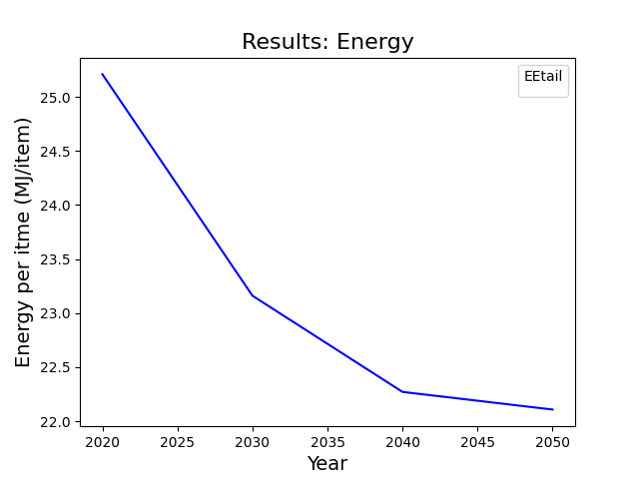
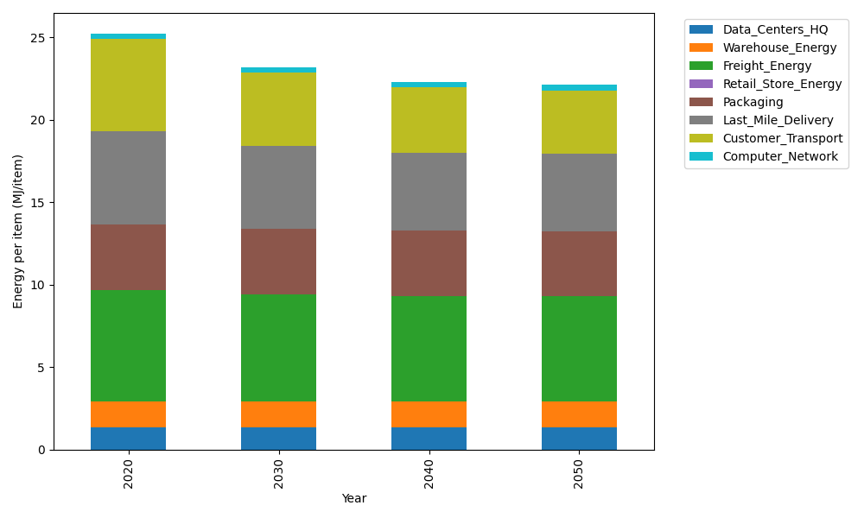
Years | Data_Centers_HQ | Warehouse_Energy | Freight_Energy | Retail_Store_Energy | Packaging | Last_Mile_Delivery | Customer_Transport | Computer_Network | Total
2020 | 1.3707219138 | 1.548 | 6.7351484045 | 0 | 3.966722758 | 5.663191959 | 5.5983553792 | 0.32656171373 | 25.208702128
2030 | 1.3707219138 | 1.548 | 6.5019915614 | 0 | 3.966722758 | 5.0092478674 | 4.4373243178 | 0.32656171373 | 23.160570132
2040 | 1.3707219138 | 1.548 | 6.3829795079 | 0 | 3.966722758 | 4.7163482244 | 3.9595987132 | 0.32656171373 | 22.270932831
2050 | 1.3707219138 | 1.548 | 6.3590937953 | 0 | 3.966722758 | 4.6693834656 | 3.8674990436 | 0.32656171373 | 22.10798269

CO2_item
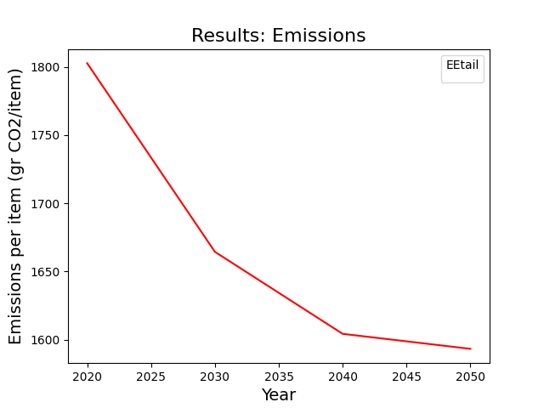
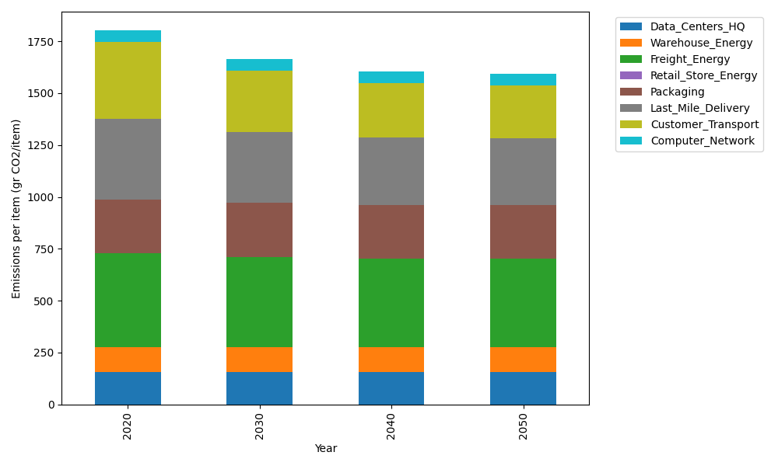
Years | Data_Centers_HQ | Warehouse_Energy | Freight_Energy | Retail_Store_Energy | Packaging | Last_Mile_Delivery | Customer_Transport | Computer_Network | Total
2020 | 157.73612384 | 118.6161301 | 450.79163371 | 0 | 259.06707291 | 388.73921032 | 372.53844617 | 55.083386689 | 1802.5720037
2030 | 157.73612384 | 118.6161301 | 434.7870187 | 0 | 259.06707291 | 343.85044235 | 295.27848708 | 55.083386689 | 1664.4186617
2040 | 157.73612384 | 118.6161301 | 426.61765908 | 0 | 259.06707291 | 323.74489468 | 263.48858766 | 55.083386689 | 1604.353855
2050 | 157.73612384 | 118.6161301 | 424.97806906 | 0 | 259.06707291 | 320.52108673 | 257.3598828 | 55.083386689 | 1593.3617521

