Energy_item
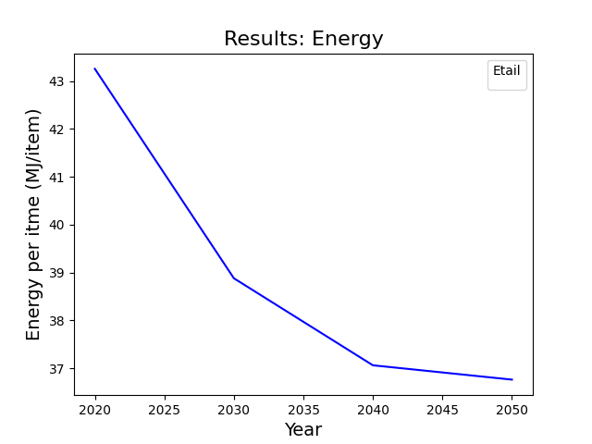
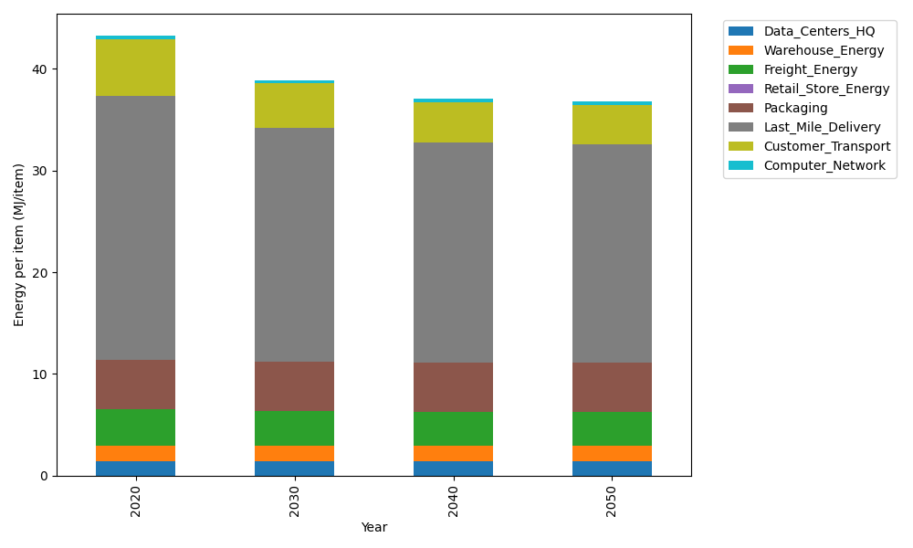
Years | Data_Centers_HQ | Warehouse_Energy | Freight_Energy | Retail_Store_Energy | Packaging | Last_Mile_Delivery | Customer_Transport | Computer_Network | Total
2020 | 1.3707219138 | 1.548 | 3.6014234063 | 0 | 4.8467995113 | 25.976007522 | 5.5876168941 | 0.32656171373 | 43.257130961
2030 | 1.3707219138 | 1.548 | 3.4438588204 | 0 | 4.8467995113 | 23.000458292 | 4.344692807 | 0.32656171373 | 38.881093058
2040 | 1.3707219138 | 1.548 | 3.3634319083 | 0 | 4.8467995113 | 21.641568548 | 3.9662830311 | 0.32656171373 | 37.063366627
2050 | 1.3707219138 | 1.548 | 3.3472902315 | 0 | 4.8467995113 | 21.436488232 | 3.8883301376 | 0.32656171373 | 36.76419174

CO2_item
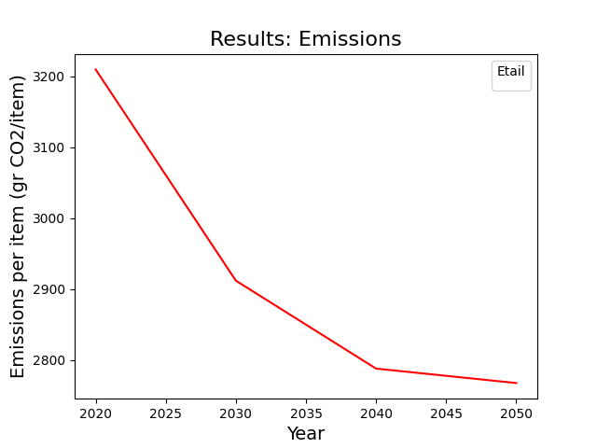
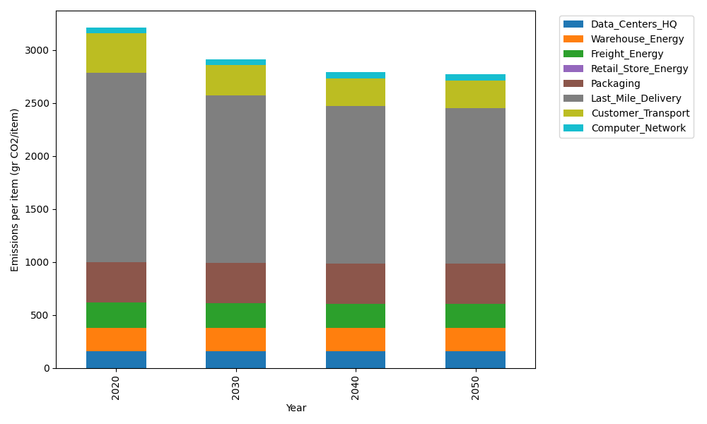
Years | Data_Centers_HQ | Warehouse_Energy | Freight_Energy | Retail_Store_Energy | Packaging | Last_Mile_Delivery | Customer_Transport | Computer_Network | Total
2020 | 157.73612384 | 220.80520494 | 241.44795769 | 0 | 379.96504026 | 1783.0744083 | 371.82386157 | 55.083386689 | 3209.9359833
2030 | 157.73612384 | 220.80520494 | 230.63223166 | 0 | 379.96504026 | 1578.8234017 | 289.11439124 | 55.083386689 | 2912.1597804
2040 | 157.73612384 | 220.80520494 | 225.11147684 | 0 | 379.96504026 | 1485.5449592 | 263.93339069 | 55.083386689 | 2788.1795824
2050 | 157.73612384 | 220.80520494 | 224.00346166 | 0 | 379.96504026 | 1471.4676047 | 258.74607265 | 55.083386689 | 2767.8068948

