Energy_item
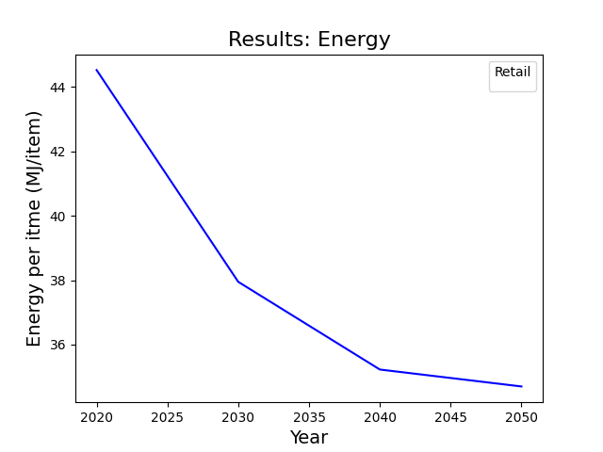
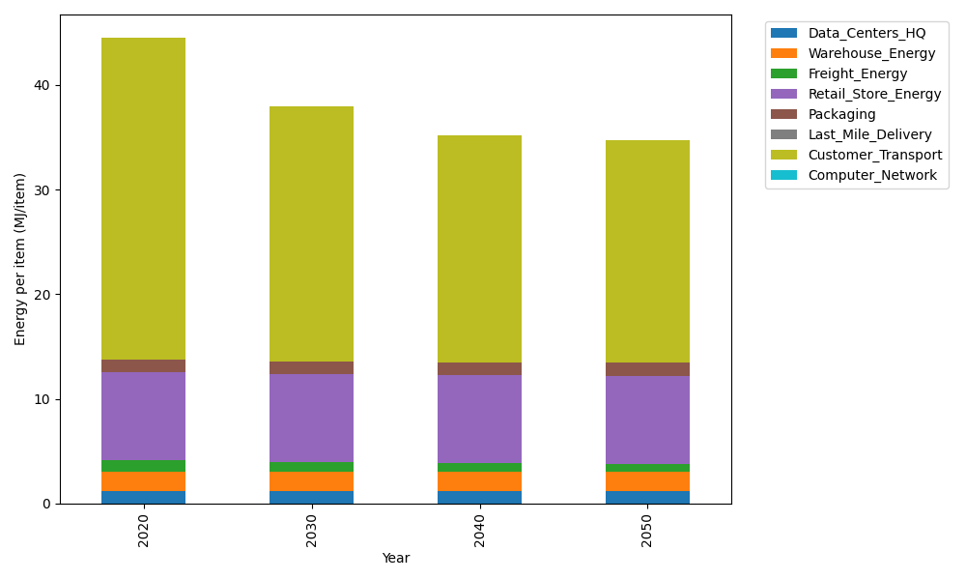
Years | Data_Centers_HQ | Warehouse_Energy | Freight_Energy | Retail_Store_Energy | Packaging | Last_Mile_Delivery | Customer_Transport | Computer_Network | Total
2020 | 1.2172633253 | 1.84 | 1.0383465358 | 8.415 | 1.2147367196 | 0 | 30.790954585 | 0 | 44.516301166
2030 | 1.2172633253 | 1.84 | 0.85635813891 | 8.415 | 1.2147367196 | 0 | 24.405283748 | 0 | 37.948641932
2040 | 1.2172633253 | 1.84 | 0.76346439174 | 8.415 | 1.2147367196 | 0 | 21.777792923 | 0 | 35.228257359
2050 | 1.2172633253 | 1.84 | 0.7448206218 | 8.415 | 1.2147367196 | 0 | 21.27124474 | 0 | 34.703065407

CO2_item
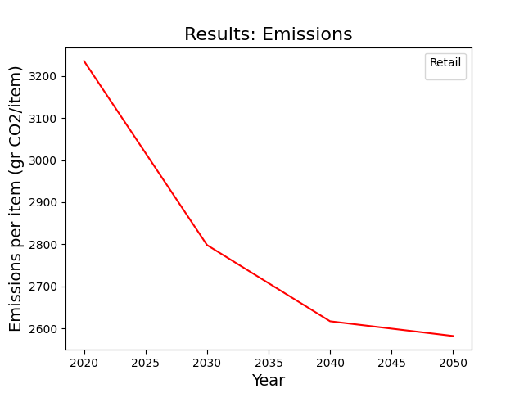
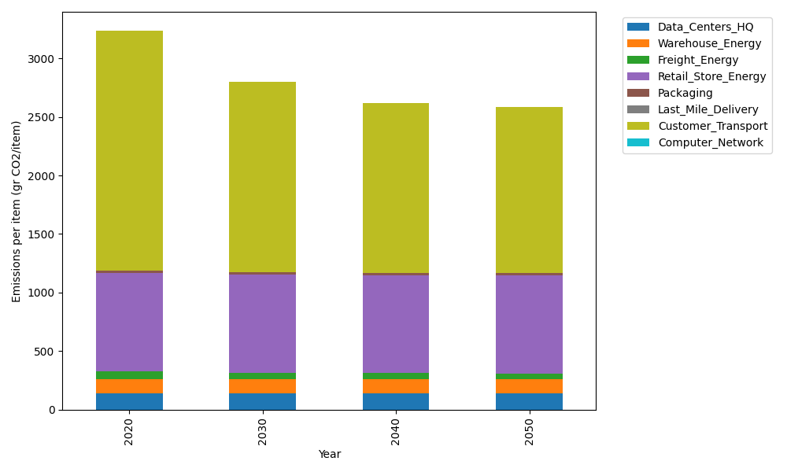
Years | Data_Centers_HQ | Warehouse_Energy | Freight_Energy | Retail_Store_Energy | Packaging | Last_Mile_Delivery | Customer_Transport | Computer_Network | Total
2020 | 137.48834654 | 120.73500736 | 71.275354125 | 839.18807354 | 17.990768952 | 0 | 2048.9614539 | 0 | 3235.6390045
2030 | 137.48834654 | 120.73500736 | 58.783101311 | 839.18807354 | 17.990768952 | 0 | 1624.031679 | 0 | 2798.2169767
2040 | 137.48834654 | 120.73500736 | 52.406583937 | 839.18807354 | 17.990768952 | 0 | 1449.1872321 | 0 | 2616.9960125
2050 | 137.48834654 | 120.73500736 | 51.126817251 | 839.18807354 | 17.990768952 | 0 | 1415.4793554 | 0 | 2582.0083691

