Energy_item
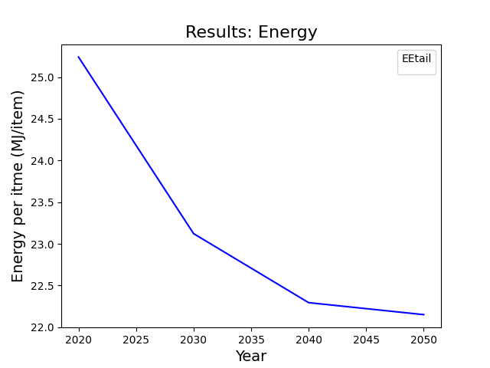
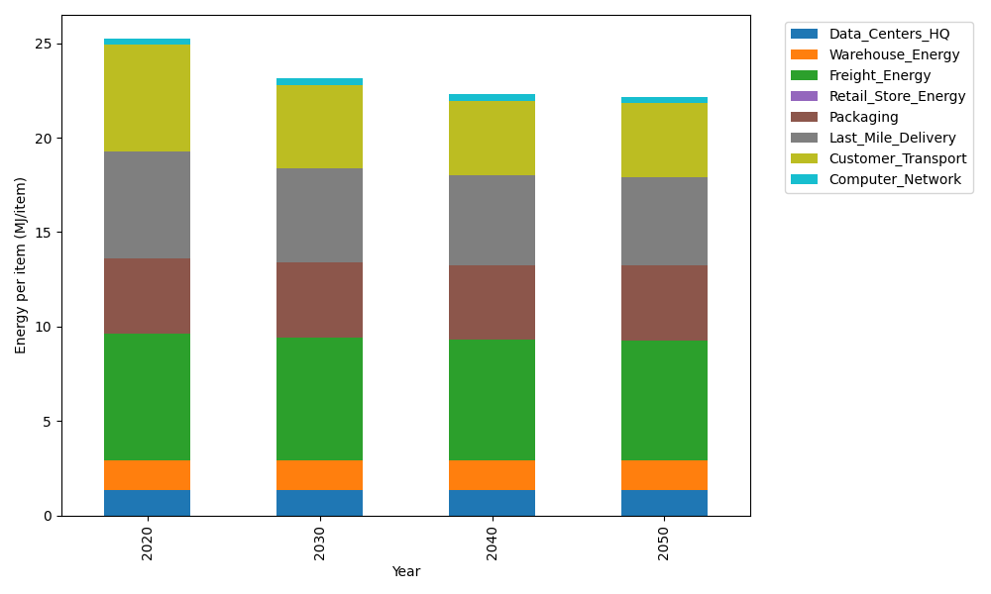
Years | Data_Centers_HQ | Warehouse_Energy | Freight_Energy | Retail_Store_Energy | Packaging | Last_Mile_Delivery | Customer_Transport | Computer_Network | Total
2020 | 1.3707219138 | 1.548 | 6.7351484045 | 0 | 3.966722758 | 5.6636931493 | 5.6297928399 | 0.32656171373 | 25.240640779
2030 | 1.3707219138 | 1.548 | 6.5019915614 | 0 | 3.966722758 | 5.0180335733 | 4.3909939551 | 0.32656171373 | 23.123025475
2040 | 1.3707219138 | 1.548 | 6.3829795079 | 0 | 3.966722758 | 4.7216903757 | 3.9782910403 | 0.32656171373 | 22.294967309
2050 | 1.3707219138 | 1.548 | 6.3590937953 | 0 | 3.966722758 | 4.6688397293 | 3.9113211445 | 0.32656171373 | 22.151261055

CO2_item
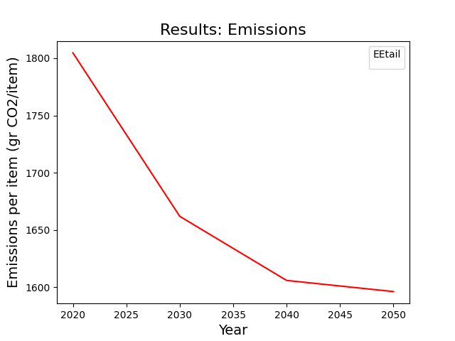
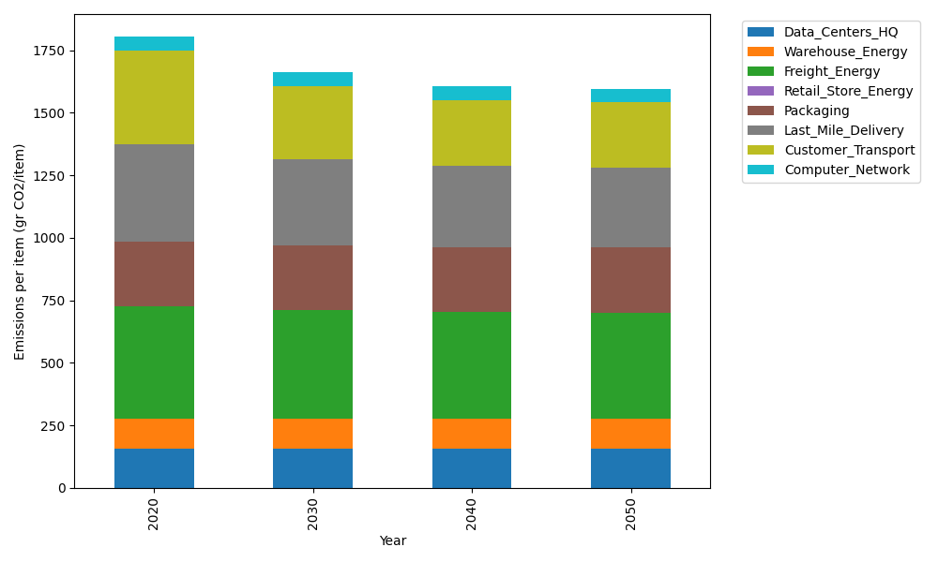
Years | Data_Centers_HQ | Warehouse_Energy | Freight_Energy | Retail_Store_Energy | Packaging | Last_Mile_Delivery | Customer_Transport | Computer_Network | Total
2020 | 157.73612384 | 118.6161301 | 450.79163371 | 0 | 259.06707291 | 388.77361358 | 374.6304289 | 55.083386689 | 1804.6983897
2030 | 157.73612384 | 118.6161301 | 434.7870187 | 0 | 259.06707291 | 344.45352069 | 292.19546713 | 55.083386689 | 1661.9387201
2040 | 157.73612384 | 118.6161301 | 426.61765908 | 0 | 259.06707291 | 324.11159666 | 264.73245484 | 55.083386689 | 1605.9644241
2050 | 157.73612384 | 118.6161301 | 424.97806906 | 0 | 259.06707291 | 320.48376297 | 260.27599231 | 55.083386689 | 1596.2405379

