Energy_item
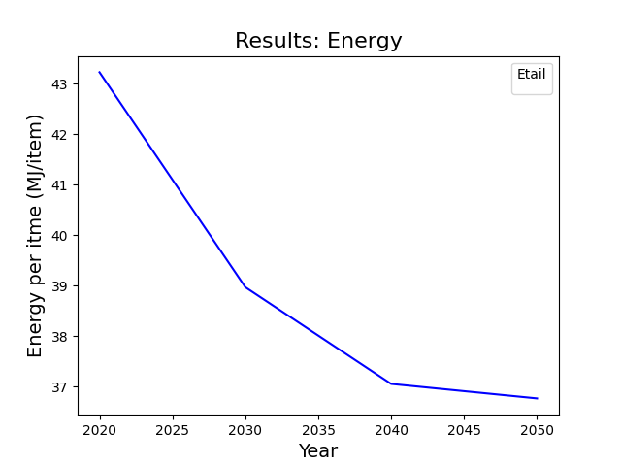
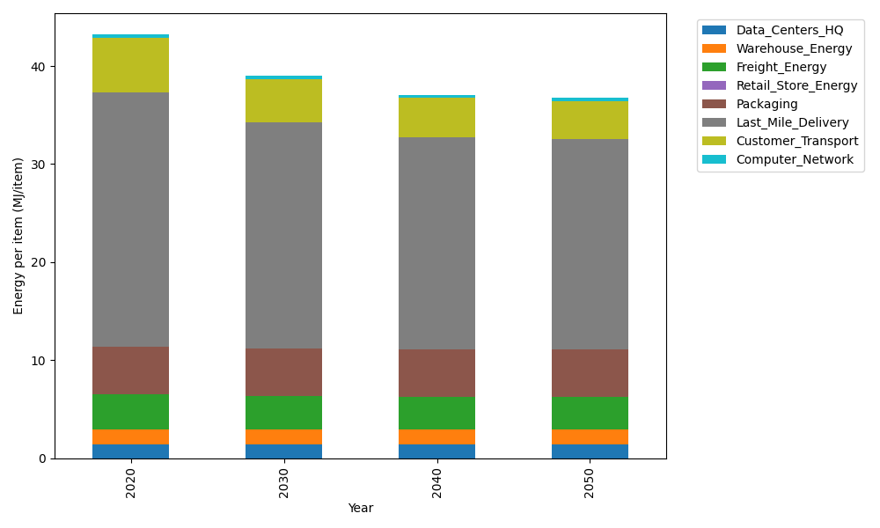
Years | Data_Centers_HQ | Warehouse_Energy | Freight_Energy | Retail_Store_Energy | Packaging | Last_Mile_Delivery | Customer_Transport | Computer_Network | Total
2020 | 1.3707219138 | 1.548 | 3.6014234063 | 0 | 4.8467995113 | 25.972691654 | 5.5594388979 | 0.32656171373 | 43.225637097
2030 | 1.3707219138 | 1.548 | 3.4438588204 | 0 | 4.8467995113 | 23.021446647 | 4.4138993966 | 0.32656171373 | 38.971288003
2040 | 1.3707219138 | 1.548 | 3.3634319083 | 0 | 4.8467995113 | 21.646684068 | 3.9544951001 | 0.32656171373 | 37.056694215
2050 | 1.3707219138 | 1.548 | 3.3472902315 | 0 | 4.8467995113 | 21.427915014 | 3.9020227935 | 0.32656171373 | 36.769311177

CO2_item
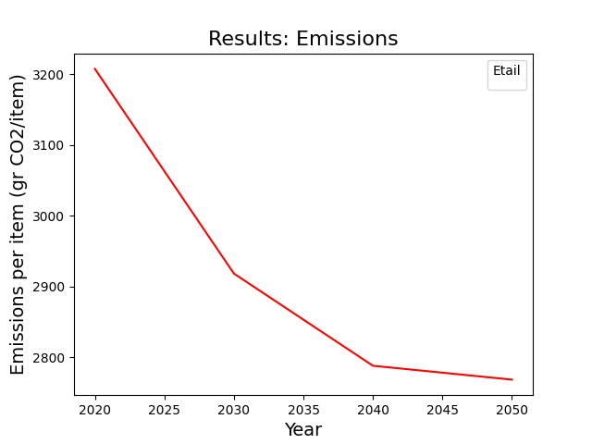
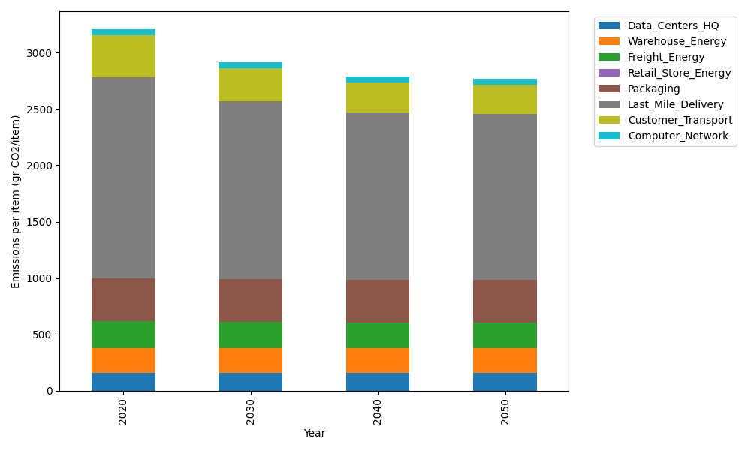
Years | Data_Centers_HQ | Warehouse_Energy | Freight_Energy | Retail_Store_Energy | Packaging | Last_Mile_Delivery | Customer_Transport | Computer_Network | Total
2020 | 157.73612384 | 220.80520494 | 241.44795769 | 0 | 379.96504026 | 1782.8467967 | 369.94877751 | 55.083386689 | 3207.8332876
2030 | 157.73612384 | 220.80520494 | 230.63223166 | 0 | 379.96504026 | 1580.2641081 | 293.71969291 | 55.083386689 | 2918.2057884
2040 | 157.73612384 | 220.80520494 | 225.11147684 | 0 | 379.96504026 | 1485.8961044 | 263.14897147 | 55.083386689 | 2787.7463085
2050 | 157.73612384 | 220.80520494 | 224.00346166 | 0 | 379.96504026 | 1470.8791122 | 259.65724038 | 55.083386689 | 2768.12957

