Energy_item
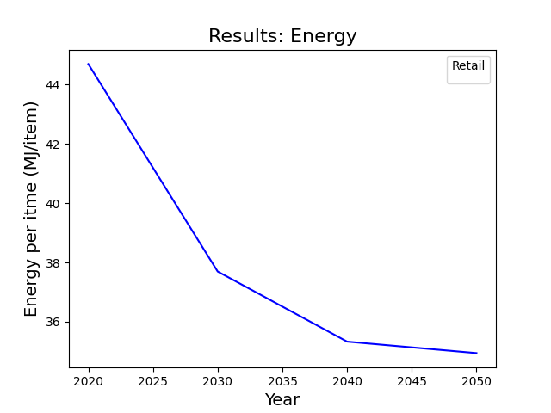
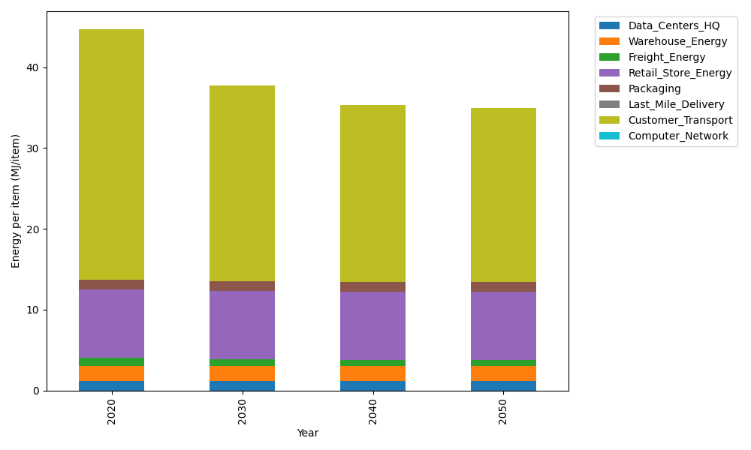
Years | Data_Centers_HQ | Warehouse_Energy | Freight_Energy | Retail_Store_Energy | Packaging | Last_Mile_Delivery | Customer_Transport | Computer_Network | Total
2020 | 1.2172633253 | 1.84 | 1.0383465358 | 8.415 | 1.2147367196 | 0 | 30.963860619 | 0 | 44.6892072
2030 | 1.2172633253 | 1.84 | 0.85635813891 | 8.415 | 1.2147367196 | 0 | 24.150466753 | 0 | 37.693824937
2040 | 1.2172633253 | 1.84 | 0.76346439174 | 8.415 | 1.2147367196 | 0 | 21.880600722 | 0 | 35.331065159
2050 | 1.2172633253 | 1.84 | 0.7448206218 | 8.415 | 1.2147367196 | 0 | 21.512266295 | 0 | 34.944086961

CO2_item
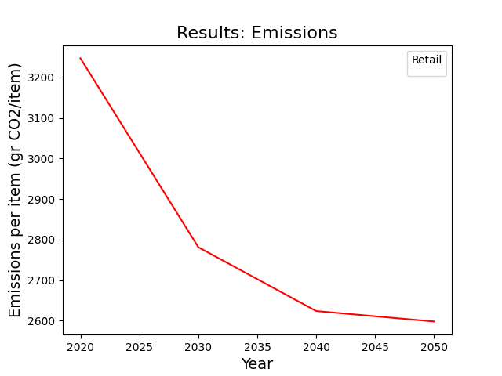
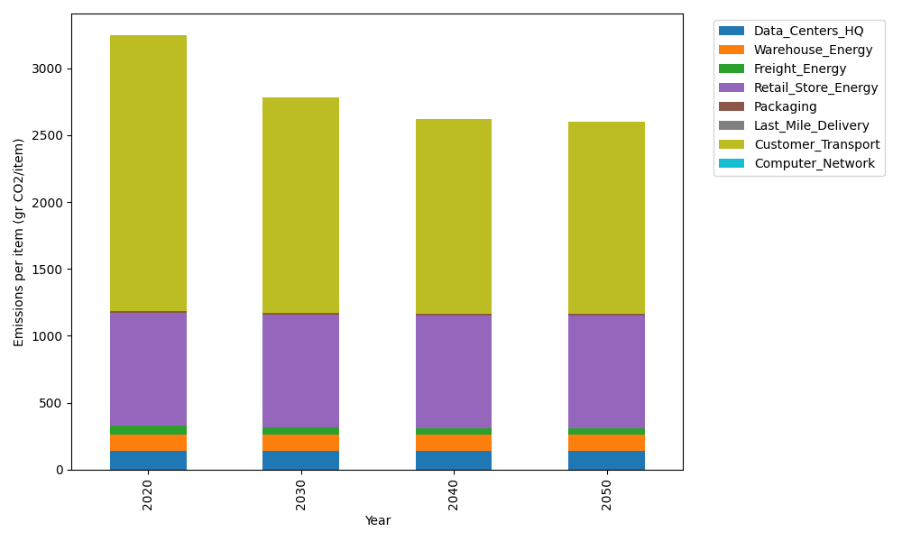
Years | Data_Centers_HQ | Warehouse_Energy | Freight_Energy | Retail_Store_Energy | Packaging | Last_Mile_Delivery | Customer_Transport | Computer_Network | Total
2020 | 137.48834654 | 120.73500736 | 71.275354125 | 839.18807354 | 17.990768952 | 0 | 2060.467359 | 0 | 3247.1449095
2030 | 137.48834654 | 120.73500736 | 58.783101311 | 839.18807354 | 17.990768952 | 0 | 1607.0750692 | 0 | 2781.2603669
2040 | 137.48834654 | 120.73500736 | 52.406583937 | 839.18807354 | 17.990768952 | 0 | 1456.0285016 | 0 | 2623.8372819
2050 | 137.48834654 | 120.73500736 | 51.126817251 | 839.18807354 | 17.990768952 | 0 | 1431.5179577 | 0 | 2598.0469714

