Energy_item
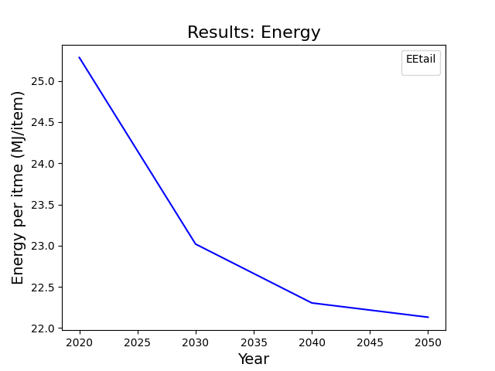
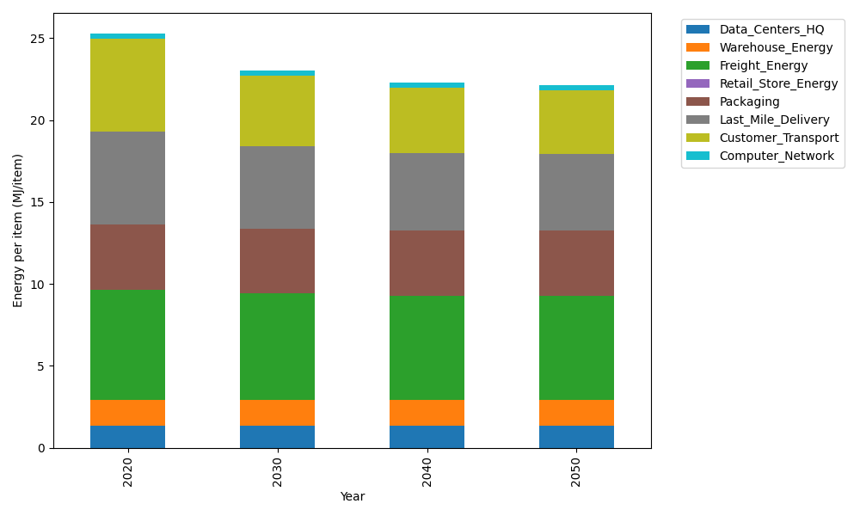
Years | Data_Centers_HQ | Warehouse_Energy | Freight_Energy | Retail_Store_Energy | Packaging | Last_Mile_Delivery | Customer_Transport | Computer_Network | Total
2020 | 1.3707219138 | 1.548 | 6.7351484045 | 0 | 3.966722758 | 5.6693600299 | 5.6663937967 | 0.32656171373 | 25.282908617
2030 | 1.3707219138 | 1.548 | 6.5019915614 | 0 | 3.966722758 | 5.0156458065 | 4.2896257103 | 0.32656171373 | 23.019269464
2040 | 1.3707219138 | 1.548 | 6.3829795079 | 0 | 3.966722758 | 4.7272471186 | 3.9825771161 | 0.32656171373 | 22.304810128
2050 | 1.3707219138 | 1.548 | 6.3590937953 | 0 | 3.966722758 | 4.6675217204 | 3.8931106088 | 0.32656171373 | 22.13173251

CO2_item
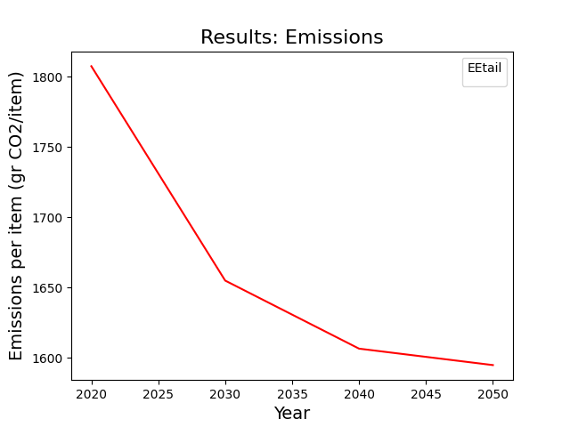
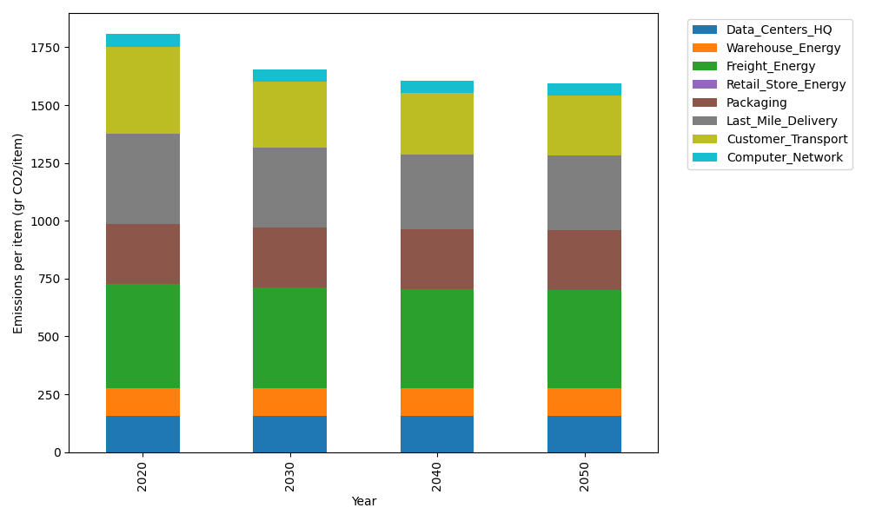
Years | Data_Centers_HQ | Warehouse_Energy | Freight_Energy | Retail_Store_Energy | Packaging | Last_Mile_Delivery | Customer_Transport | Computer_Network | Total
2020 | 157.73612384 | 118.6161301 | 450.79163371 | 0 | 259.06707291 | 389.162606 | 377.06601269 | 55.083386689 | 1807.5229659
2030 | 157.73612384 | 118.6161301 | 434.7870187 | 0 | 259.06707291 | 344.28961691 | 285.44999174 | 55.083386689 | 1655.0293409
2040 | 157.73612384 | 118.6161301 | 426.61765908 | 0 | 259.06707291 | 324.49302887 | 265.0176686 | 55.083386689 | 1606.6310701
2050 | 157.73612384 | 118.6161301 | 424.97806906 | 0 | 259.06707291 | 320.39329072 | 259.0641856 | 55.083386689 | 1594.9382589

