Energy_item
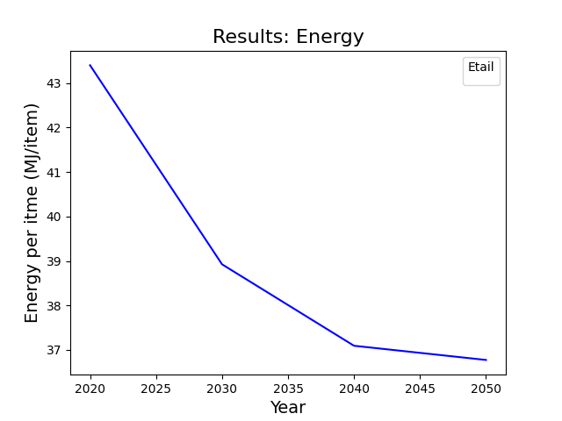
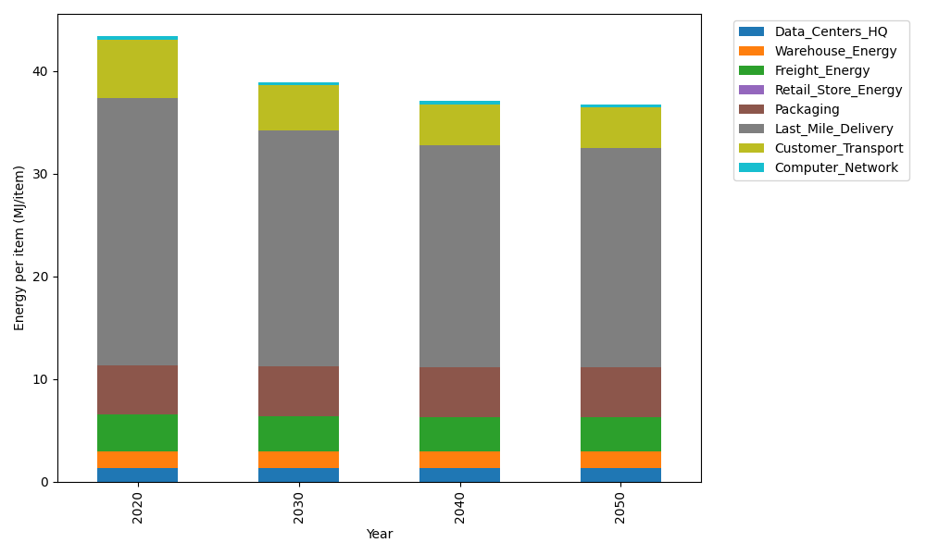
Years | Data_Centers_HQ | Warehouse_Energy | Freight_Energy | Retail_Store_Energy | Packaging | Last_Mile_Delivery | Customer_Transport | Computer_Network | Total
2020 | 1.3707219138 | 1.548 | 3.6014234063 | 0 | 4.8467995113 | 25.974171329 | 5.7341493661 | 0.32656171373 | 43.40182724
2030 | 1.3707219138 | 1.548 | 3.4438588204 | 0 | 4.8467995113 | 23.04037708 | 4.3484205025 | 0.32656171373 | 38.924739542
2040 | 1.3707219138 | 1.548 | 3.3634319083 | 0 | 4.8467995113 | 21.633713414 | 4.0034076489 | 0.32656171373 | 37.09263611
2050 | 1.3707219138 | 1.548 | 3.3472902315 | 0 | 4.8467995113 | 21.41788077 | 3.9158988273 | 0.32656171373 | 36.773152968

CO2_item
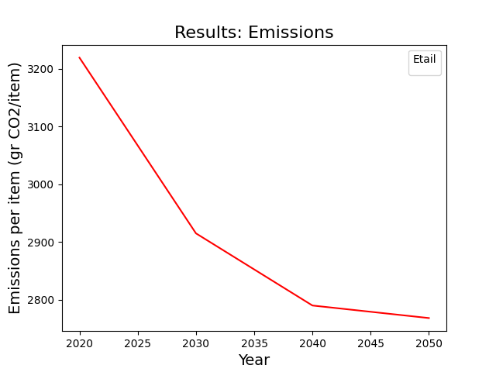
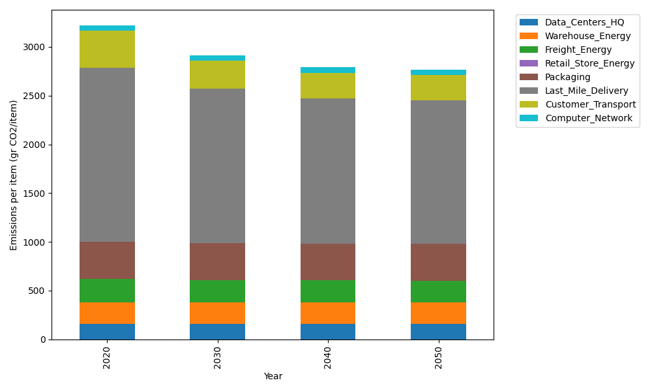
Years | Data_Centers_HQ | Warehouse_Energy | Freight_Energy | Retail_Store_Energy | Packaging | Last_Mile_Delivery | Customer_Transport | Computer_Network | Total
2020 | 157.73612384 | 220.80520494 | 241.44795769 | 0 | 379.96504026 | 1782.9483662 | 381.57475728 | 55.083386689 | 3219.5608369
2030 | 157.73612384 | 220.80520494 | 230.63223166 | 0 | 379.96504026 | 1581.5635522 | 289.362448 | 55.083386689 | 2915.1479876
2040 | 157.73612384 | 220.80520494 | 225.11147684 | 0 | 379.96504026 | 1485.0057582 | 266.4038211 | 55.083386689 | 2790.1108118
2050 | 157.73612384 | 220.80520494 | 224.00346166 | 0 | 379.96504026 | 1470.1903304 | 260.58061086 | 55.083386689 | 2768.3641586

