Energy_item
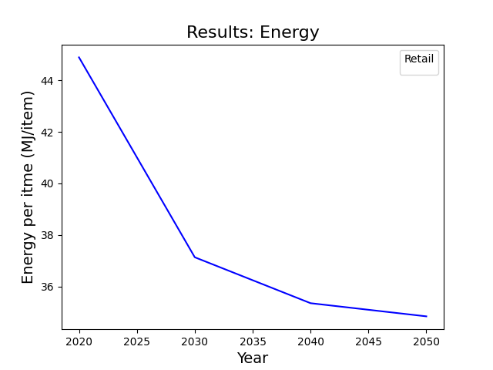
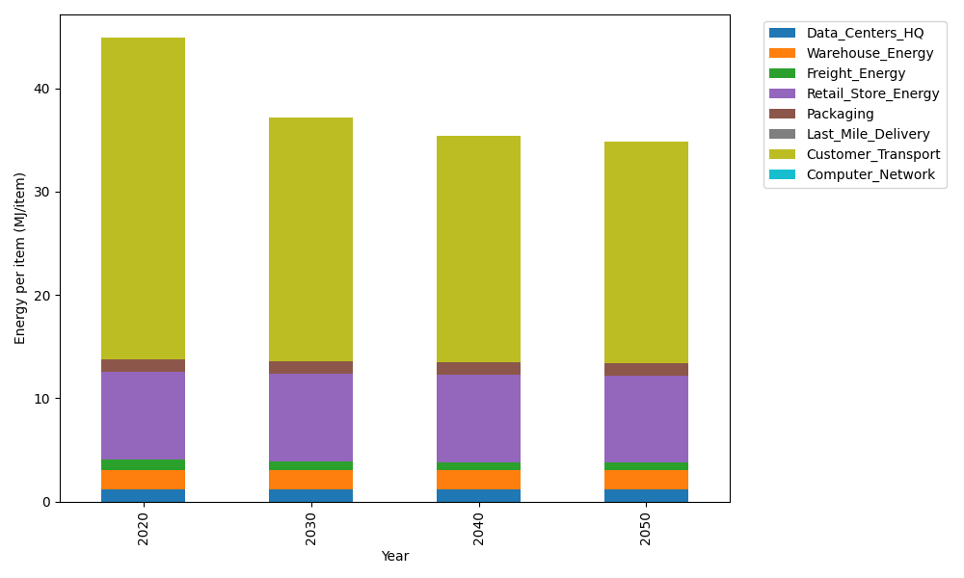
Years | Data_Centers_HQ | Warehouse_Energy | Freight_Energy | Retail_Store_Energy | Packaging | Last_Mile_Delivery | Customer_Transport | Computer_Network | Total
2020 | 1.2172633253 | 1.84 | 1.0383465358 | 8.415 | 1.2147367196 | 0 | 31.165165882 | 0 | 44.890512463
2030 | 1.2172633253 | 1.84 | 0.85635813891 | 8.415 | 1.2147367196 | 0 | 23.592941407 | 0 | 37.13629959
2040 | 1.2172633253 | 1.84 | 0.76346439174 | 8.415 | 1.2147367196 | 0 | 21.904174139 | 0 | 35.354638575
2050 | 1.2172633253 | 1.84 | 0.7448206218 | 8.415 | 1.2147367196 | 0 | 21.412108348 | 0 | 34.843929015

CO2_item
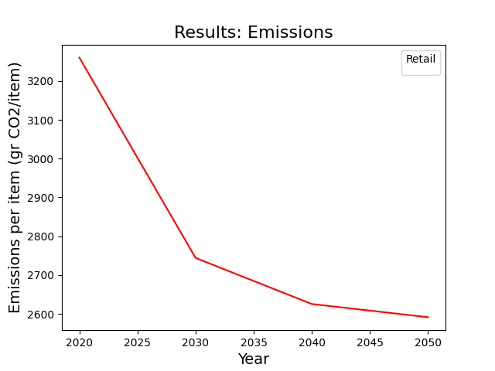
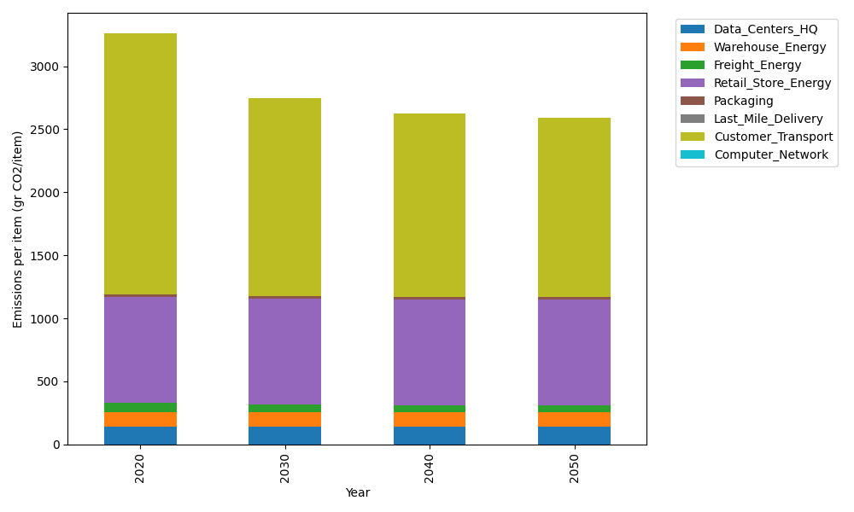
Years | Data_Centers_HQ | Warehouse_Energy | Freight_Energy | Retail_Store_Energy | Packaging | Last_Mile_Delivery | Customer_Transport | Computer_Network | Total
2020 | 137.48834654 | 120.73500736 | 71.275354125 | 839.18807354 | 17.990768952 | 0 | 2073.8630698 | 0 | 3260.5406203
2030 | 137.48834654 | 120.73500736 | 58.783101311 | 839.18807354 | 17.990768952 | 0 | 1569.9749546 | 0 | 2744.1602523
2040 | 137.48834654 | 120.73500736 | 52.406583937 | 839.18807354 | 17.990768952 | 0 | 1457.5971773 | 0 | 2625.4059576
2050 | 137.48834654 | 120.73500736 | 51.126817251 | 839.18807354 | 17.990768952 | 0 | 1424.8530208 | 0 | 2591.3820344

