Energy_item
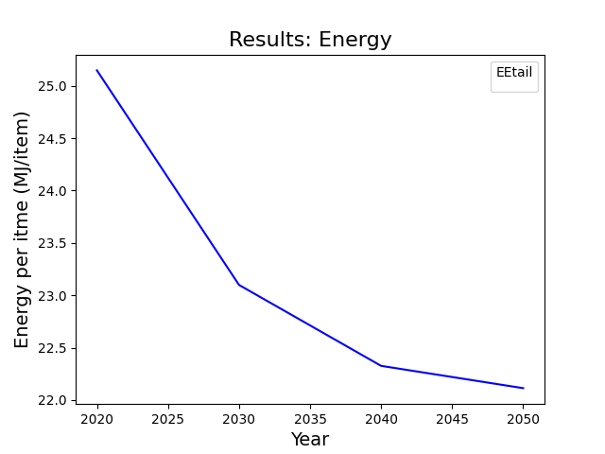
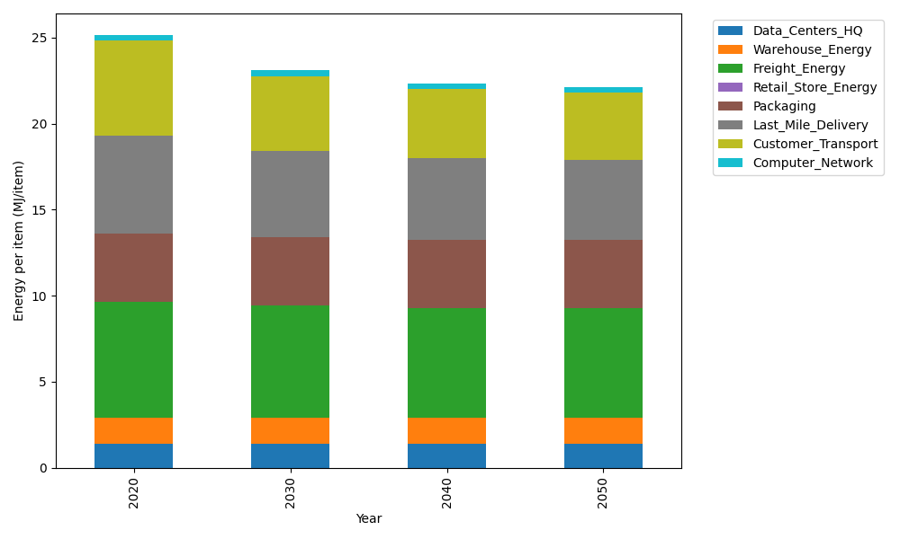
Years | Data_Centers_HQ | Warehouse_Energy | Freight_Energy | Retail_Store_Energy | Packaging | Last_Mile_Delivery | Customer_Transport | Computer_Network | Total
2020 | 1.3707219138 | 1.548 | 6.7351484045 | 0 | 3.966722758 | 5.6578801797 | 5.5417631367 | 0.32656171373 | 25.146798106
2030 | 1.3707219138 | 1.548 | 6.5019915614 | 0 | 3.966722758 | 5.0182817441 | 4.366087142 | 0.32656171373 | 23.098366833
2040 | 1.3707219138 | 1.548 | 6.3829795079 | 0 | 3.966722758 | 4.7167597294 | 4.0140534633 | 0.32656171373 | 22.325799086
2050 | 1.3707219138 | 1.548 | 6.3590937953 | 0 | 3.966722758 | 4.6679026704 | 3.8738539527 | 0.32656171373 | 22.112856804

CO2_item
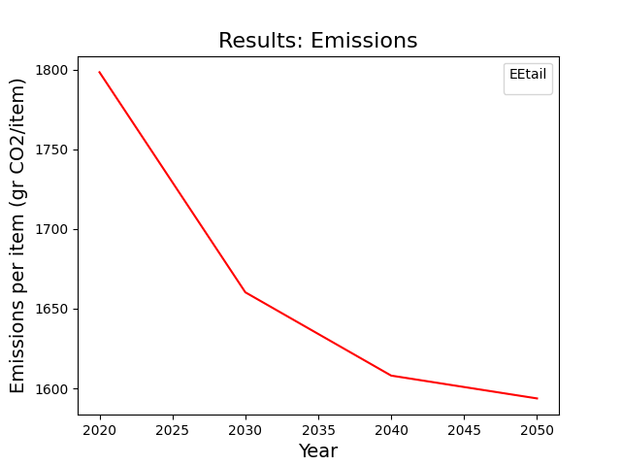
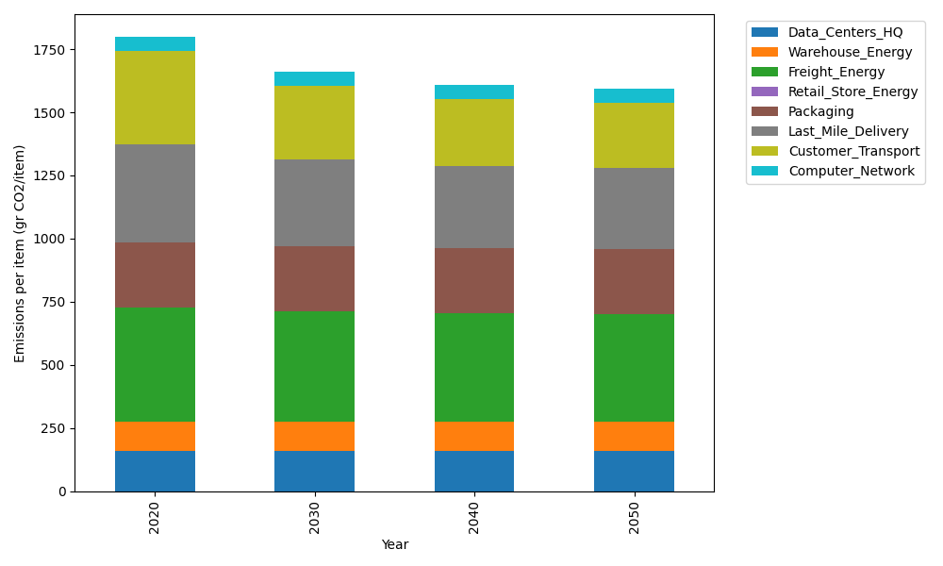
Years | Data_Centers_HQ | Warehouse_Energy | Freight_Energy | Retail_Store_Energy | Packaging | Last_Mile_Delivery | Customer_Transport | Computer_Network | Total
2020 | 157.73612384 | 118.6161301 | 450.79163371 | 0 | 259.06707291 | 388.37459317 | 368.77255697 | 55.083386689 | 1798.4414974
2030 | 157.73612384 | 118.6161301 | 434.7870187 | 0 | 259.06707291 | 344.47055591 | 290.53806155 | 55.083386689 | 1660.2983497
2040 | 157.73612384 | 118.6161301 | 426.61765908 | 0 | 259.06707291 | 323.77314167 | 267.11223901 | 55.083386689 | 1608.0057533
2050 | 157.73612384 | 118.6161301 | 424.97806906 | 0 | 259.06707291 | 320.41944032 | 257.78276556 | 55.083386689 | 1593.6829885

