Energy_item
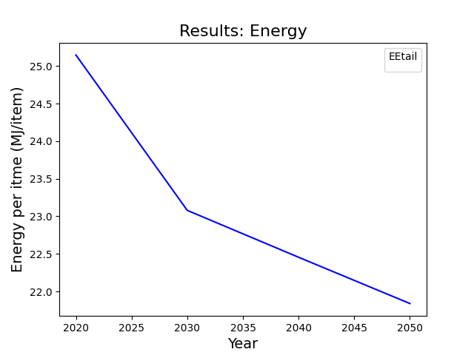
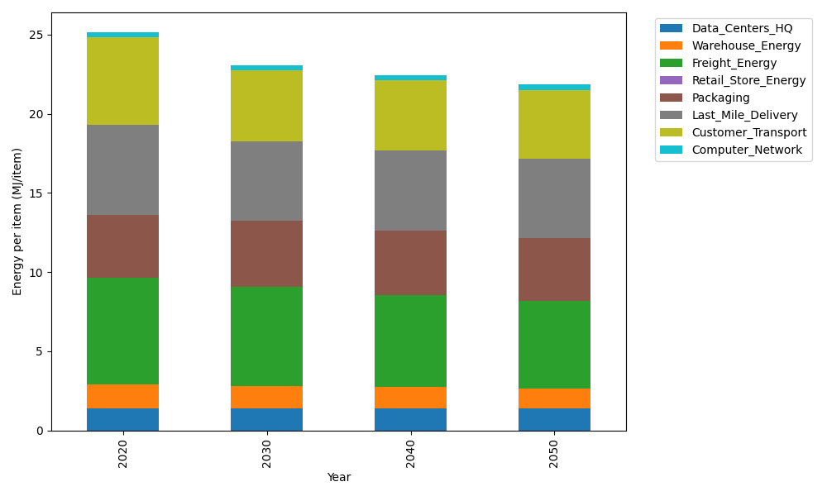
Years | Data_Centers_HQ | Warehouse_Energy | Freight_Energy | Retail_Store_Energy | Packaging | Last_Mile_Delivery | Customer_Transport | Computer_Network | Total
2020 | 1.3707219138 | 1.548 | 6.7351484045 | 0 | 3.966722758 | 5.6578801797 | 5.5417631367 | 0.32656171373 | 25.146798106
2030 | 1.3707219138 | 1.42416 | 6.2705277133 | 0 | 4.1650588959 | 5.0351158062 | 4.4869131895 | 0.32656171373 | 23.079059232
2040 | 1.3707219138 | 1.36224 | 5.8213719949 | 0 | 4.0460572131 | 5.060578492 | 4.4673947112 | 0.32656171373 | 22.454926039
2050 | 1.3707219138 | 1.30032 | 5.5084666859 | 0 | 3.966722758 | 4.998559916 | 4.3675606888 | 0.32656171373 | 21.838913676

CO2_item
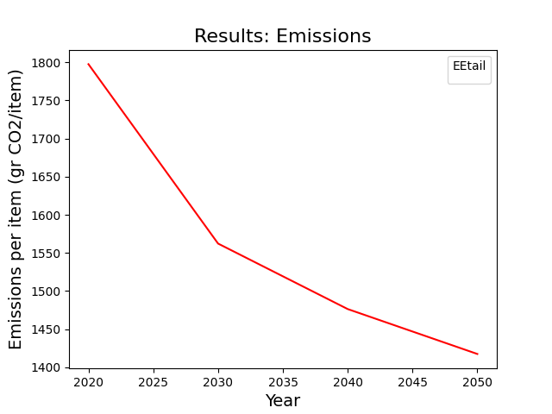
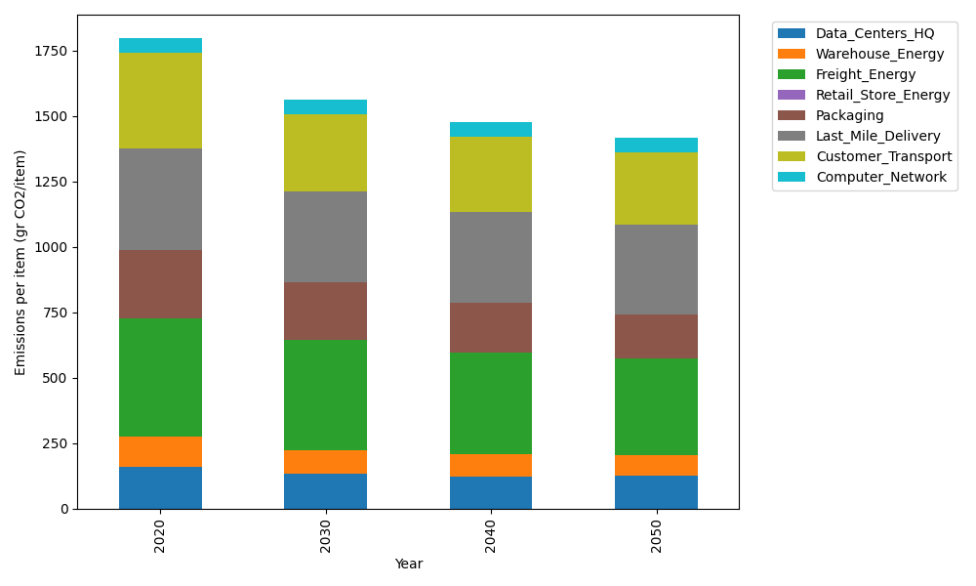
Years | Data_Centers_HQ | Warehouse_Energy | Freight_Energy | Retail_Store_Energy | Packaging | Last_Mile_Delivery | Customer_Transport | Computer_Network | Total
2020 | 157.73612384 | 118.6161301 | 450.79163371 | 0 | 259.06707291 | 388.37459317 | 367.70311655 | 55.083386689 | 1797.372057
2030 | 131.86534462 | 92.52058148 | 419.35449567 | 0 | 222.7976827 | 345.38416032 | 295.26412253 | 55.083386689 | 1562.269774
2040 | 123.24175154 | 84.217452373 | 389.23575868 | 0 | 189.11896322 | 346.92235087 | 288.62866589 | 55.083386689 | 1476.4483293
2050 | 125.70563528 | 78.286645868 | 368.28113953 | 0 | 168.39359739 | 342.46486604 | 279.38849989 | 55.083386689 | 1417.6037707

