Energy_item
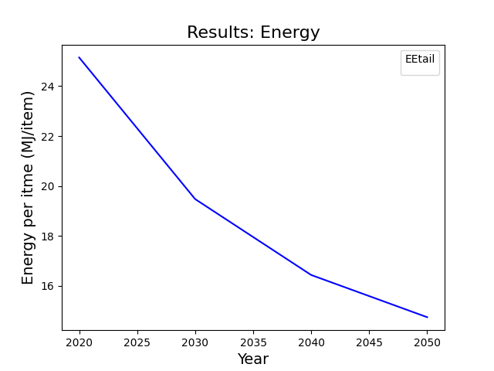
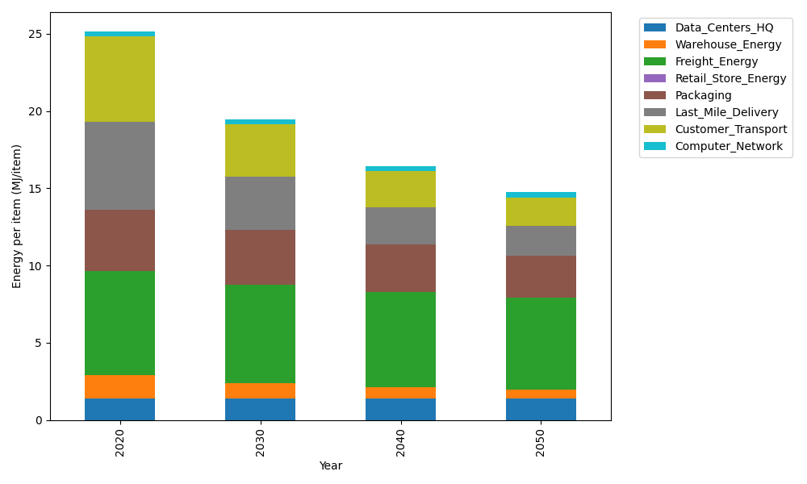
Years | Data_Centers_HQ | Warehouse_Energy | Freight_Energy | Retail_Store_Energy | Packaging | Last_Mile_Delivery | Customer_Transport | Computer_Network | Total
2020 | 1.3707219138 | 1.548 | 6.7351484045 | 0 | 3.966722758 | 5.6578801797 | 5.5417631367 | 0.32656171373 | 25.146798106
2030 | 1.3707219138 | 0.99072 | 6.4174274088 | 0 | 3.5303832546 | 3.4551324794 | 3.3841972361 | 0.32656171373 | 19.475144007
2040 | 1.3707219138 | 0.774 | 6.1629812844 | 0 | 3.0543765236 | 2.391768594 | 2.3558061435 | 0.32656171373 | 16.436216173
2050 | 1.3707219138 | 0.60372 | 5.9602330141 | 0 | 2.6973714754 | 1.915344987 | 1.8712242104 | 0.32656171373 | 14.745177315

CO2_item
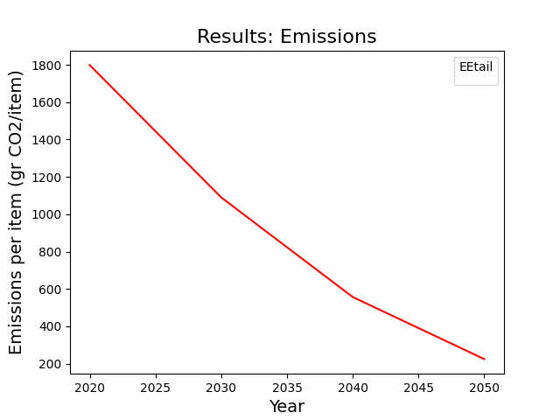
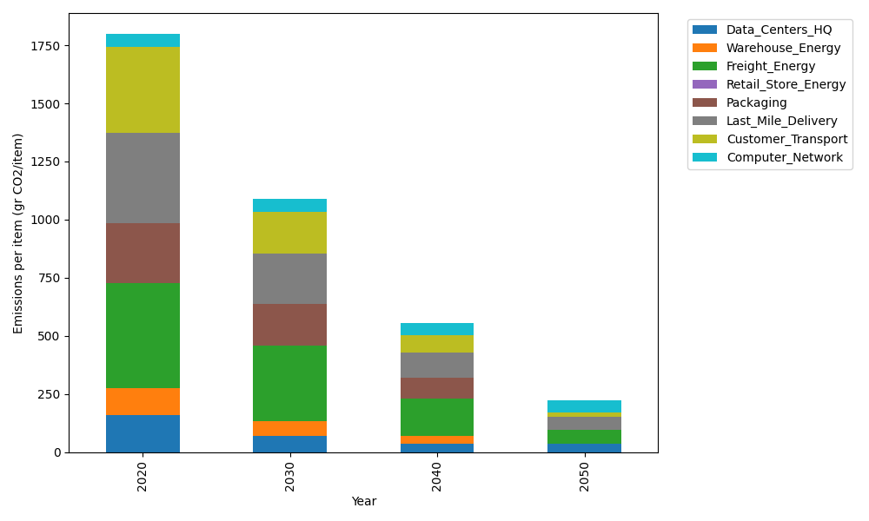
Years | Data_Centers_HQ | Warehouse_Energy | Freight_Energy | Retail_Store_Energy | Packaging | Last_Mile_Delivery | Customer_Transport | Computer_Network | Total
2020 | 157.73612384 | 118.6161301 | 450.79163371 | 0 | 259.06707291 | 388.37459317 | 368.77255697 | 55.083386689 | 1798.4414974
2030 | 71.737141217 | 61.680387654 | 324.19589513 | 0 | 178.75628031 | 218.19741284 | 180.15913524 | 55.083386689 | 1089.8096391
2040 | 34.541937055 | 35.584839031 | 162.03539553 | 0 | 88.082804789 | 107.53690286 | 73.679732947 | 55.083386689 | 556.54499891
2050 | 34.541937055 | 2.3723226021 | 60.891260896 | 0 | 0 | 53.904861125 | 17.432693668 | 55.083386689 | 224.22646203

