Energy_item
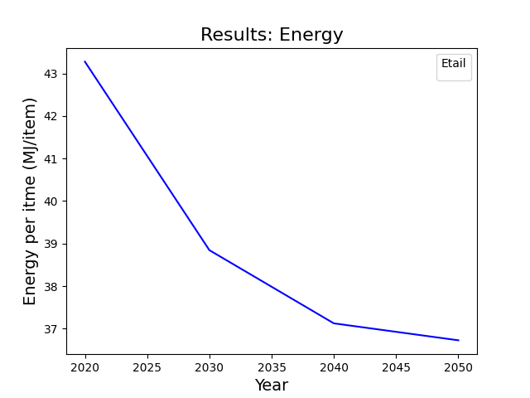
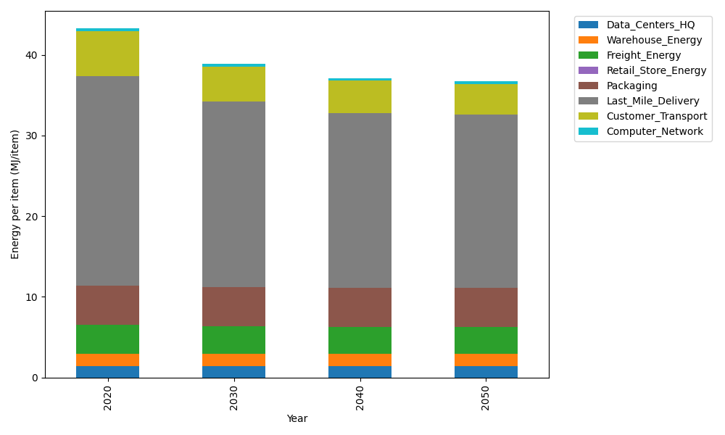
Years | Data_Centers_HQ | Warehouse_Energy | Freight_Energy | Retail_Store_Energy | Packaging | Last_Mile_Delivery | Customer_Transport | Computer_Network | Total
2020 | 1.3707219138 | 1.548 | 3.6014234063 | 0 | 4.8467995113 | 25.989676808 | 5.5939378112 | 0.32656171373 | 43.277121165
2030 | 1.3707219138 | 1.548 | 3.4438588204 | 0 | 4.8467995113 | 23.009360351 | 4.3001349616 | 0.32656171373 | 38.845437272
2040 | 1.3707219138 | 1.548 | 3.3634319083 | 0 | 4.8467995113 | 21.651989888 | 4.0171947418 | 0.32656171373 | 37.124699677
2050 | 1.3707219138 | 1.548 | 3.3472902315 | 0 | 4.8467995113 | 21.43528932 | 3.8519173457 | 0.32656171373 | 36.726580036

CO2_item
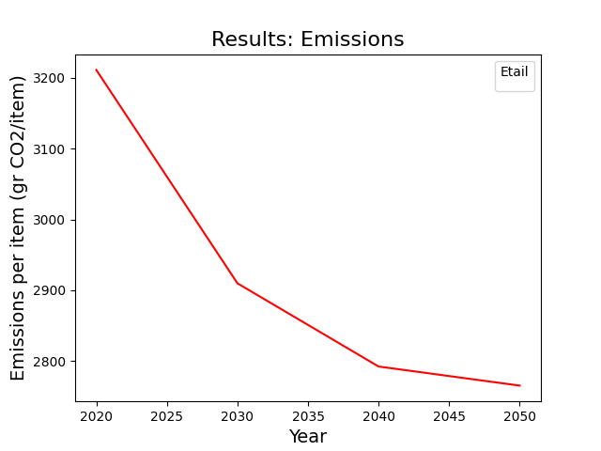
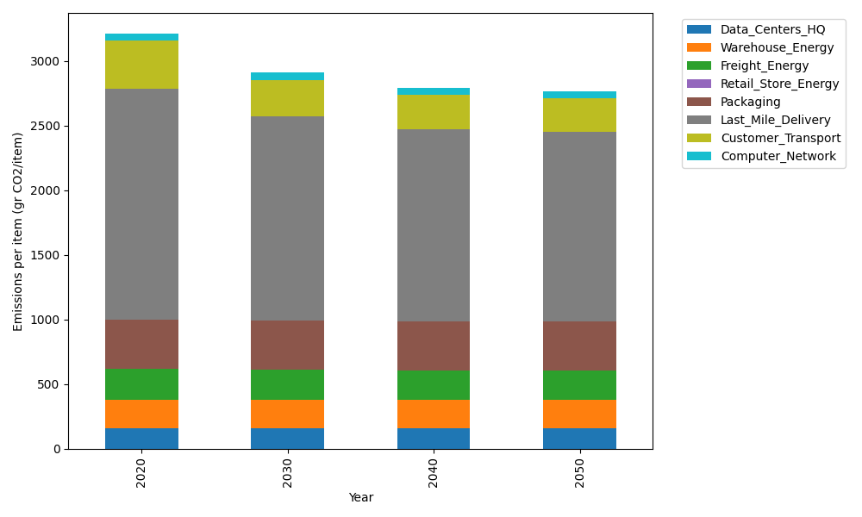
Years | Data_Centers_HQ | Warehouse_Energy | Freight_Energy | Retail_Store_Energy | Packaging | Last_Mile_Delivery | Customer_Transport | Computer_Network | Total
2020 | 157.73612384 | 220.80520494 | 241.44795769 | 0 | 379.96504026 | 1784.0127109 | 372.24448236 | 55.083386689 | 3211.2949066
2030 | 157.73612384 | 220.80520494 | 230.63223166 | 0 | 379.96504026 | 1579.4344669 | 286.14932215 | 55.083386689 | 2909.8057765
2040 | 157.73612384 | 220.80520494 | 225.11147684 | 0 | 379.96504026 | 1486.2603125 | 267.32127307 | 55.083386689 | 2792.2828182
2050 | 157.73612384 | 220.80520494 | 224.00346166 | 0 | 379.96504026 | 1471.3853077 | 256.32301016 | 55.083386689 | 2765.3015352

