Energy_item
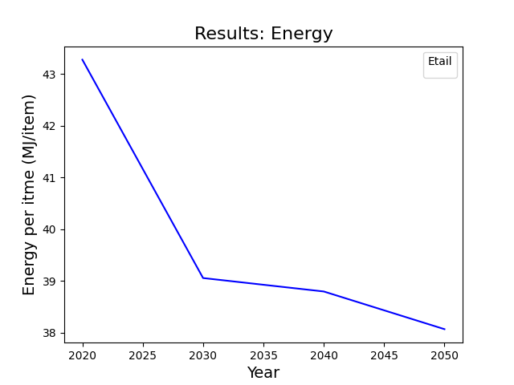
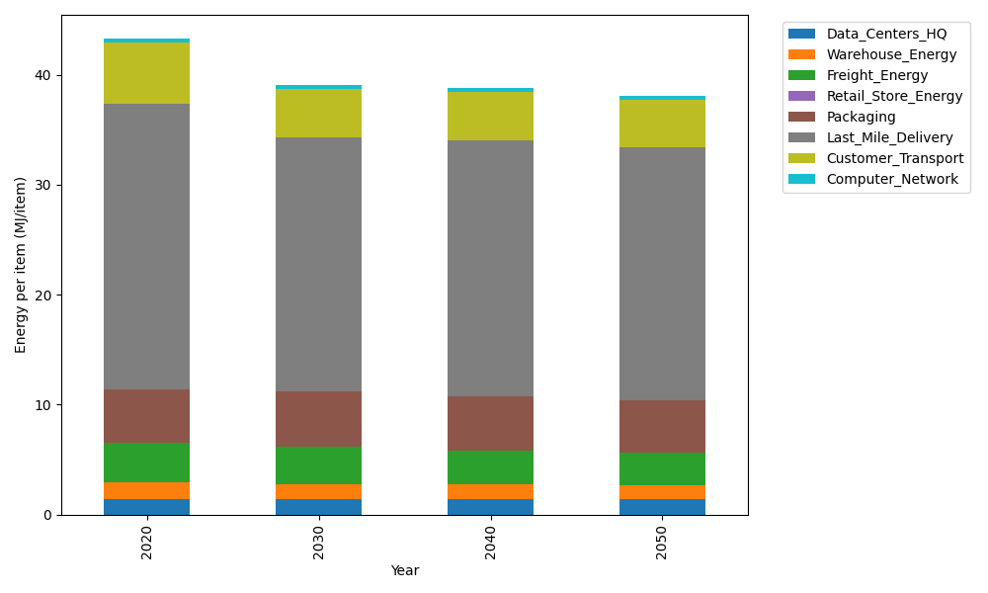
Years | Data_Centers_HQ | Warehouse_Energy | Freight_Energy | Retail_Store_Energy | Packaging | Last_Mile_Delivery | Customer_Transport | Computer_Network | Total
2020 | 1.3707219138 | 1.548 | 3.6014234063 | 0 | 4.8467995113 | 25.989676808 | 5.5939378112 | 0.32656171373 | 43.277121165
2030 | 1.3707219138 | 1.42416 | 3.3379841258 | 0 | 5.0891394869 | 23.086546332 | 4.4191358643 | 0.32656171373 | 39.054249437
2040 | 1.3707219138 | 1.36224 | 3.0897464313 | 0 | 4.9437355016 | 23.230268367 | 4.4708907609 | 0.32656171373 | 38.794164688
2050 | 1.3707219138 | 1.30032 | 2.9242740564 | 0 | 4.8467995113 | 22.953687244 | 4.3428283515 | 0.32656171373 | 38.065192791

CO2_item
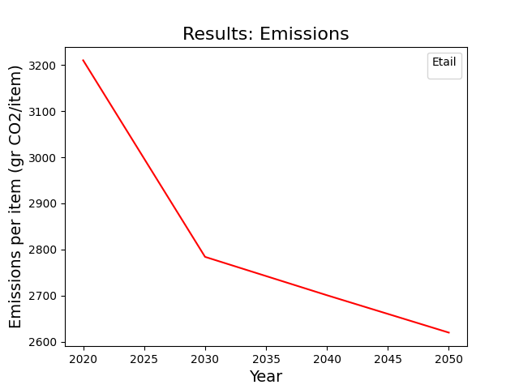
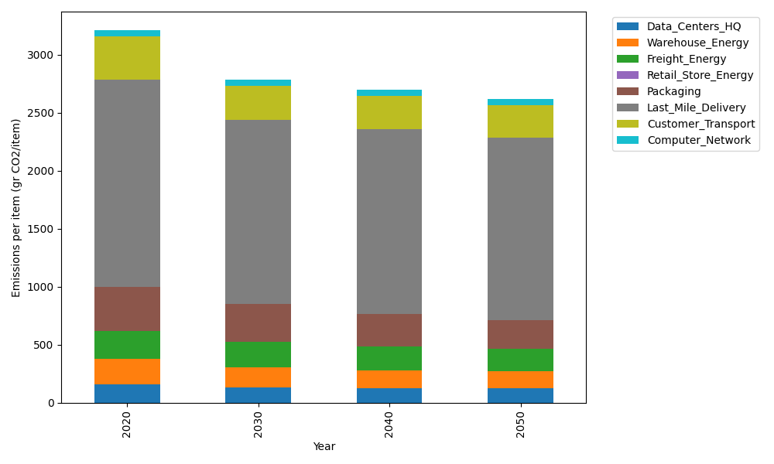
Years | Data_Centers_HQ | Warehouse_Energy | Freight_Energy | Retail_Store_Energy | Packaging | Last_Mile_Delivery | Customer_Transport | Computer_Network | Total
2020 | 157.73612384 | 220.80520494 | 241.44795769 | 0 | 379.96504026 | 1784.0127109 | 371.16497336 | 55.083386689 | 3210.2153976
2030 | 131.86534462 | 172.22805986 | 223.58286046 | 0 | 326.76993463 | 1583.6234412 | 290.80399334 | 55.083386689 | 2783.9570207
2040 | 123.24175154 | 156.77169551 | 206.89439809 | 0 | 277.37447939 | 1592.5253063 | 288.85453807 | 55.083386689 | 2700.7455556
2050 | 125.70563528 | 145.73143526 | 195.79168639 | 0 | 246.97727617 | 1572.6192262 | 277.80639694 | 55.083386689 | 2619.7150429

